Figure4.1
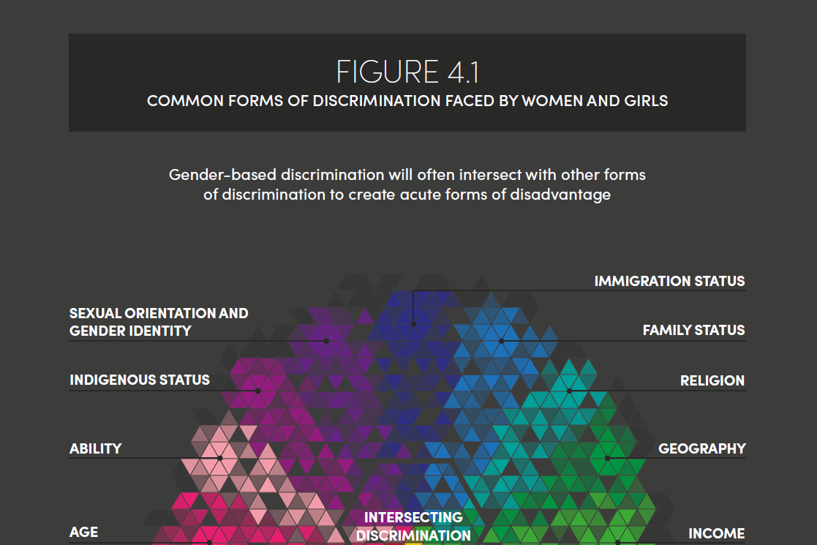

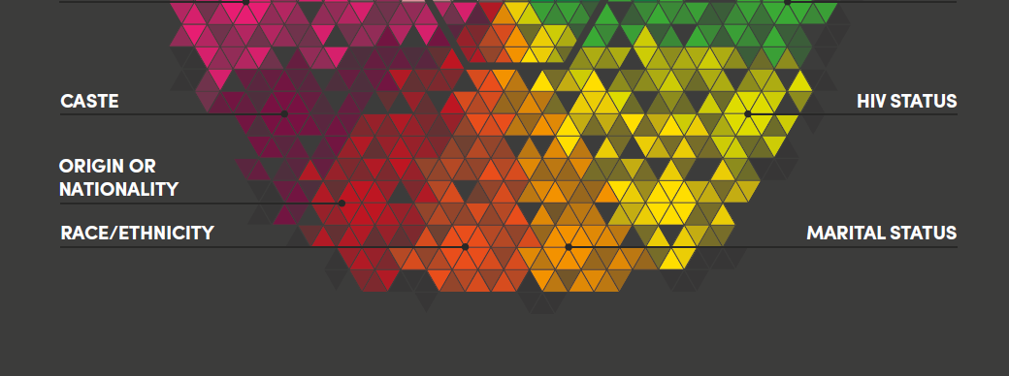

Figure 4.2
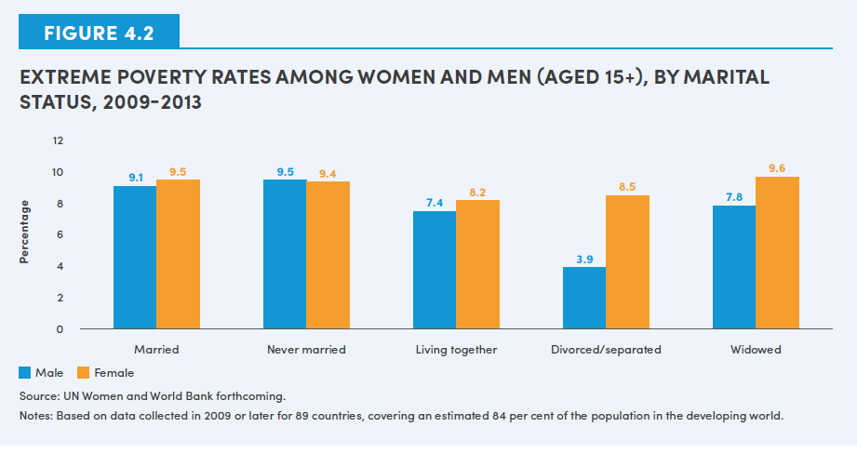
Marital Status | Male | Female
Married | 9.1 | 9.5
Never Married | 9.5 | 9.4
Living together | 7.4 | 8.2
Divorced/separted | 3.9 | 8.5
Widowed | 7.8 | 9.6

Figure 4.3
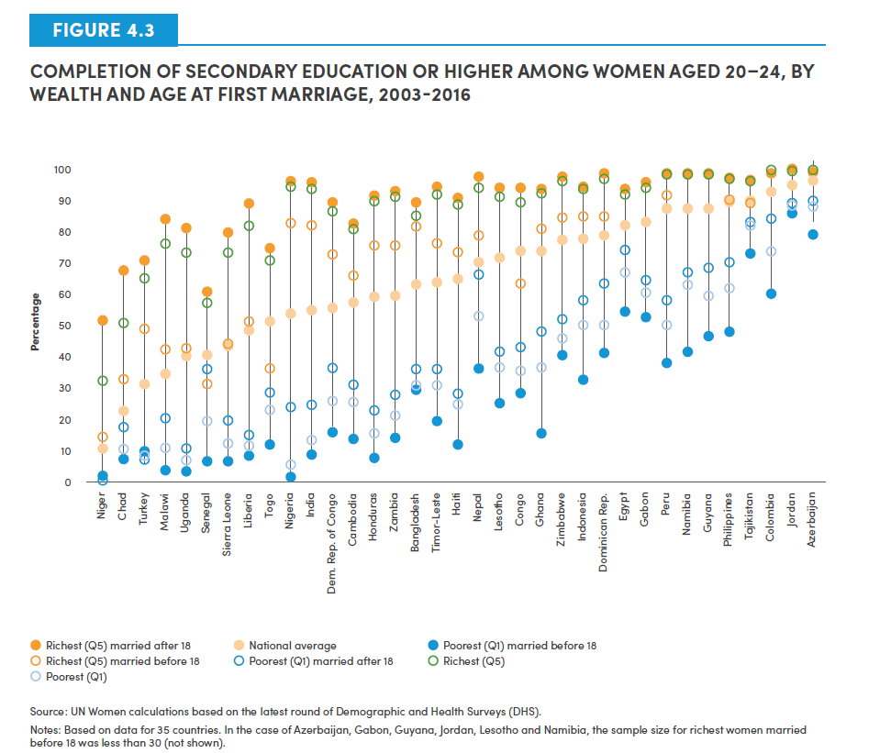
Country | Richest (Q5) married after 18 | National average | Poorest (Q1) women married before 18 | Richest (Q5) women married before 18 | Poorest (Q1) women married after 18 | Richest (Q5) | Poorest (Q1)
Niger | 52.0 | 10.6 | 1.4 | 14.6 | 0.0 | 32.9 | 1.2
Chad | 68.2 | 23.0 | 7.9 | 33.2 | 17.7 | 50.9 | 10.3
Turkey | 71.3 | 31.9 | 9.1 | 49.3 | 6.4 | 65.2 | 7.7
Malawi | 84.5 | 35.0 | 3.8 | 43.1 | 20.6 | 76.2 | 11.5
Uganda | 81.4 | 40.4 | 3.6 | 43.0 | 11.1 | 73.4 | 6.6
Senegal | 61.2 | 41.0 | 6.9 | 31.7 | 36.2 | 57.8 | 20.1
Sierra Leone | 80.2 | 43.9 | 6.8 | 44.4 | 20.3 | 73.3 | 12.6
Liberia | 89.4 | 49.0 | 8.6 | 51.2 | 15.1 | 82.1 | 11.8
Togo | 74.4 | 51.5 | 12.1 | 36.3 | 28.7 | 70.7 | 23.1
Nigeria | 96.2 | 53.7 | 1.5 | 82.9 | 23.9 | 94.6 | 5.5
India | 95.6 | 55.1 | 9.3 | 81.6 | 24.6 | 93.4 | 13.8
Congo DR | 89.8 | 55.8 | 16.4 | 73.1 | 36.3 | 86.5 | 26.3
Cambodia | 83.0 | 58.1 | 14.0 | 66.1 | 31.5 | 81.1 | 26.2
Honduras | 91.9 | 59.6 | 8.2 | 75.6 | 23.0 | 89.1 | 15.5
Zambia | 93.5 | 59.9 | 14.6 | 75.8 | 28.0 | 91.2 | 21.5
Bangladesh | 89.6 | 63.6 | 30.0 | 81.9 | 36.3 | 85.2 | 31.0
Timor-Leste | 94.2 | 63.6 | 19.7 | 76.4 | 37.1 | 91.9 | 32.2 | 74.48
Haiti | 90.3 | 65.0 | 12.3 | 73.7 | 28.5 | 88.8 | 25.2
Nepal | 97.9 | 70.1 | 36.2 | 78.8 | 66.7 | 94.1 | 52.8
Lesotho | 93.6 | 72.3 | 25.4 |  | 41.8 | 91.2 | 36.5
Congo | 94.3 | 74.0 | 28.5 | 63.9 | 43.1 | 89.3 | 35.7
Maldives | 96.8 | 83.3 | 22.3
Ghana | 94.2 | 74.0 | 16.3 | 81.1 | 48.2 | 92.6 | 36.6
Zimbabwe | 97.5 | 77.7 | 40.8 | 84.3 | 52.3 | 95.8 | 46.2
Indonesia | 94.4 | 78.1 | 33.0 | 85.2 | 58.5 | 94.0 | 50.1
Dominican Rep. | 98.8 | 79.4 | 41.7 | 84.7 | 63.3 | 96.7 | 50.0
Egypt | 93.6 | 82.0 | 55.1 | 81.7 | 74.3 | 92.2 | 67.0
Gabon | 96.1 | 83.5 | 52.8 |  | 64.6 | 93.3 | 61.0
Sao TPE | 91.6 | 44.2 | 5.2
Peru | 98.8 | 87.3 | 38.6 | 91.5 | 58.6 | 98.4 | 50.6
Namibia | 97.9 | 87.3 | 42.2 |  | 66.8 | 97.9 | 63.1
Swaziland | 82.4 | 68.9 | 11.1
Guyana | 98.7 | 87.4 | 47.1 |  | 68.5 | 98.1 | 59.6
Philippines | 97.0 | 89.8 | 48.5 | 90.5 | 70.4 | 96.7 | 62.2
Tajikistan | 96.7 | 89.8 | 73.2 | 88.8 | 83.1 | 95.8 | 82.0
Colombia | 98.9 | 92.6 | 60.6 | 100.0 | 84.4 | 99.9 | 74.1
Jordan | 100.0 | 94.6 | 86.3 |  | 89.0 | 99.7 | 88.2
Azerbaijan | 99.4 | 96.7 | 79.0 |  | 89.6 | 99.4 | 87.8

Figure 4.4
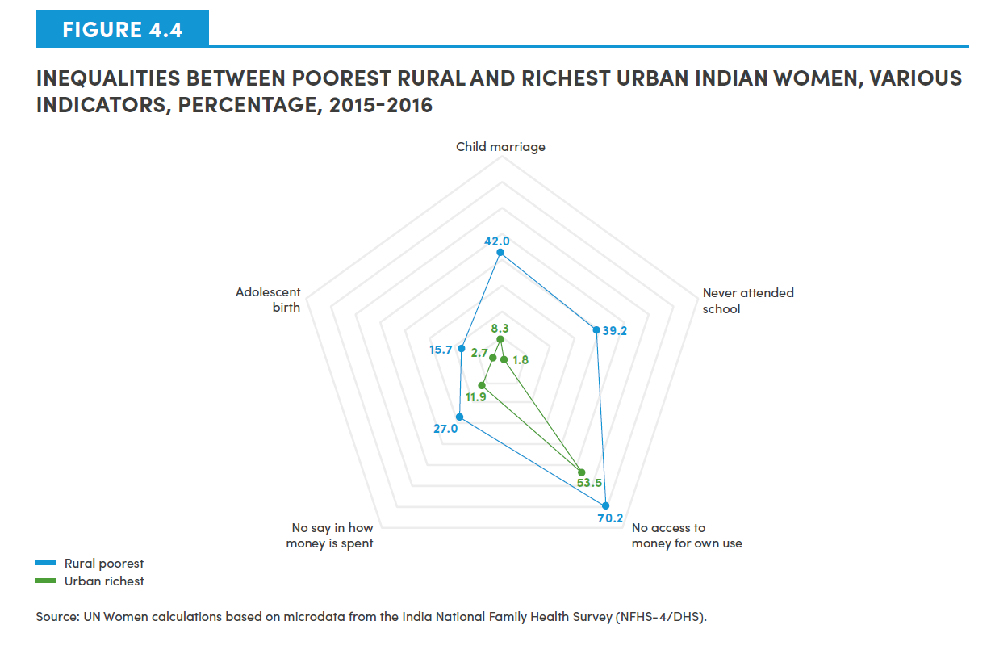

Indicator | Rural poorest | Urban richest
Child marriage | 42.0 | 8.3
Never attended school | 39.2 | 1.8
No access to money for own use | 70.2 | 53.5
No say in how money is spent | 27.0 | 11.9
Adolescent birth | 15.7 | 2.7

Figure 4.5
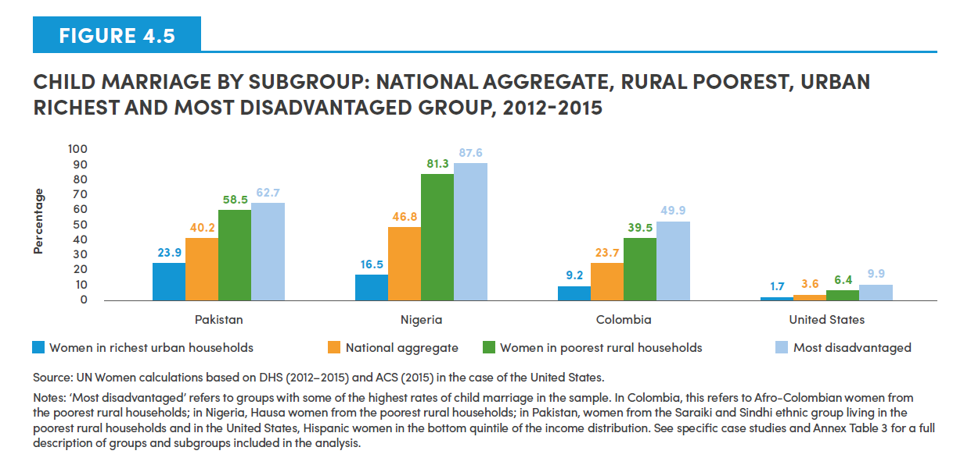
Country | Women in richest urban households | National aggregate | Women in poorest rural households | Most disadvantaged
Pakistan | 23.9 | 40.2 | 58.5 | 62.7
Nigeria | 16.5 | 46.8 | 81.3 | 87.6
Colombia | 9.2 | 23.7 | 39.5 | 49.9
United States | 1.7 | 3.6 | 6.4 | 9.9

Figure 4.6
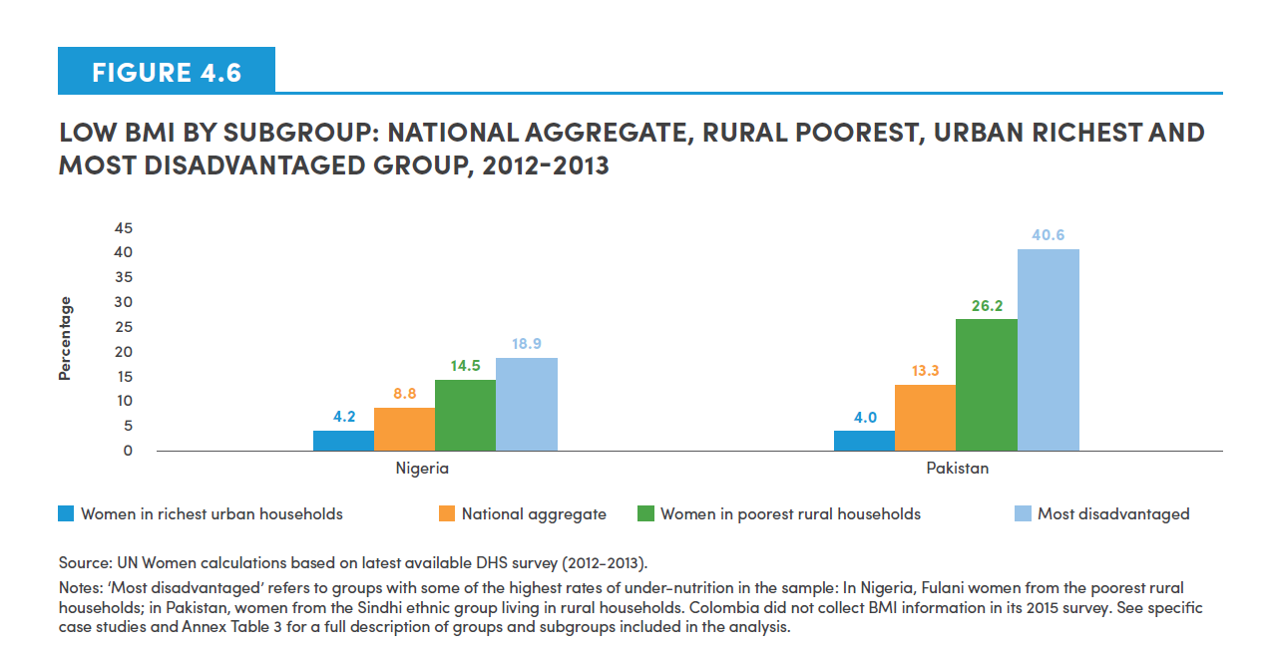
Country | Women in richest urban households | National aggregate | Women in poorest rural households | Most disadvantaged
Nigeria | 4.2 | 8.8 | 14.5 | 18.9
Pakistan | 4.0 | 13.3 | 26.2 | 40.6

Figure 4.7
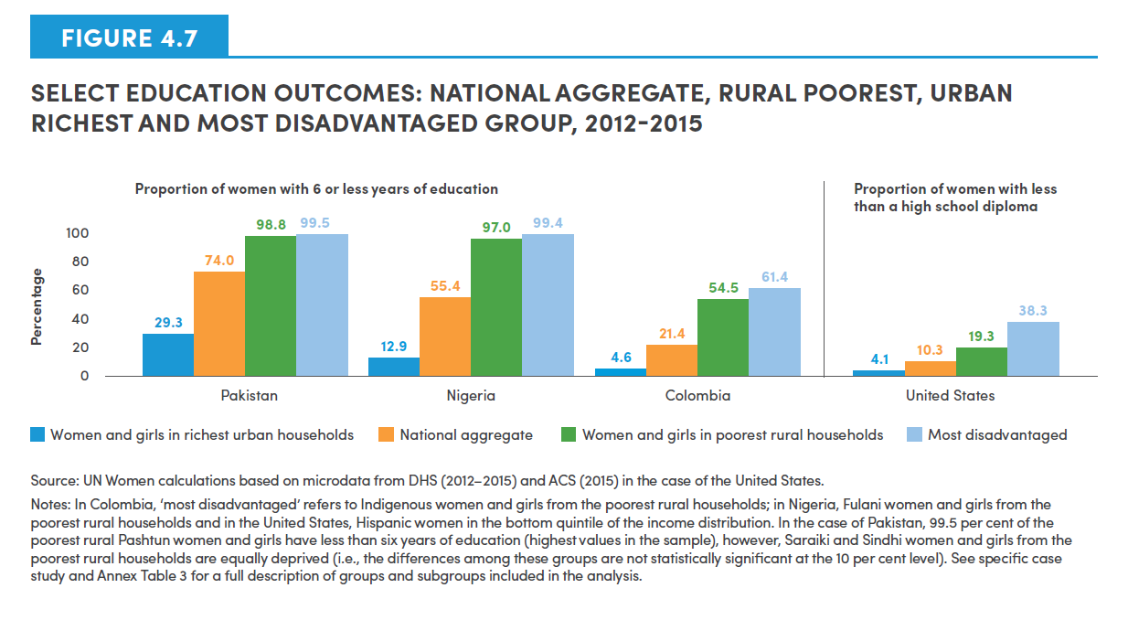
Country | Women and girls in richest urban households | National aggregate | Women and girls in poorest rural households | Most disadvantaged
Pakistan | 29.3 | 74.0 | 98.8 | 99.5
Nigeria | 12.9 | 55.4 | 97.0 | 99.4
Colombia | 4.6 | 21.4 | 54.5 | 61.4
United States | 4.1 | 10.3 | 19.3 | 38.3

Figure 4.8
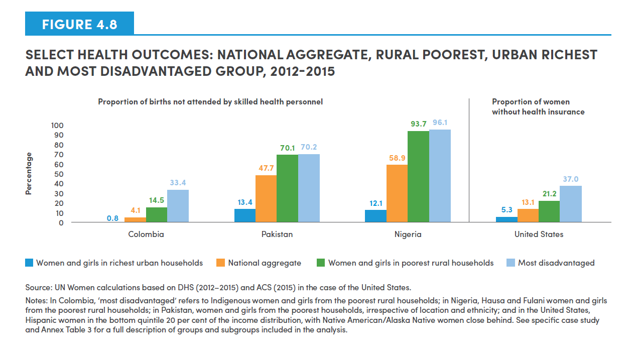
Country | Women and girls in richest urban households | National aggregate | Women and girls in poorest rural households | Most disadvantaged
Colombia | 0.8 | 4.1 | 14.5 | 33.4
Pakistan | 13.4 | 47.7 | 70.1 | 70.2
Nigeria | 12.1 | 58.9 | 93.7 | 96.1
United States | 5.3 | 13.1 | 21.2 | 37.0

Figure 4.9
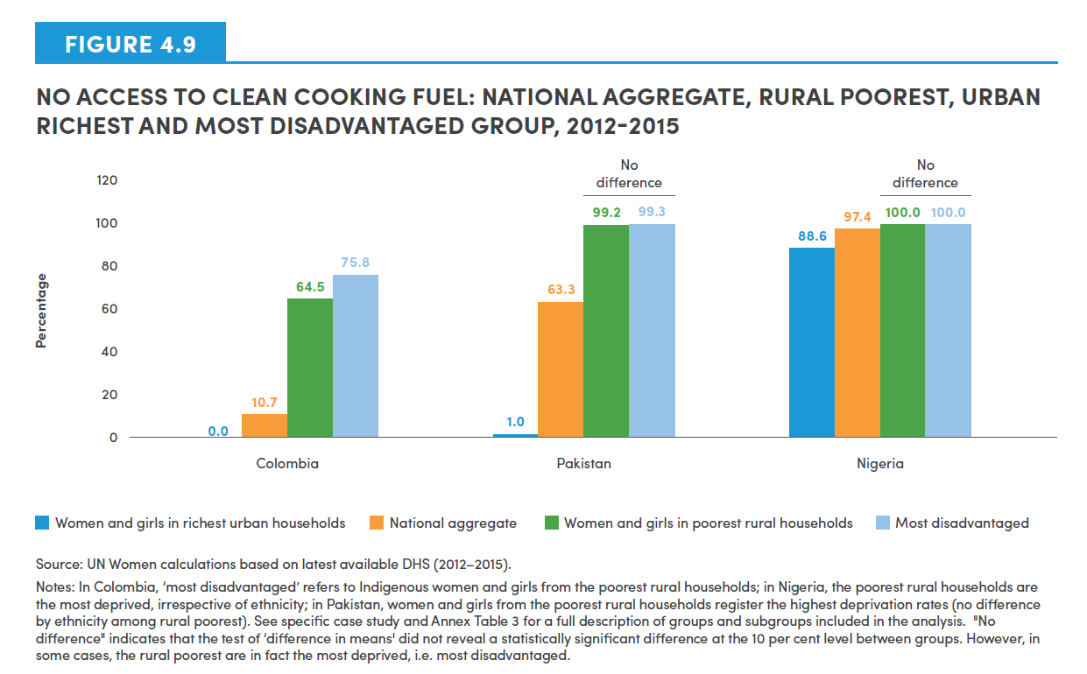
Country | Women and girls in richest urban households | National aggregate | Women and girls in poorest rural households | Most disadvantaged
Colombia | 0.0 | 10.7 | 64.5 | 75.8
Pakistan | 1.0 | 63.3 | 99.2 | 99.3
Nigeria | 88.6 | 97.4 | 100.0 | 100.0

Figure 4.10
Indicator shorthand | Indicator description | Relevant SDG | Poorest rural Saraiki | Poorest rural Sindhi | Poorest rural Pashtun | Poorest rural | Poorest | Rural | National aggregate | Urban | Richest | Richest urban | Richest urban Punjabi | Richest urban Urdu
Low BMI | Proportion of women aged 18-49, who are underweight (BMI less than 18.5 kg/m2) | SDG 2 | 22.1 | 40.6 |  | 26.2 | 26.0 | 16.3 | 13.3 | 7.4 | 4.2 | 4.0 | 2.4 | 6.4
No say in own health | Proportion of women and girls aged 15-49 who do not have an independent/joint say in own healthcare | SDG 3 | 46.5 | 67.2 | 69.5 | 58.6 | 58.5 | 52.5 | 48.1 | 39.3 | 39.3 | 36.2 | 36.4 | 29.3
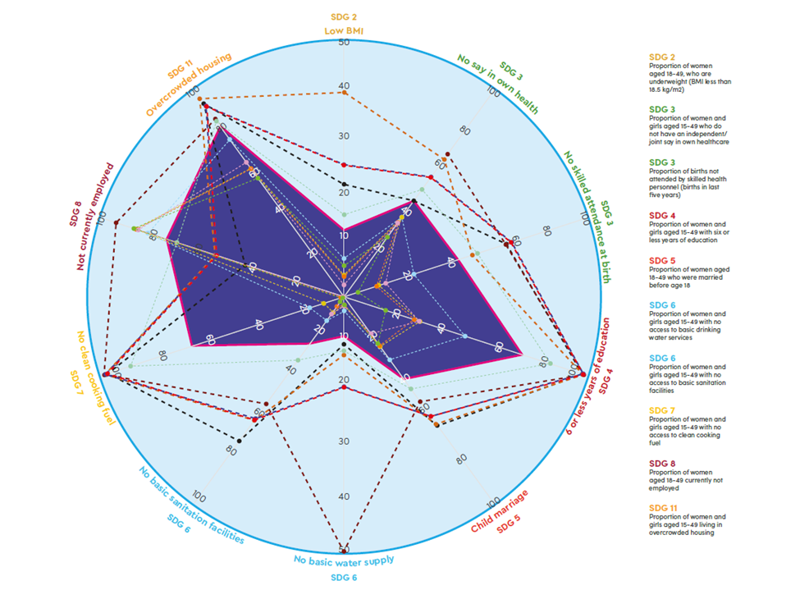
No skilled attendance at birth | Proportion of births attended by skilled health personnel (births in last five years) | SDG 3 | 67.8 | 53.4 | 67.0 | 70.1 | 70.2 | 55.4 | 47.7 | 28.8 | 14.4 | 13.4 | 17.1 | 5.89
6 or less years of education | Proportion of women and girls aged 15-49 with six or less years of education | SDG 4 | 98.6 | 99.3 | 99.5 | 98.8 | 98.7 | 85.6 | 74.0 | 50.8 | 31.2 | 29.3 | 31.1 | 16.9
Child marriage | Proportion of women aged 18-49 who were married before age 18 | SDG 5 | 62.7 | 62.1 | 51.1 | 58.5 | 58.3 | 44.8 | 40.2 | 30.9 | 24.1 | 23.9 | 17.9 | 22.4
No basic drinking water | Proportion of women and girls aged 15-49 with no access to basic drinking water services | SDG 6 | 9.2 | 11.4 | 50.5 | 17.5 | 17.8 | 10.7 | 8.1 | 2.8 | 1.7 | 1.6 | 1.8 | 1.6
No basic sanitation facilities | Proportion of women and girls aged 15-49 with no access to basic sanitation facilities | SDG 6 | 70.3 | 59.9 | 52.8 | 59.5 | 60.1 | 30.8 | 23.1 | 12.3 | 6.7 | 4.8 | 8.2 | 2.4
No clean cooking fuel | Proportion of women and girls aged 15-49 with no access to clean cooking fuel | SDG 7 | 98.8 | 99.3 | 98.8 | 99.2 | 99.1 | 87.6 | 63.3 | 14.2 | 8.9 | 1.0 | 0.6 | 0.5
Not currently working | Proportion of women aged 18-49 currently not employedh | SDG 8 | 41.2 | 53.6 | 94.2 | 53.1 | 53.3 | 69.6 | 73.5 | 81.3 | 86.8 | 86.3 | 85.8 | 87.5
overcrowded housing | Proportion of women and girls aged 15-49 living in overcrowded housing | SDG 11 | 94.3 | 96.3 | 86.7 | 93.1 | 93.2 | 86.1 | 82.7 | 76.3 | 62.3 | 62.2 | 65.5 | 58.2

Figure 4.11
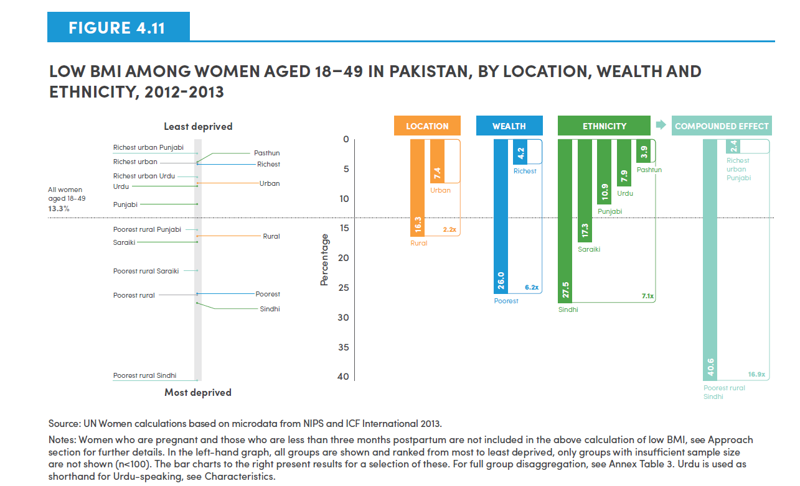
Select groups | Proportion
Richest urban Punjabi | 2.4
Pashtun | 3.9
Richest urban | 4.0
Richest | 4.2
Richest urban Urdu | 6.4
Urban | 7.4
Urdu | 7.9
Punjabi | 10.9
All women aged 18-49 | 13.3
Poorest rural Punjabi | 15.2
Rural | 16.3
Saraiki | 17.3
Poorest rural Saraiki | 22.1
Poorest | 26.0
Poorest rural | 26.2
Sindhi | 27.5
Poorest rural Sindhi | 40.6

Location ratio | 2.2
Wealth ratio | 6.2
Ethnicity ratio | 7.1
Compounded effect | 16.9

Figure 4.12
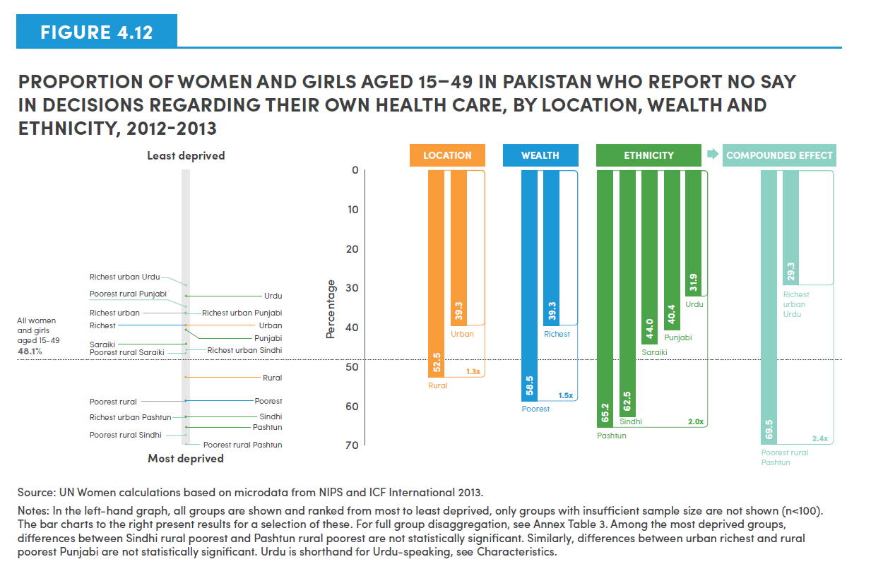
Select groups | Proportion
Richest urban Urdu | 29.3
Urdu | 31.9
Poorest rural Punjabi | 34.8
Richest urban | 36.2
Richest urban Punjabi | 36.4
Richest | 39.3
Urban | 39.3
Punjabi | 40.4
Saraiki | 44.0
Richest urban Sindhi | 45.5
Poorest rural Saraiki | 46.5
All women and girls aged 15-49 | 48.1
Rural | 52.5
Poorest | 58.5
Rural poorest | 58.6
Sindhi | 62.5
Richest urban Pashtun | 62.7
Pashtun | 65.2
Poorest rural Sindhi | 67.2
Poorest rural Pashtun | 69.5

Location ratio | 1.3
Wealth ratio | 1.5
Ethnicity ratio | 2.0
Compounded effect | 2.4

Figure 4.13
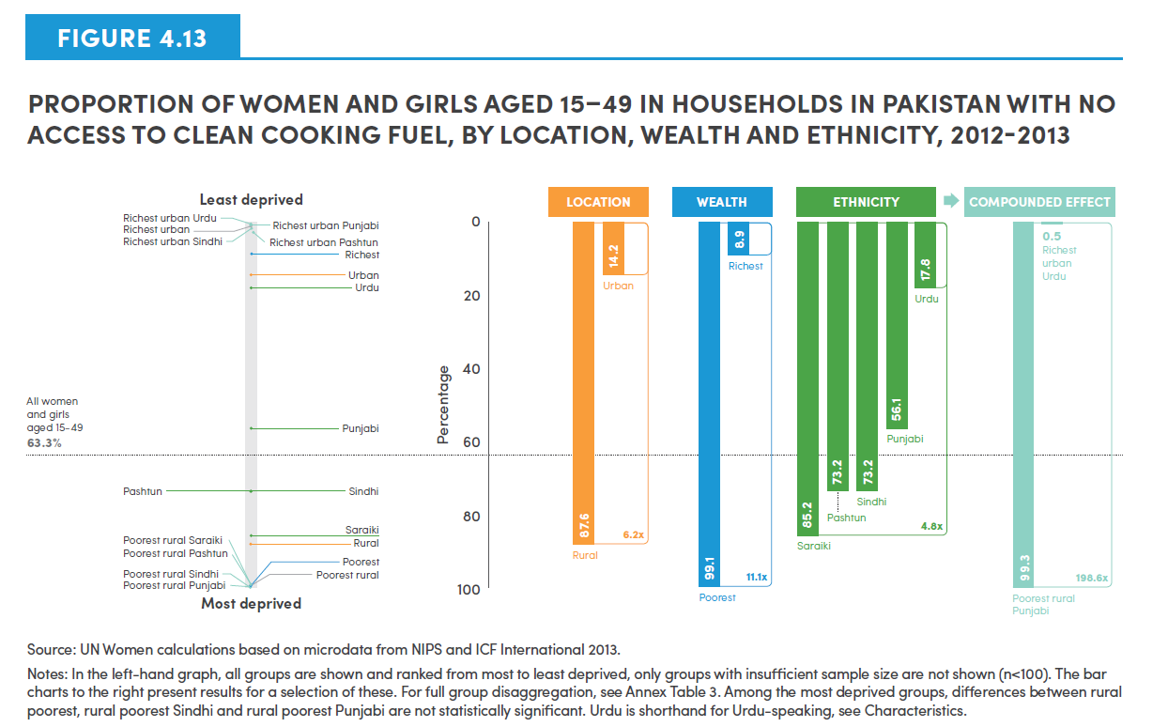
Select groups | Proportion
Richest urban Urdu | 0.5
Richest urban Punjabi | 0.6
Richest urban | 1.0
Richest urban Sindhi | 1.7
Richest urban Pashtun | 2.8
Richest | 8.9
Urban | 14.2
Urdu | 17.8
Punjabi | 56.1
All women and girls aged 15-49 | 63.3
Sindhi | 73.2
Pashtun | 73.2
Saraiki | 85.2
Rural | 87.6
Poorest rural Pashtun | 98.8
Poorest rural Saraiki | 98.8
Poorest | 99.1
Poorest rural | 99.2
Poorest rural Sindhi | 99.3
Poorest rural Punjabi | 99.3

Location ratio | 6.2
Wealth ratio | 11.1
Ethnicity ratio | 4.8
Compounded effect | 198.6

Figure 4.14
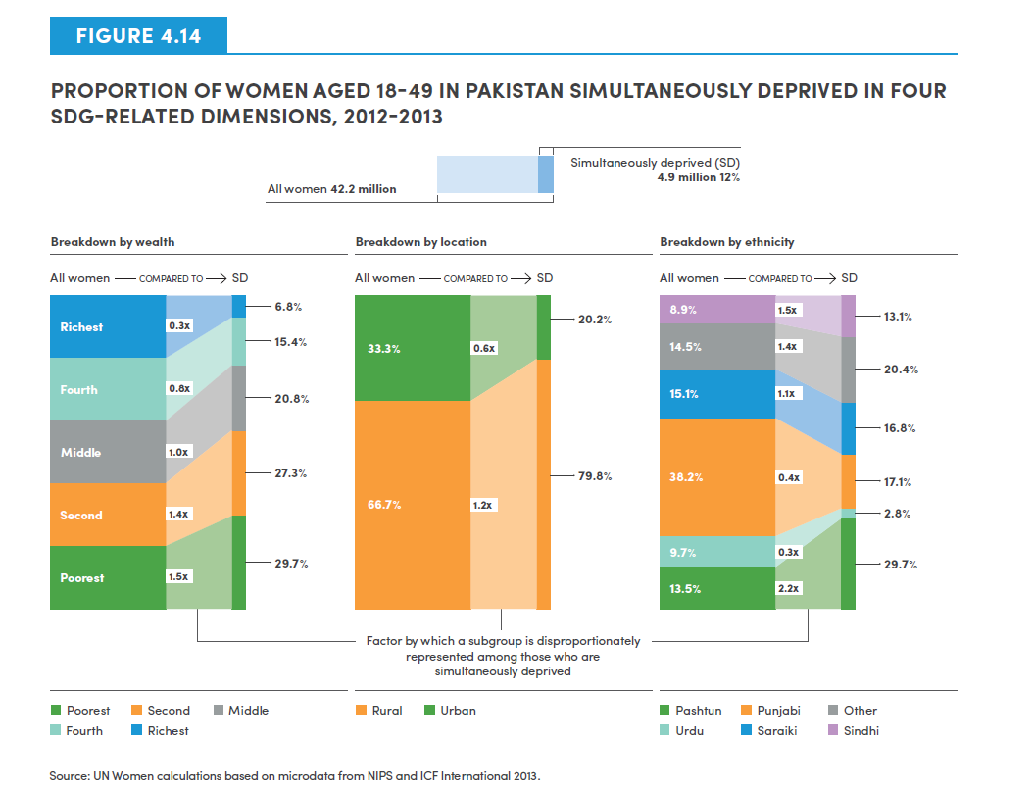
 | ALL WOMEN (18-49) | 42.2 Million
 | Simultaneously deprived (SD) | 4.9 Million (12%)

Breakdown by wealth | Wealth breakdown of all women aged 18-49 | Factor by which a subgroup is disproportunately represented among those who are simultaneously deprived | Wealth breakdown of women aged 18-49 simultaneously deprived
Poorest | 20 | 1.5 | 29.7
Second | 20 | 1.4 | 27.3
Middle | 20 | 1.0 | 20.8
Fourth | 20 | 0.8 | 15.4
Richest | 20 | 0.3 | 6.8

Breakdown by location | Location breakdown of all women aged 18-49 | Factor by which a subgroup is disproportunately represented among those who are simultaneously deprived | Location breakdown of women aged 18-49 simultaneously deprived

Rural | 66.67 | 1.2 | 79.8
Urban | 33.33 | 0.6 | 20.2

Breakdown by ethnicity | Ethnicity breakdown of all women aged 18-49 | Factor by which a subgroup is disproportunately represented among those who are simultaneously deprived | Ethnicity breakdown of women aged 18-49 simultaneously deprived
Urdu | 9.7 | 0.3 | 2.8
Pashtun | 13.5 | 2.2 | 29.7
Sindhi | 8.9 | 1.5 | 13.1
Punjabi | 38.2 | 0.4 | 17.1
Saraiki | 15.1 | 1.1 | 16.8
Other | 14.5 | 1.4 | 20.4

Figure 4.15
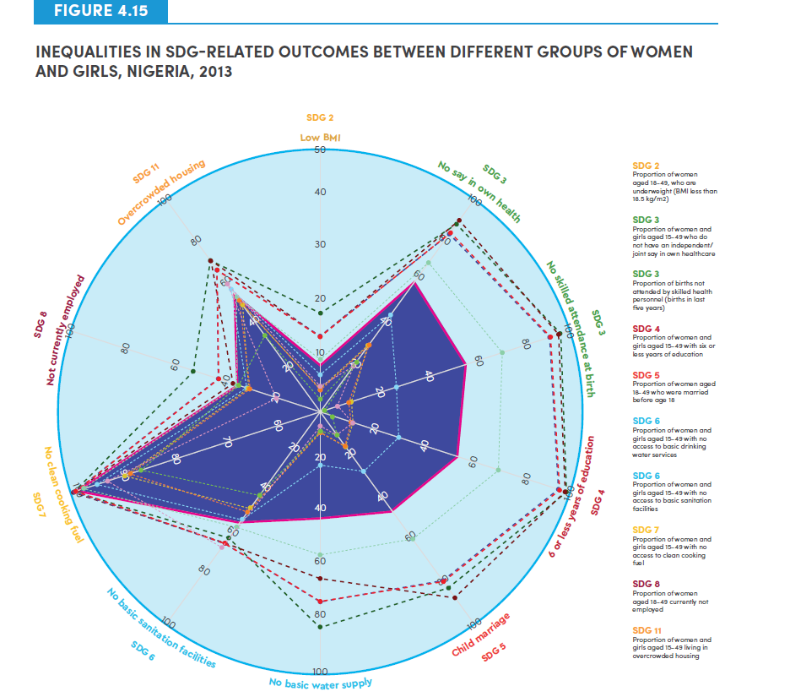
Indicator shorthand | Indicator description | Relevant SDG | Poorest rural Fulani | Poorest rural Hausa | Rural poorest | Poorest | Rural | National aggregate | Urban | Richest | Urban richest | Richest urban Yoruba | Richest urban Igbo
Low BMI | Proportion of women aged 18-49, who are underweight (BMI less than 18.5 kg/m2) | SDG 2 | 18.9 | 14.2 | 14.5 | 14.3 | 10.2 | 8.8 | 7.0 | 4.2 | 4.2 | 4.8 | 2.8
No say in own health | Proportion of women and girls aged 15-49 who do not have an independent/joint say in own healthcare | SDG 3 | 87.9 | 90.4 | 84.9 | 84.5 | 70.1 | 61.2 | 45.6 | 32.1 | 31.7 | 22.4 | 23.7
No skilled attendance at birth | Proportion of births attended by skilled health personnel (births in last five years) | SDG 3 | 96.1 | 95.4 | 93.7 | 92.5 | 74.0 | 58.9 | 31.2 | 13.0 | 12.1 | 7.47 | 2.22
6 or less years of education | Proportion of women and girls aged 15-49 with six or less years of education | SDG 4 | 99.4 | 98.6 | 97.0 | 96.5 | 72.2 | 55.4 | 32.3 | 13.0 | 12.9 | 13.0 | 5.5
Child marriage | Proportion of women aged 18-49 who were married before age 18 | SDG 5 | 83.5 | 87.6 | 81.3 | 80.1 | 60.0 | 46.8 | 28.6 | 16.6 | 16.5 | 11.1 | 10.9
No basic drinking water | Proportion of women and girls aged 15-49 with no access to basic drinking water services | SDG 6 | 81.9 | 63.6 | 72.6 | 72.6 | 54.6 | 40.2 | 20.2 | 8.1 | 7.7 | 5.3 | 6.8
No basic sanitation facilities | Proportion of women and girls aged 15-49 with no access to basic sanitation facilities | SDG 6 | 59.0 | 62.0 | 61.4 | 61.5 | 54.7 | 53.0 | 51.3 | 45.1 | 47.0 | 63.2 | 39.3
No clean cooking fuel | Proportion of women and girls aged 15-49 with no access to clean cooking fuel | SDG 7 | 100.0 | 100.0 | 100.0 | 100.0 | 99.5 | 97.4 | 94.6 | 89.0 | 88.6 | 92.4 | 85.5
Not currently working | Proportion of women aged 18-49 currently not employed | SDG 8 | 50.4 | 34.5 | 41.9 | 41.0 | 34.2 | 32.3 | 29.8 | 28.6 | 28.5 | 17.7 | 32.3
overcrowded housing | Proportion of women and girls aged 15-49 living in overcrowded housing | SDG 11 | 62.8 | 70.6 | 66.5 | 66.6 | 54.3 | 56.0 | 57.5 | 50.7 | 52.2 | 60.2 | 35.6

Figure 4.16
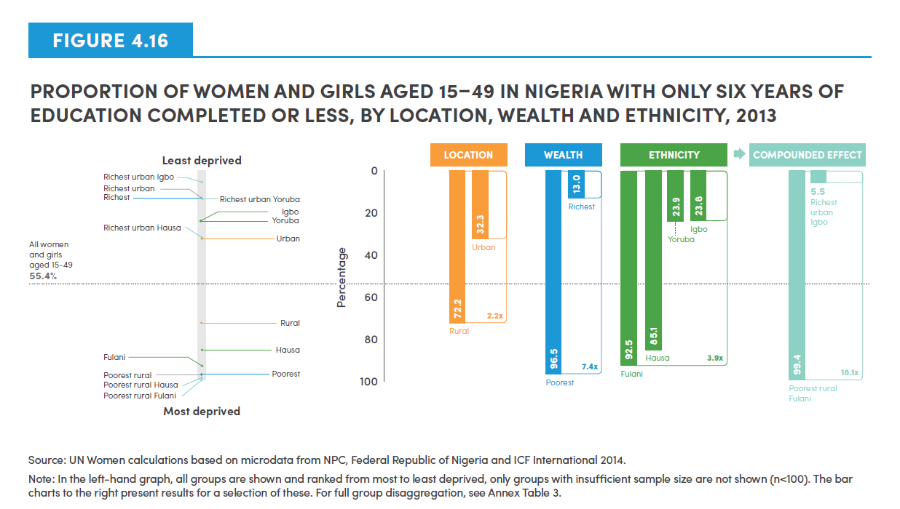
Select groups | Proportion
Richest urban Igbo | 5.5
Richest urban | 12.9
Richest | 13.0
Richest urban Yoruba | 13.0
Igbo | 23.8
Yoruba | 23.9
Richest urban Hausa | 31.9
Urban | 32.3
All women and girls aged 15-49 | 55.4
Rural | 72.2
Hausa | 85.1
Fulani | 92.5
Poorest | 96.5
Poorest rural | 97.0
Poorest rural Hausa | 98.6
Poorest rural Fulani | 99.4

Location ratio | 2.2
Wealth ratio | 7.4
Ethnicity ratio | 3.9
Compounded effect | 18.1

Figure 4.17
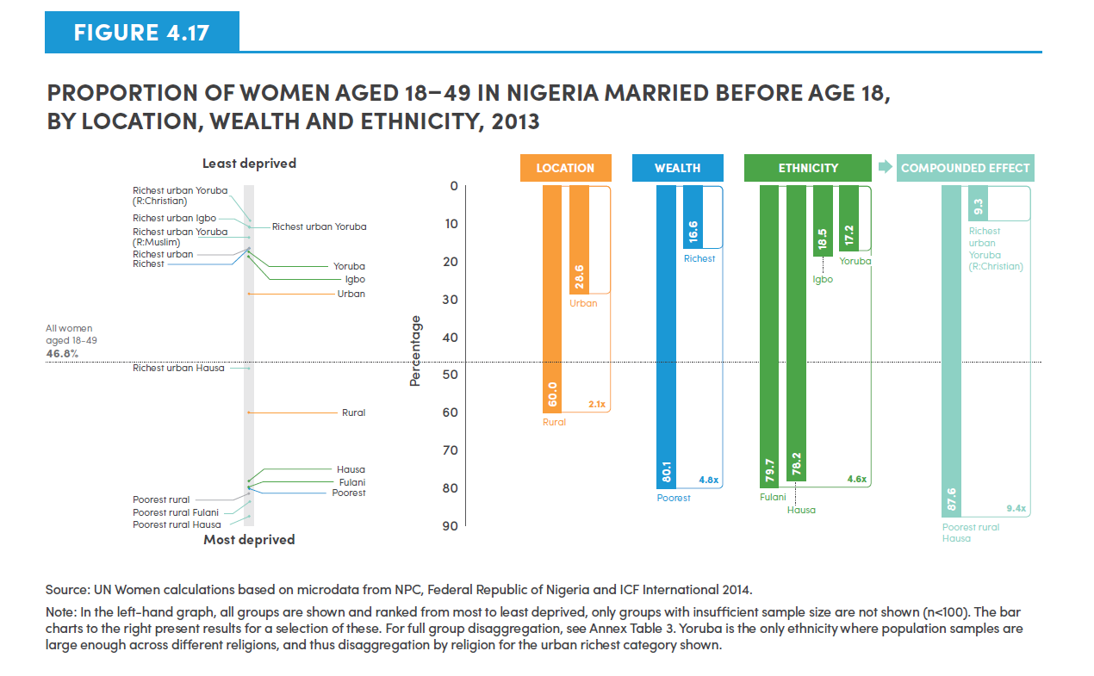
Select groups | Proportion
Richest urban Yoruba (R:Christian) | 9.3
Richest urban Igbo | 10.9
Richest urban Yoruba | 11.1
Richest urban Yoruba (R: Muslim) | 13.8
Richest urban | 16.5
Richest | 16.6
Yoruba | 17.2
Igbo | 18.5
Urban | 28.6
All women aged 18-49 | 46.8
Richest urban Hausa | 48.2
Rural | 60.0
Hausa | 78.2
Fulani | 79.7
Poorest | 80.1
Rural poorest | 81.3
Poorest rural Fulani | 83.5
Poorest rural Hausa | 87.6

Location ratio | 2.1
Wealth ratio | 4.8
Ethnicity ratio | 4.6
Compounded effect | 9.4

Figure 4.18
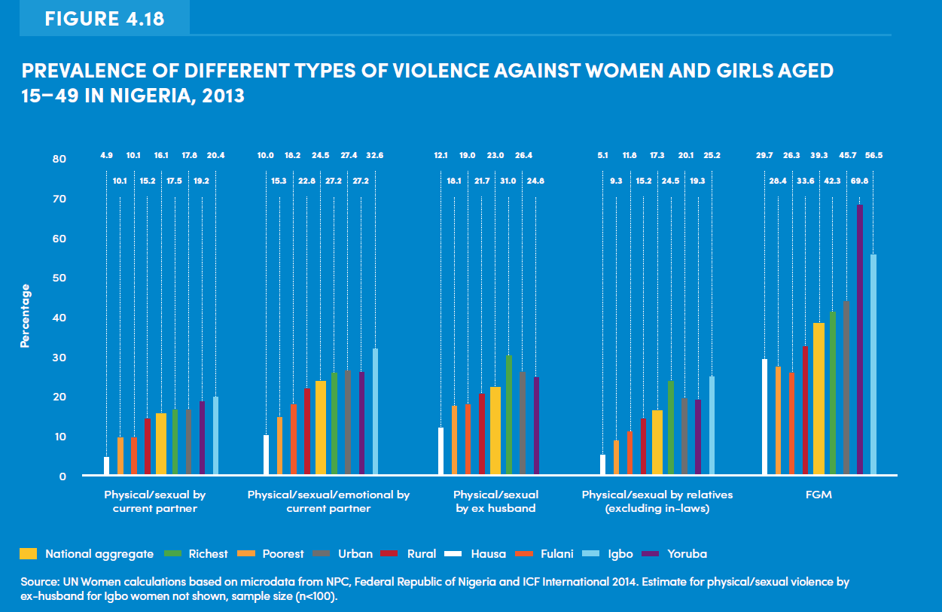
Violence type | National aggregate | Richest | Poorest | Urban | Rural | Hausa | Fulani | Igbo | Yoruba
Physical/Sexual by current partner | 16.1 | 17.5 | 10.1 | 17.8 | 15.2 | 4.9 | 10.1 | 20.4 | 19.2
Physical/Sexual/Emotional by current partner | 24.5 | 27.2 | 15.3 | 27.4 | 22.8 | 10.0 | 18.2 | 32.6 | 27.2
Physical/Sexual by ex-husband | 23.0 | 31.0 | 18.1 | 26.4 | 21.7 | 12.1 | 19.0 | - | 24.8
Physical/Sexual by relatives (excluding in-laws) | 17.3 | 24.5 | 9.3 | 20.1 | 15.2 | 5.1 | 11.8 | 25.2 | 19.3
FGM | 39.3 | 42.3 | 28.4 | 45.7 | 33.6 | 29.7 | 26.3 | 56.5 | 69.8

Figure 4.19
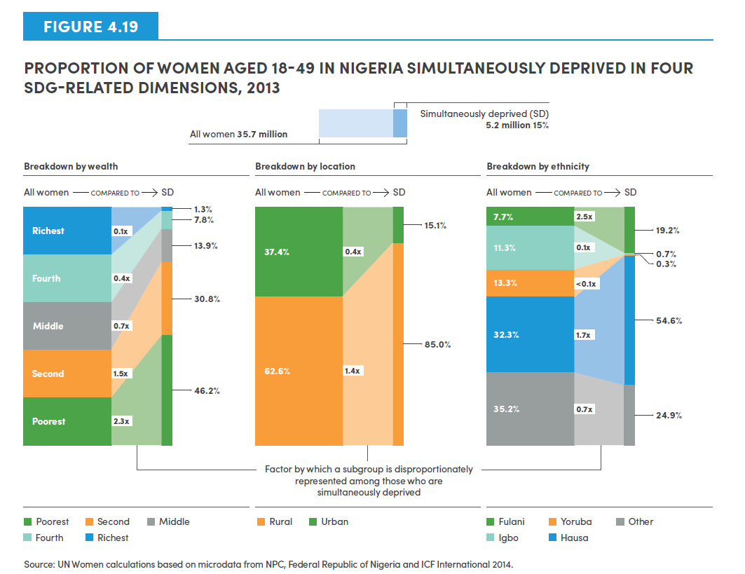
ALL WOMEN (18-49) | 35.7 Million
Simultaneously deprived | 5.2 Million (14.6%)

Breakdown by wealth | Wealth breakdown of all women aged 18-49 | Factor by which a subgroup is disproportunately represented among those who are simultaneously deprived | Wealth breakdown of women aged 18-49 simultaneously deprived

Poorest | 20 | 2.3 | 46.2
Second | 20 | 1.5 | 30.8
Middle | 20 | 0.7 | 13.9
Fourth | 20 | 0.4 | 7.8
Richest | 20 | 0.1 | 1.3

Breakdown by location | Location breakdown of all women aged 18-49 | Factor by which a subgroup is disproportunately represented among those who are simultaneously deprived | Location breakdown of women aged 18-49 simultaneously deprived

Rural | 62.6 | 1.4 | 85.0
Urban | 37.4 | 0.4 | 15.1

Breakdown by ethnicity | Ethnicity breakdown of all women aged 18-49 | Factor by which a subgroup is disproportunately represented among those who are simultaneously deprived | Ethnicity breakdown of women aged 18-49 simultaneously deprived

Hausa | 32.3 | 1.7 | 54.6
Igbo | 11.3 | 0.1 | 0.7
Fulani | 7.7 | 2.5 | 19.2
Youruba | 13.3 | 0.0 | 0.3
Other | 35.2 | 0.7 | 24.9

Figure 4.20
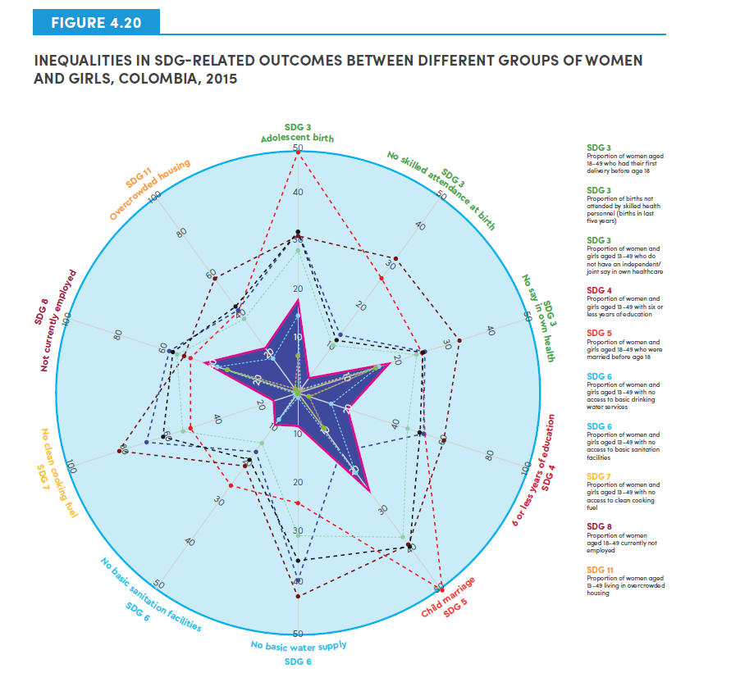
Indicator short hand | Indicator description | Relevant SDG | Poorest rural Afro-Colombian | Poorest rural Indigenous | Poorest rural | Poorest | Rural | National aggregate | Urban | Richest | Richest urban | Richest urban Majority
Adolescent birth | Proportion of women aged 18-49 who had their first delivery before age 18 | SDG 3 | 48.7 | 31.8 | 32.2 | 32.4 | 29.6 | 18.7 | 16.0 | 7.7 | 7.8 | 7.8
No skilled attendance at birth | Proportion of births attended by skilled health personnel (births in last five years) | SDG 3 | 28.6 | 33.4 | 14.5 | 13.1 | 11.9 | 4.1 | 1.0 | 0.8 | 0.8 | 0.1
No say in own health | Proportion of women and girls aged 13-49 who do not have an independent/joint say in own healthcare | SDG 3 | 26.4 | 34.3 | 27.1 | 26.9 | 25.2 | 19.2 | 17.6 | 16.8 | 16.9 | 16.8
6 or less years of education | Proportion of women and girls aged 13-49 with six or less years of education | SDG 4 | 53.4 | 61.4 | 54.5 | 52.8 | 47.6 | 21.4 | 14.5 | 4.7 | 4.6 | 4.4
Child marriage | Proportion of women and girls aged 18-49 who were married before age 18 | SDG 5 | 49.9 | 38.8 | 39.5 | 39.3 | 36.8 | 23.7 | 20.4 | 9.2 | 9.2 | 9.1
No basic drinking water | Proportion of women and girls aged 13-49 with no access to basic drinking water services | SDG 6 | 22.4 | 41.4 | 38.1 | 34.7 | 29.6 | 6.8 | 0.8 | 0.1 | 0.0 | 0.0
No basic sanitation facilities | Proportion of women and girls aged 13-49 with no access to basic sanitation facilities | SDG 6 | 23.2 | 18.2 | 14.5 | 16.7 | 12.5 | 7.8 | 6.8 | 0.1 | 0.1 | 0.1
No clean cooking fuel | Proportion of women and girls aged 13-49 with no access to clean cooking fuel | SDG 7 | 45.7 | 75.8 | 64.5 | 58.7 | 48.9 | 10.7 | 0.7 | 0.0 | 0.0 | 0.0
Not currently working | Proportion of women aged 18-49 currently not employed | SDG 8 | 46.1 | 48.9 | 54.8 | 54.5 | 51.4 | 38.5 | 35.3 | 30.9 | 30.9 | 30.9
overcrowded housing | Proportion of women aged 13-49 living in overcrowded housing | SDG 11 | 41.1 | 57.6 | 41.9 | 44.0 | 37.3 | 22.0 | 17.7 | 2.3 | 2.1 | 2.0

Figure 4.21
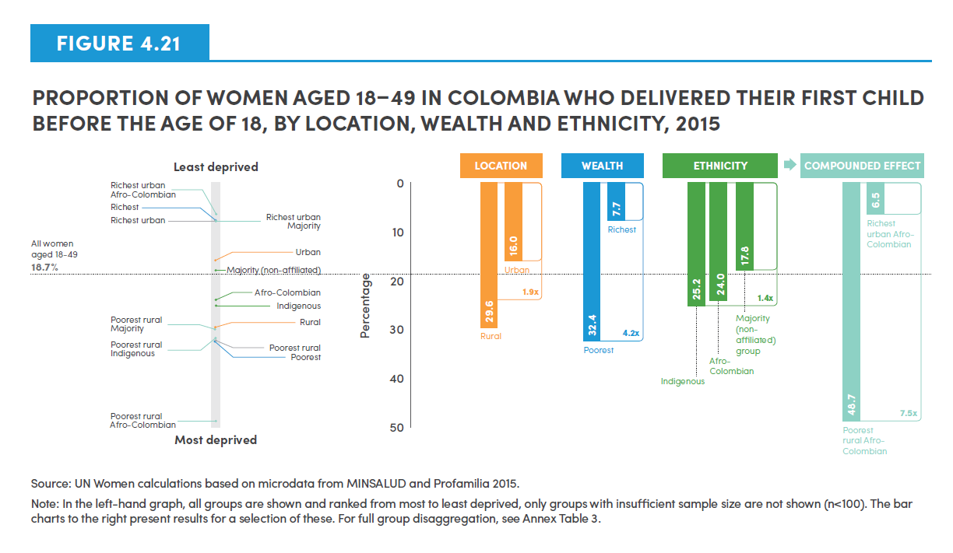
Select groups | Proportion
Richest urban Afro-Colombian | 6.5
Richest | 7.7
Richest urban | 7.8
Richest urban Majority | 7.8
Urban | 16.0
Majority (non-affiliated) | 17.8
All women aged 18-49 | 18.7
Afro-Colombian | 24.0
Indigenous | 25.2
Rural | 29.6
Poorest rural Majority | 30.0
Poorest rural Indigenous | 31.8
Poorest rural | 32.2
Poorest | 32.4
Poorest rural Afro-Colombian | 48.7

Location ratio | 1.9
Wealth ratio | 4.2
Ethnicity ratio | 1.4
Compounded effect | 7.5

Figure 4.22
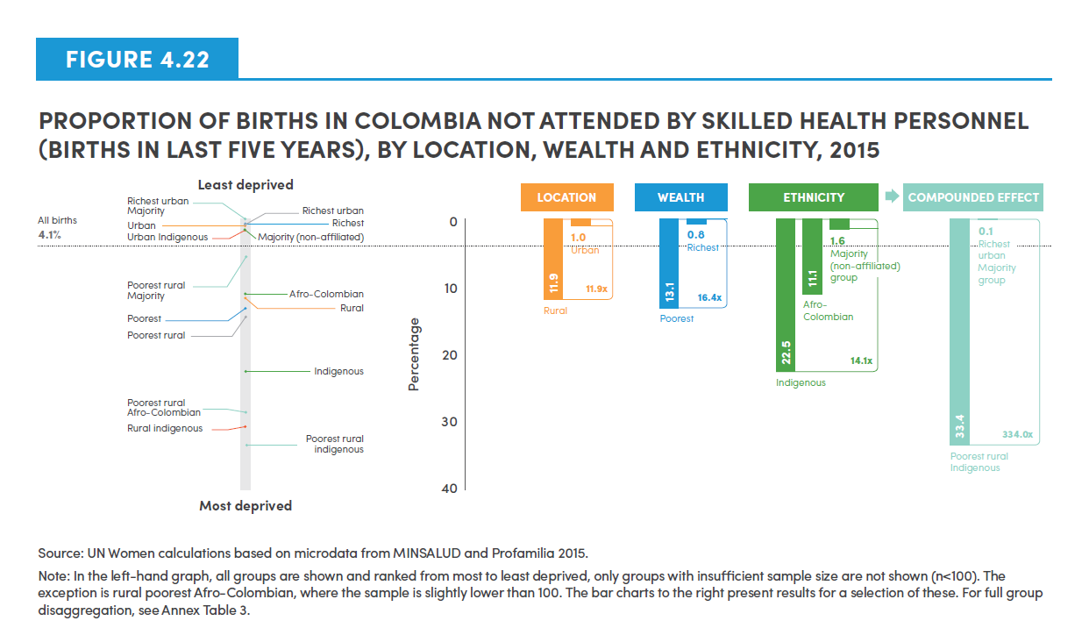
Select groups | Proportion
Richest urban Majority | 0.1
Richest urban | 0.8
Richest | 0.8
Urban | 1.0
Urban Indigenous | 1.7
Majority (non-affiliated) | 1.6
All births | 4.1
Poorest rural Majority | 5.7
Afro-Colombian | 11.1
Rural | 11.9
Poorest | 13.1
Poorest rural | 14.5
Indigenous | 22.5
Poorest rural Afro-Colombian | 28.6
Rural Indigenous | 30.8
Poorest rural Indigenous | 33.4

Location ratio | 11.9
Wealth ratio | 16.4
Ethnicity ratio | 14.1
Compounded effect | 334.0

Figure 4.23
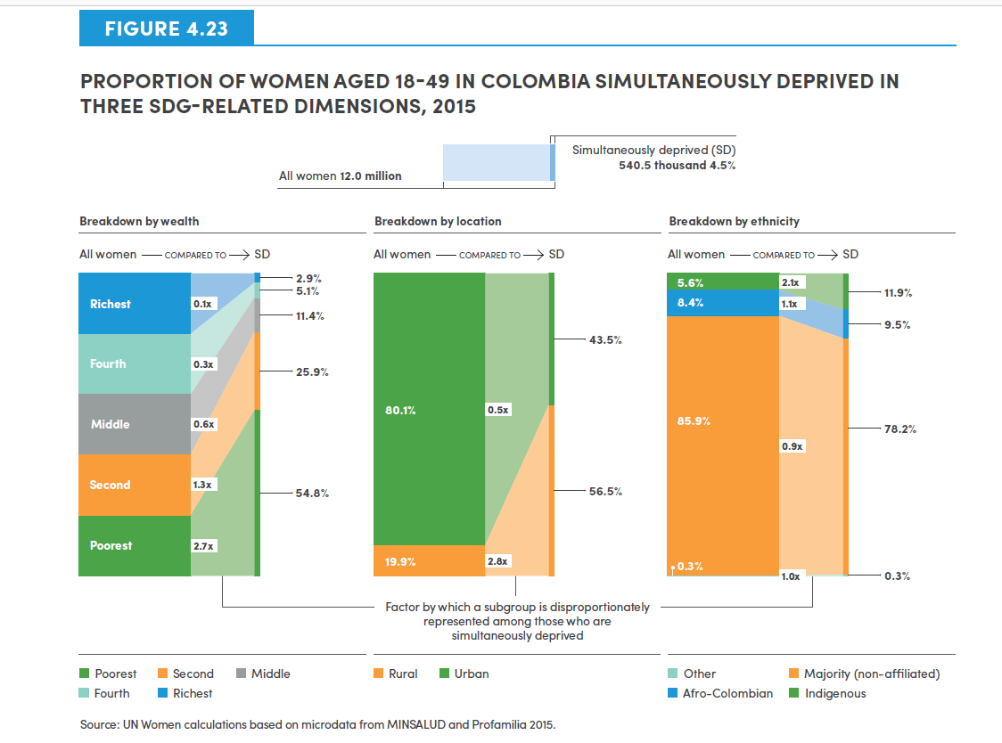
ALL WOMEN (18-49) | 12.0 Million
Simultaneously deprived | 540,500 Thousand (4.5%)

Breakdown by Wealth | Wealth breakdown of all women aged 18-49 | Factor by which a subgroup is disproportunately represented among those who are simultaneously deprived | Wealth breakdown of women aged 18-49 simultaneously deprived

Poorest | 20 | 2.7 | 54.8
Second | 20 | 1.3 | 25.9
Middle | 20 | 0.6 | 11.4
Fourth | 20 | 0.3 | 5.1
Richest | 20 | 0.1 | 2.9

Breakdown by Location | Location breakdown of all women aged 18-49 | Factor by which a subgroup is disproportunately represented among those who are simultaneously deprived | Location breakdown of women aged 18-49 simultaneously deprived

Rural | 19.9 | 2.8 | 56.5
Urban | 80.1 | 0.5 | 43.5

Breakdown by Ethnicity | Ethnicity breakdown of all women aged 18-49 | Factor by which a subgroup is disproportunately represented among those who are simultaneously deprived | Ethnicity breakdown of women aged 18-49 simultaneously deprived

Indigenous | 5.6 | 2.1 | 11.9
Afro-Colombian | 8.4 | 1.1 | 9.5
Majority (non-affiliated) | 85.9 | 0.9 | 78.2
Other | 0.3 | 1.1 | 0.3

Figure 4.24
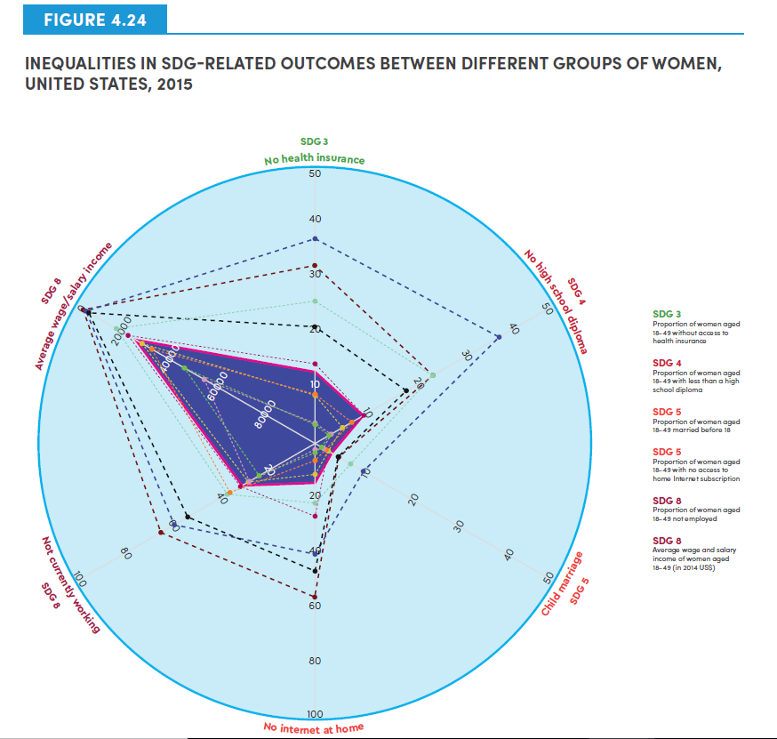

Indicator shorthand | Indicator description | Relevant SDG | American Indian/Alaska Native poorest | Hispanic poorest | Black poorest | Hispanic | Black | White | Asian | National Aggregate | Asian richest | White richest
No health insurance | Proportion of women aged 18-49 without access to health insurance | SDG 3 | 32.2 | 37.0 | 21.2 | 25.7 | 14.4 | 8.8 | 9.0 | 13.1 | 3.8 | 3.7
No high school diploma | Proportion of women aged 18-49 with less than a high school diploma | SDG 4 | 24.5 | 38.3 | 19.0 | 24.6 | 10.2 | 5.8 | 7.7 | 10.3 | 3.4 | 3.0
Child marriage | Proportion of women aged 18-49 married before 18 | SDG 5 | 4.9 | 9.9 | 4.7 | 7.3 | 2.7 | 2.7 | 2.4 | 3.6 | 1.6 | 1.5
No internet at home | Proportion of women aged 18-49 with no access to home Internet subscription | SDG 5 | 55.3 | 40.0 | 45.5 | 21.3 | 25.8 | 11.1 | 6.1 | 14.9 | 2.0 | 3.2
Not currently working | Proportion of women aged 18-49 not employed | SDG 8 | 64.2 | 58.6 | 53.1 | 36.7 | 31.0 | 27.7 | 35.5 | 30.7 | 27.3 | 23.5
Average wage/salary income | Average wage and salary income of women aged 18-49 (in 2014 US$) | SDG 8 | 3,828 | 4,411 | 5,484 | 17,192 | 21,775 | 27,715 | 31,619 | 24,932 | 53,648 | 45,350

Figure 4.25
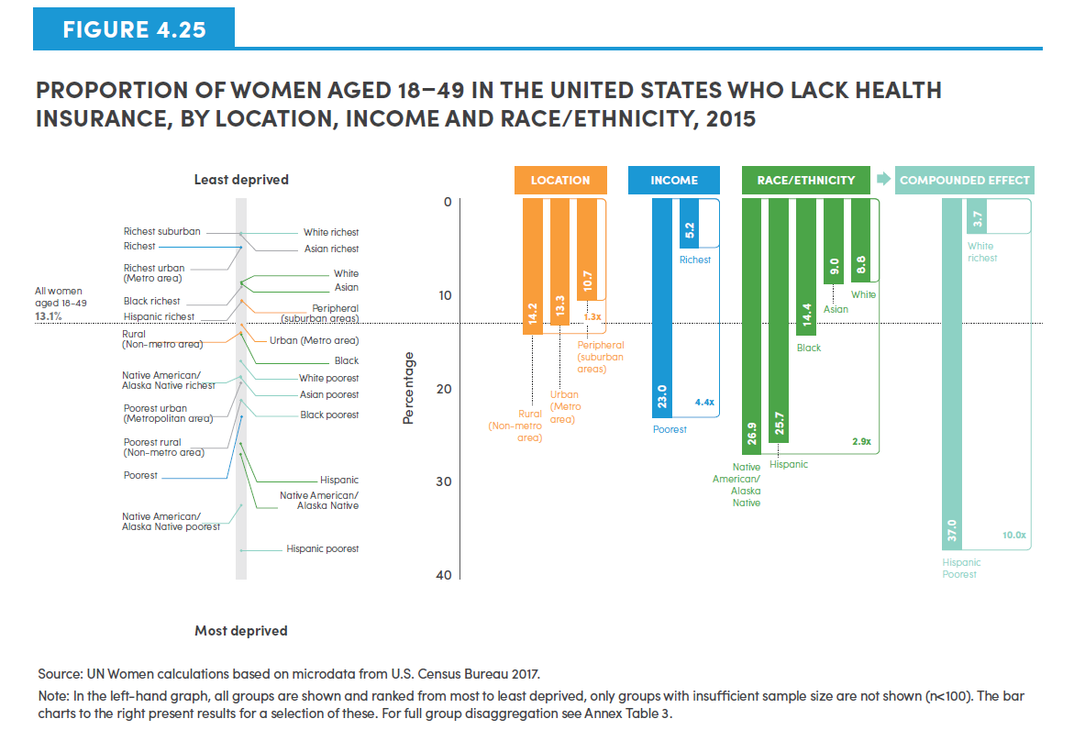
Select groups | Proportion
White richest | 3.7
Richest suburban | 3.7
Asian richest | 3.8
Richest | 5.2
Richest urban (Metro area) | 5.3
White | 8.8
Asian | 9.0
Black richest | 9.4
Peripheral (suburban areas) | 10.7
Hispanic richest | 10.9
All women aged 18-49 | 13.1
Urban (Metro area) | 13.3
Rural (Non-metro area) | 14.2
Black | 14.4
White poorest | 17.2
Native American/Alaska Native richest | 18.7
Asian poorest | 18.9
Poorest urban (Metropolitan area) | 19.4
Poorest rural (non-metro area) | 21.2
Black poorest | 21.2
Poorest | 23.0
Hispanic | 25.7
Native American/Alsaka Native | 26.9
Native American/Alaska native poorest | 32.2
Hispanic poorest | 37.0

Location ratio | 1.3
Income ratio | 4.4
Race/Ethnicity ratio | 2.9
Compounded Effect | 10.0

Figure 4.26
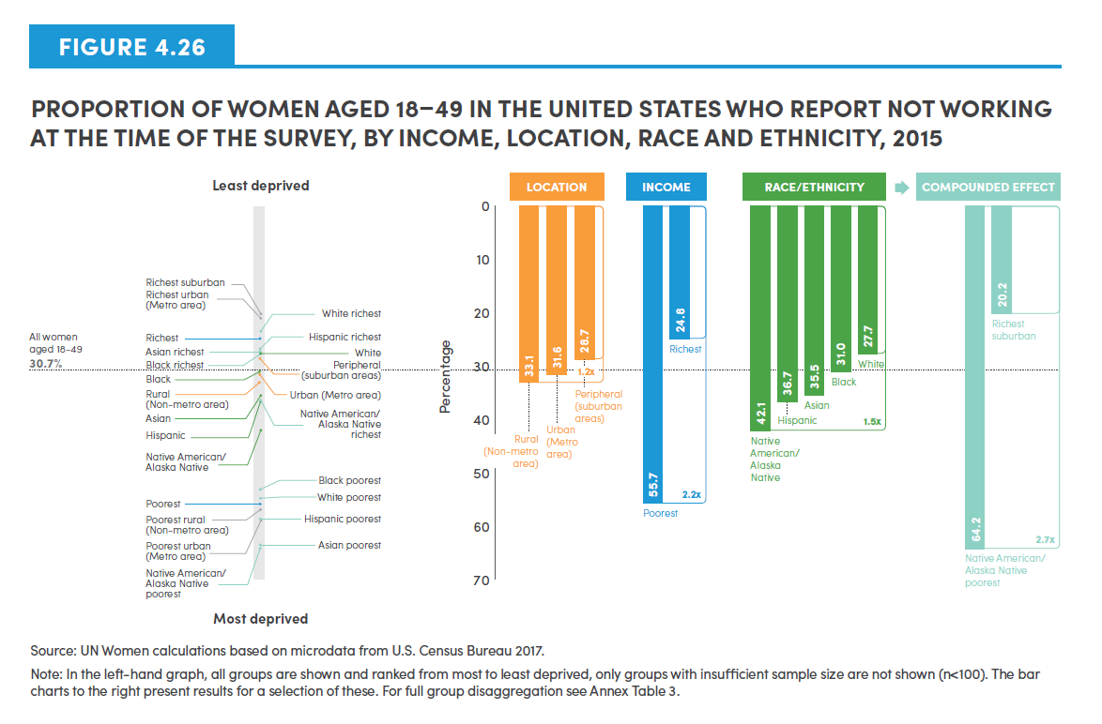
Select groups | Proportion
Richest suburban | 20.2
Richest urban (Metro area) | 23.0
White richest | 23.5
Richest | 24.8
Hispanic richest | 26.9
Asian richest | 27.3
White | 27.7
Black richest | 27.8
Peripheral (suburban areas) | 28.7
All women aged 18-49 | 30.7
Black | 31.0
Urban (Metro area) | 31.6
Rural (Non-metro area) | 33.1
Asian | 35.5
Native American/Alaska Native richest | 36.2
Hispanic | 36.7
Native American/Alsaka Native | 42.1
Black poorest | 53.1
White poorest | 54.8
Poorest | 55.7
Poorest rural (non-metro area) | 56.8
Hispanic poorest | 58.6
Poorest urban (Metro area) | 58.9
Asian poorest | 63.6
Native American/Alaskan Native poorest | 64.2

Location ratio | 1.2
Income ratio | 2.2
Race/Ethnicity ratio | 1.5
Compounded effect | 2.7

Figure 4.27
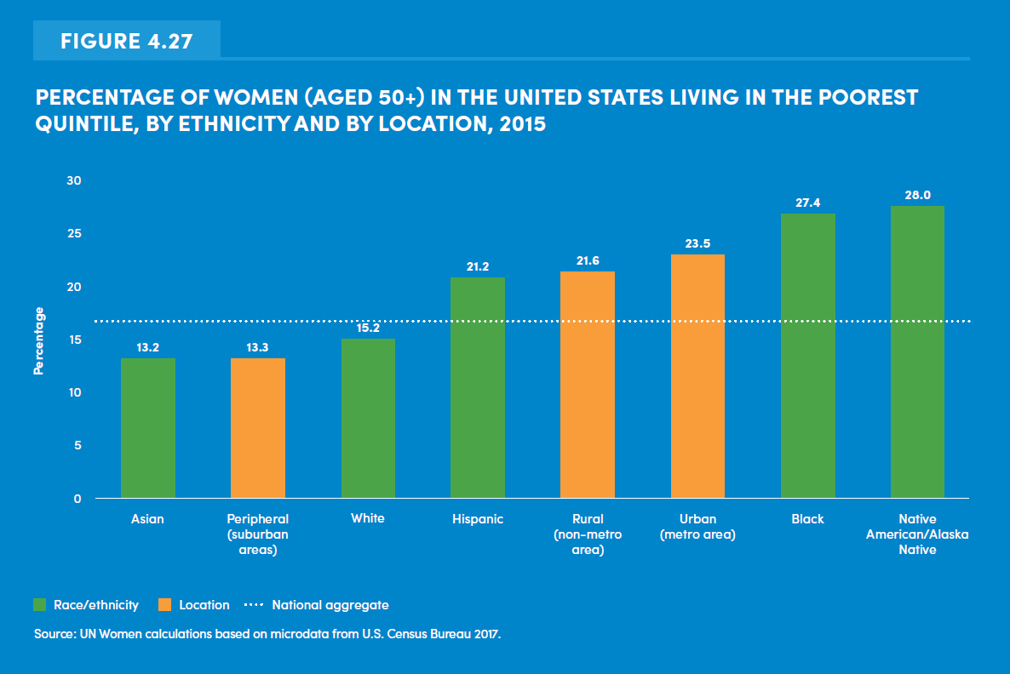
Select groups | Proportion
Asian | 13.2
Peripheral (suburban areas) | 13.3
White | 15.2
National aggregate | 17.1
Hispanic | 21.2
Rural (non-metro area) | 21.6
Urban (metro area) | 23.5
Black | 27.4
Native American/Alaska Native | 28

Figure 4.28
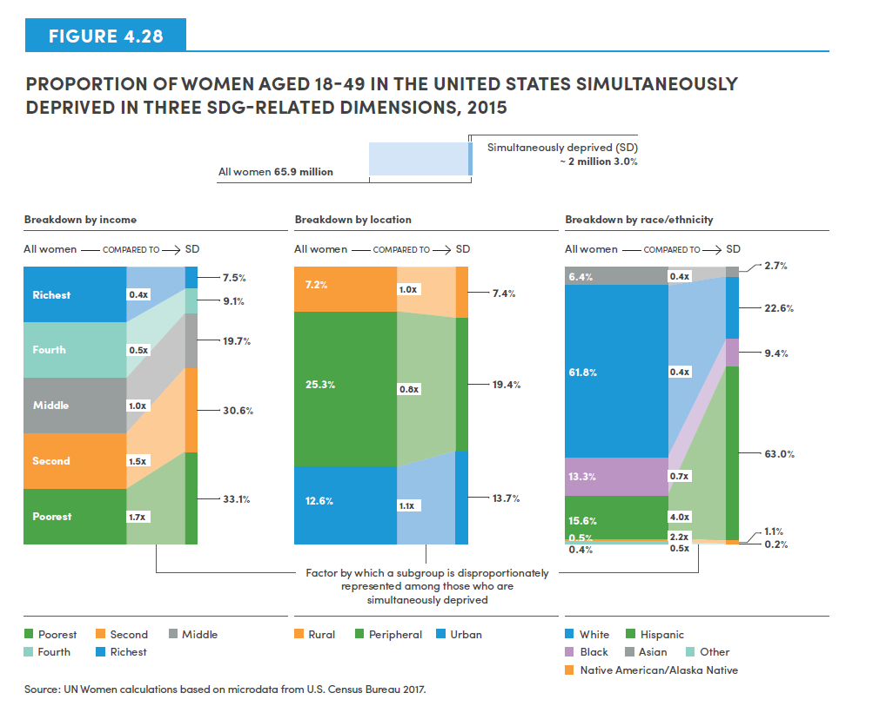
 | ALL WOMEN (18-49) | 65.9 Million
 | Simultaneously deprived | ~ 2.0 Million (3%)

Breakdown by Income | Wealth breakdown of all women aged 18-49 | Factor by which a subgroup is disproportunately represented among those who are simultaneously deprived | Wealth breakdown of women aged 18-49 simultaneously deprived

Poorest | 20 | 1.7 | 33.1
Second | 20 | 1.5 | 30.6
Middle | 20 | 1.0 | 19.7
Fourth | 20 | 0.5 | 9.1
Richest | 20 | 0.4 | 7.5

Breakdown by Location | Location breakdown of all women aged 18-49 | Factor by which a subgroup is disproportunately represented among those who are simultaneously deprived | Location breakdown of women aged 18-49 simultaneously deprived

Urban (metro area) | 12.6 | 1.1 | 13.7
Peripheral (suburban areas) | 25.3 | 0.8 | 19.4
Rural (Non-metro area) | 7.2 | 1.0 | 7.4

Breakdown by Race/Ethnicity | Ethnicity breakdown of all women aged 18-49 | Factor by which a subgroup is disproportunately represented among those who are simultaneously deprived | Ethnicity breakdown of women aged 18-49 simultaneously deprived

White | 61.8 | 0.4 | 22.6
Hispanic | 15.6 | 4.0 | 63.0
Black | 13.3 | 0.7 | 9.4
Native American/Alsaka Native | 0.5 | 2.2 | 1.1
Asian | 6.4 | 0.4 | 2.7
Other | 0.4 | 0.5 | 0.2

Figure 4.29
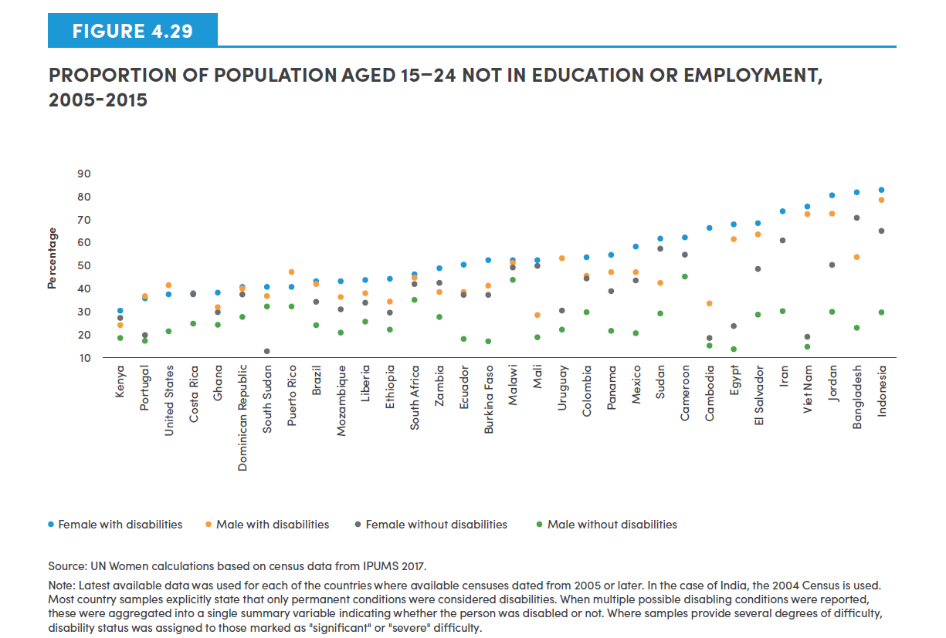
Country | Female with disabilities | Male with disabilities | Female without disabilities | Male without disabilities
Kenya | 23.3 | 16.8 | 20 | 10.1
Portugal | 29.8 | 30.7 | 11.6 | 9
USA | 31.7 | 35.9 | 13.4 | 13.9
Costa Rica | 32.1 | 31.1 | 30.9 | 17.2
Ghana | 32.7 | 25.6 | 23.1 | 16.4
Dominican Republic | 34.8 | 33.9 | 31.6 | 20.4
South Sudan | 34.8 | 30.9 | 3.2 | 25.5
Puerto Rico | 35.5 | 42.3 | 25.7 | 25.8
Brazil | 37.6 | 36.1 | 27.9 | 16.5
Mozambique | 38 | 30.7 | 25 | 12.7
Liberia | 38.6 | 31.8 | 27.3 | 18.2
Ethiopia | 39.3 | 28.3 | 23 | 14.4
South Africa | 41.2 | 39.7 | 36.3 | 29.1
Zambia | 44.7 | 32.7 | 37.1 | 20.6
Ecuador | 45.8 | 32.3 | 31.1 | 9.8
Burkina | 47.8 | 36 | 31.6 | 8.6
Malawi | 48.2 | 46.8 | 44.8 | 38.1
Mali | 48.8 | 21.6 | 46 | 10.6
Uruguay | 48.8 | 48.8 | 23.9 | 14.3
Colombia | 49.6 | 40.8 | 39.5 | 22.2
Panama | 50.5 | 42.1 | 33.3 | 13.9
Mexico | 54.8 | 42.6 | 37.9 | 12.8
Sudan | 59.1 | 36.8 | 54.1 | 22.7
Cameroon | 59.9 | 51.1 | 50.6 | 40.6
Cambodia | 64.2 | 27.1 | 10.2 | 6.6
Egypt | 65.7 | 58.3 | 16.3 | 4.6
El Salvador | 66.3 | 61.3 | 43.8 | 22
Iran | 72.7 | 57.5 | 57.5 | 23.4
Vietnam | 74.2 | 70.7 | 10.7 | 6.1
Jordan | 79.9 | 71.4 | 46.2 | 23.1
Bangladesh | 81.5 | 49.6 | 68.2 | 15.3
Indonesia | 82.7 | 77.3 | 62.5 | 23

