Figure 3.1
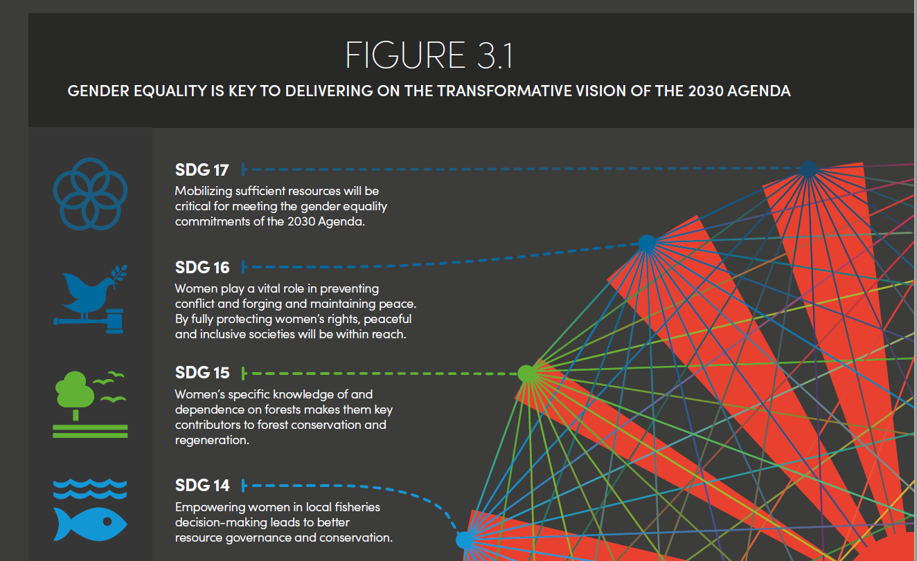

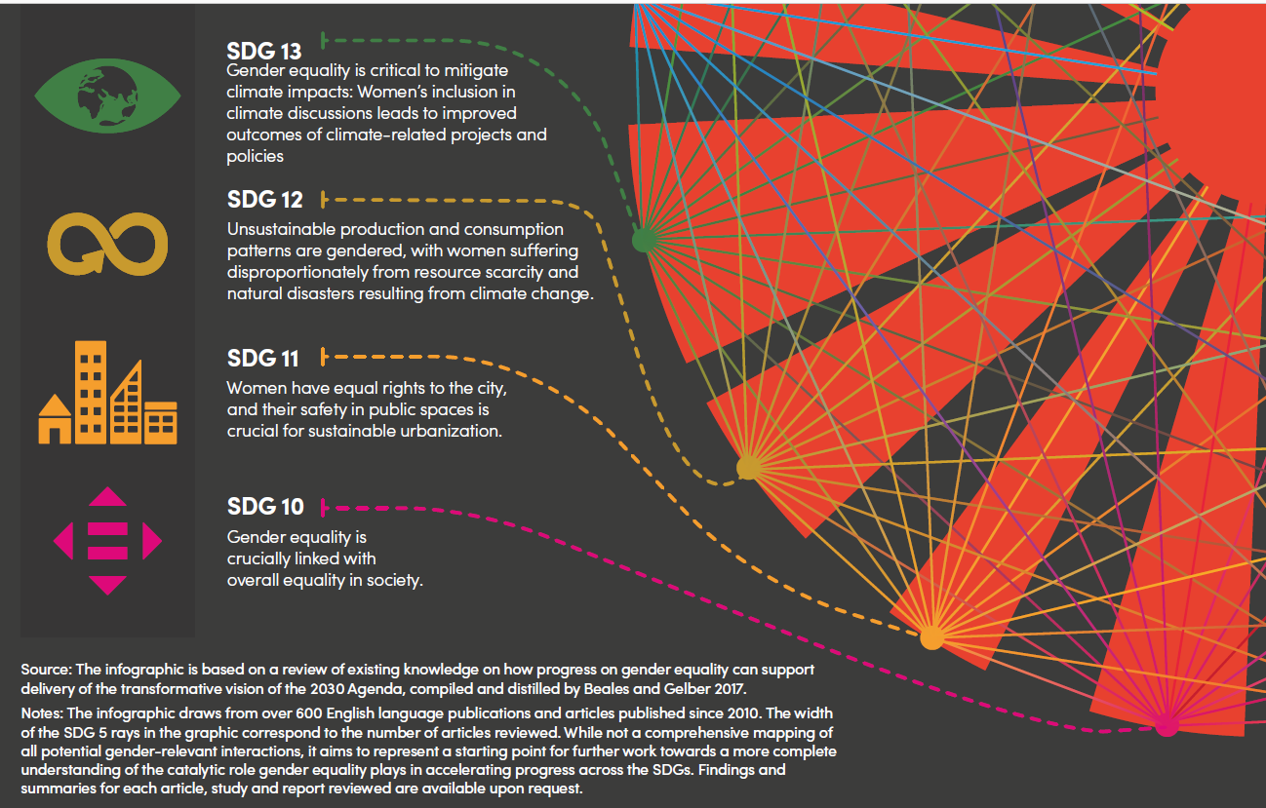

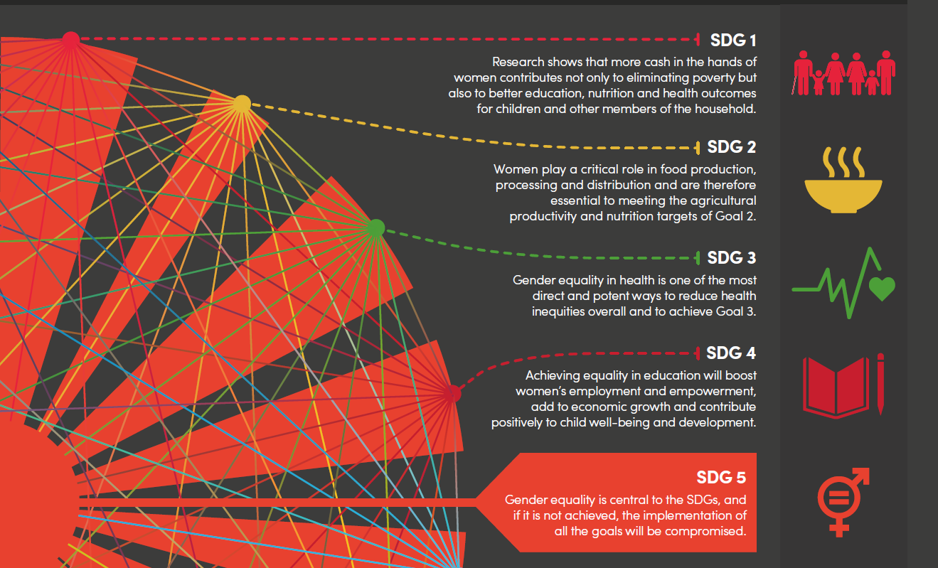

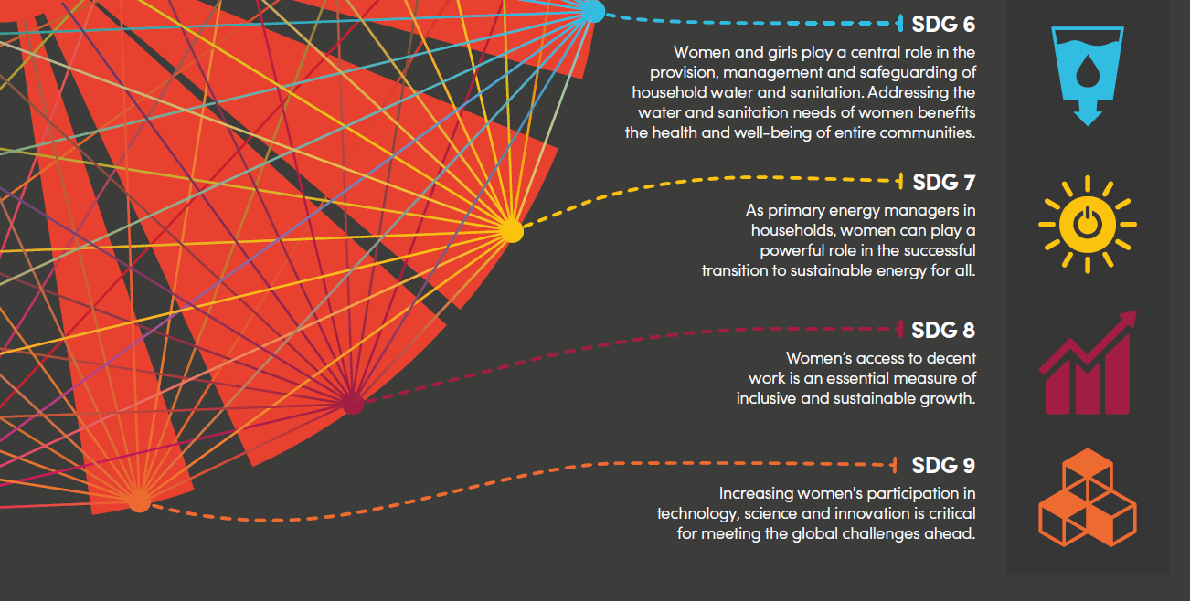

Figure 3.2
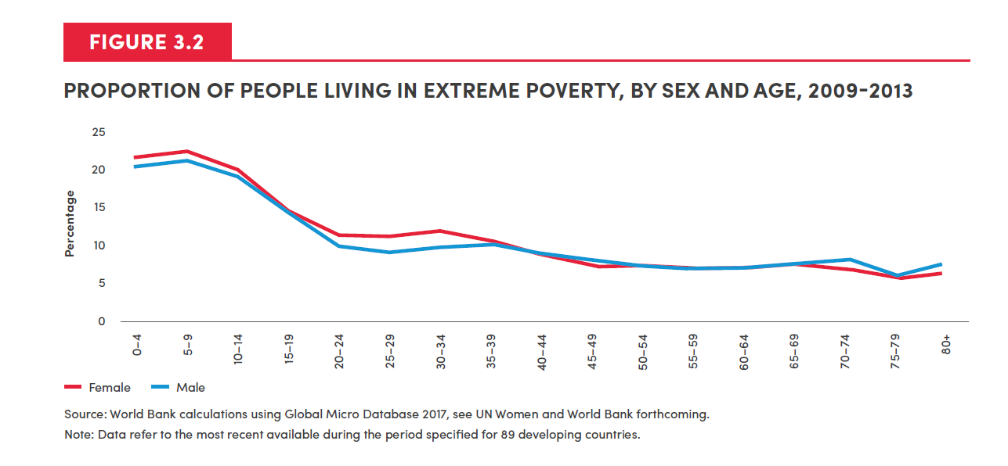
Age | Female | Male
0-4 | 21.65 | 20.41
5-9 | 22.15 | 21.10
10-14 | 19.59 | 18.78
15-19 | 14.23 | 13.93
20-24 | 11.25 | 9.62
25-29 | 11.32 | 9.12
30-34 | 11.83 | 9.80
35-39 | 10.46 | 10.11
40-44 | 8.52 | 8.73
45-49 | 7.21 | 8.01
50-54 | 7.24 | 7.11
55-59 | 6.80 | 6.97
60-64 | 7.05 | 6.91
65-69 | 7.23 | 7.83
70-74 | 6.73 | 8.04
75-79 | 5.56 | 5.83
80+ | 6.20 | 7.83

Figure 3.3
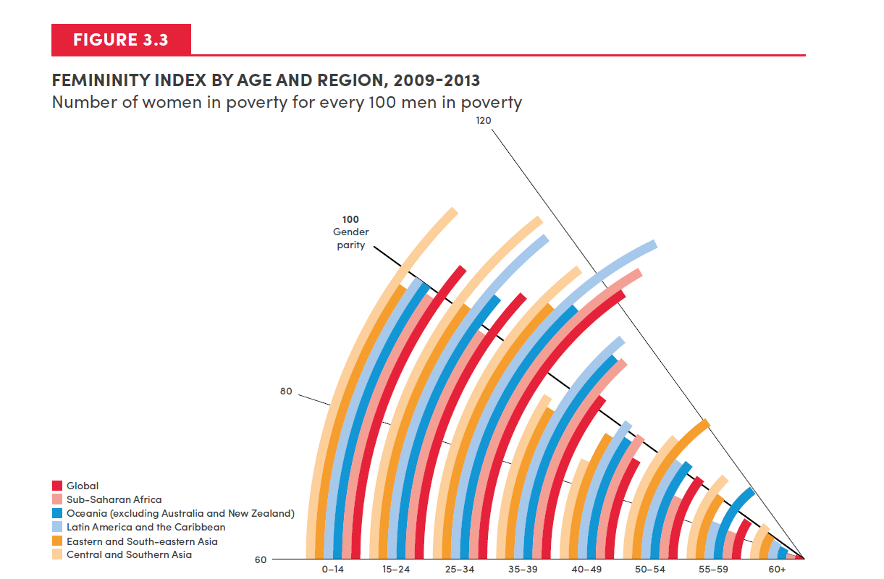
 | Feminity Index by Age
SDG Regions | 0-14 | 15-24 | 25-34 | 35-39 | 40-49 | 50-54 | 55-59 | 60+
Central and Southern Asia | 110 | 118 | 118 | 96 | 87 | 108 | 111 | 106
Eastern and South-eastern Asia | 98 | 101 | 110 | 94 | 96 | 121 | 101 | 99
Latin America and Caribbean | 100 | 117 | 132 | 116 | 102 | 102 | 85 | 96
Oceania (excluding Australia and New Zealand) | 100 | 105 | 113 | 112 | 98 | 104 | 119 | 92
Sub-Saharan Africa | 99 | 99 | 127 | 113 | 101 | 89 | 83 | 79
Global | 105 | 108 | 122 | 103 | 94 | 102 | 98 | 92

Figure 3.4
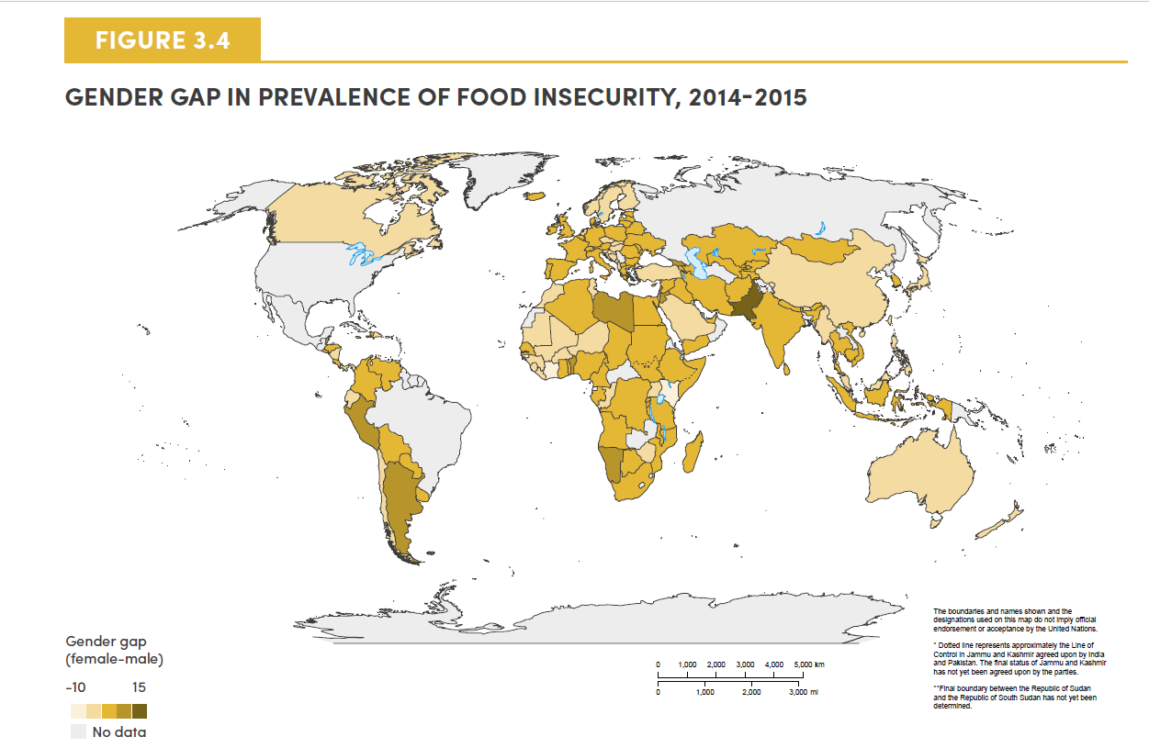
Country | Female | Male | Gender gap (f-m)
Albania | 35.44 | 39.84 | -4.4
Armenia | 20.69 | 18.54 | 2.2
Azerbaijan | 6.12 | 5.72 | 0.4
Belarus | 8.77 | 8.08 | 0.7
Bosnia and Herzegovina | 10.85 | 11.35 | -0.5
Bulgaria | 16.16 | 11.98 | 4.2
Croatia | 5.62 | 7.6 | -1.98
Cyprus | 17.24 | 12.77 | 4.5
Czech Republic | 6.51 | 7.09 | -0.58
Estonia | 8.76 | 7.19 | 1.6
FYROM | 13.64 | 12.78 | 0.9
Georgia | 31.12 | 25.1 | 6.0
Hungary | 8.66 | 9.99 | -1.33
Kazakhstan | 7.54 | 7.48 | 0.1
Kyrgyzstan | 22.31 | 19.13 | 3.2
Latvia | 9.82 | 9.82 | 0
Lithuania | 13.89 | 13.72 | 0.2
Montenegro | 11.23 | 13.04 | -1.81
Poland | 9.83 | 9.32 | 0.5
Republic of Moldova | 12.76 | 12.26 | 0.5
Romania | 19.33 | 18.46 | 0.9
Slovakia | 4.92 | 6.85 | -1.93
Slovenia | 11.64 | 12.83 | -1.19
Tajikistan | 13.06 | 12.82 | 0.2
Turkey | 31.64 | 31.99 | -0.35
Ukraine | 18.75 | 13.76 | 5.0
Uzbekistan | 15.03 | 11.93 | 3.1
Australia | 8.68 | 11.45 | -2.8
Austria | 6.31 | 4.36 | 1.9
Belgium | 8.83 | 6.86 | 2.0
Canada | 8.22 | 8.4 | -0.18
Denmark | 5.84 | 3.91 | 1.9
Finland | 8.87 | 9.56 | -0.69
France | 7.07 | 5.9 | 1.2
Germany | 3.91 | 3.3 | 0.6
Greece | 13.79 | 11.92 | 1.9
Iceland | 10.93 | 7 | 3.9
Ireland | 10.93 | 9.26 | 1.7
Israel | 5.32 | 5.63 | -0.31
Italy | 7.95 | 7.01 | 0.9
Japan | 1.43 | 2.67 | -1.24
Luxembourg | 4.72 | 5.88 | -1.16
Malta | 4.95 | 5.85 | -0.9
Netherlands | 4.69 | 5.38 | -0.69
New Zealand | 5.67 | 8.1 | -2.43
Norway | 4.13 | 5.15 | -1.02
Portugal | 14.79 | 14.79 | 0
Spain | 6.12 | 6.06 | 0.1
Sweden | 4.37 | 4.69 | -0.32
Switzerland | 4.36 | 3.37 | 1.0
United Kingdom of Great Britain and Northern Ireland | 9.99 | 9.04 | 1.0
Cambodia | 50.24 | 46.29 | 4.0
China | 3.9 | 4.39 | -0.49
China, Hong Kong SAR | 8.37 | 9.21 | -0.84
Indonesia | 17.38 | 16.64 | 0.7
Malaysia | 16.41 | 16.59 | -0.18
Mongolia | 18.57 | 16.79 | 1.8
Myanmar | 12.72 | 12.87 | -0.15
Philippines | 42.43 | 45.85 | -3.42
Republic of Korea | 6.61 | 6.21 | 0.4
Singapore | 3.84 | 2.39 | 1.4
Thailand | 7.98 | 5.11 | 2.9
Viet Nam | 16.56 | 15.1 | 1.5
Argentina | 16.79 | 10.28 | 6.5
Belize | 33.03 | 23.23 | 9.8
Bolivia | 27.81 | 27.75 | 0.1
Chile | 13.33 | 13.64 | -0.31
Colombia | 25.91 | 24.99 | 0.9
Costa Rica | 20.93 | 20.64 | 0.3
Dominican Republic | 52.17 | 53.55 | -1.38
Ecuador | 25.27 | 25.56 | -0.29
El Salvador | 40.89 | 36.27 | 4.6
Haiti | 83.39 | 78.52 | 4.9
Honduras | 55.84 | 52.05 | 3.8
Jamaica | 45.11 | 42.08 | 3.0
Nicaragua | 44.1 | 44.13 | -0.03
Panama | 30.13 | 30.53 | -0.4
Paraguay | 20.36 | 18.33 | 2.0
Peru | 36.94 | 29.38 | 7.6
Uruguay | 16.16 | 15.66 | 0.5
Venezuela (Bolivarian Republic of) | 33.01 | 30.89 | 2.1
Algeria | 7.01 | 5.83 | 1.2
Bahrain | 16.46 | 16.97 | -0.51
Egypt | 26.1 | 21.24 | 4.9
Iraq | 43.1 | 42.51 | 0.6
Jordan | 31.23 | 24.95 | 6.3
Kuwait | 10 | 13.57 | -3.57
Lebanon | 7.86 | 5.71 | 2.2
Libya | 34.84 | 25.39 | 9.5
Morocco | 25.43 | 26.73 | -1.3
Saudi Arabia | 21.69 | 23.99 | -2.3
State of Palestine | 29.31 | 27.6 | 1.7
Syrian Arab Republic | 48.71 | 44.16 | 4.6
Tunisia | 18.58 | 19.12 | -0.54
United Arab Emirates | 13.98 | 11.3 | 2.7
Yemen | 44.85 | 42.32 | 2.5
Afghanistan | 47.57 | 44.14 | 3.4
Bangladesh | 29.76 | 29.1 | 0.7
Bhutan | 2.49 | 2.67 | -0.18
India | 24.1 | 20.94 | 3.2
Iran (Islamic Republic of) | 50.35 | 47.14 | 3.2
Nepal | 26.04 | 24.5 | 1.5
Pakistan | 48.1 | 36.62 | 11.5
Sri Lanka | 21.7 | 21.04 | 0.7
United Republic of Tanzania | 56.23 | 52.54 | 3.7
Angola | 65.88 | 61.07 | 4.8
Benin | 58.14 | 52.97 | 5.2
Botswana | 58.54 | 54.11 | 4.4
Burkina Faso | 41.86 | 42.15 | -0.29
Burundi | 80.6 | 78.19 | 2.4
Cameroon | 54.29 | 53.53 | 0.8
Chad | 65.65 | 63.17 | 2.5
Congo | 61.47 | 62.2 | -0.73
Côte d'Ivoire | 48.17 | 55.32 | -7.15
Democratic Republic of the Congo | 72.75 | 71.82 | 0.9
Ethiopia | 49.53 | 48.69 | 0.8
Gabon | 59.37 | 57.91 | 1.5
Ghana | 53.04 | 49.43 | 3.6
Guinea | 69.44 | 69.97 | -0.53
Kenya | 53.33 | 58.55 | -5.22
Liberia | 85.22 | 87.57 | -2.35
Madagascar | 53.61 | 51.96 | 1.6
Malawi | 85.81 | 84.66 | 1.2
Mali | 23.84 | 25.8 | -1.96
Mauritania | 25.94 | 26.7 | -0.76
Mauritius | 9.25 | 9.55 | -0.3
Mozambique | 65.04 | 60.89 | 4.2
Namibia | 65.73 | 56.83 | 8.9
Niger | 56.49 | 60.51 | -4.02
Nigeria | 53.57 | 52.82 | 0.8
Rwanda | 48.73 | 45.25 | 3.5
Senegal | 30.48 | 30.27 | 0.2
Sierra Leone | 75.7 | 80.25 | -4.55
Somalia | 48.72 | 48.32 | 0.4
South Africa | 43.23 | 41.86 | 1.4
South Sudan | 91.82 | 91.33 | 0.5
Sudan | 45.17 | 43.94 | 1.2
Togo | 66.18 | 62.71 | 3.5
Uganda | 65.77 | 68.36 | -2.59
Zambia | 76.87 | 75.5 | 1.4
Zimbabwe | 60.93 | 60.98 | -0.05
Total | 29.40 | 28.28 | 1.1

Figure 3.5
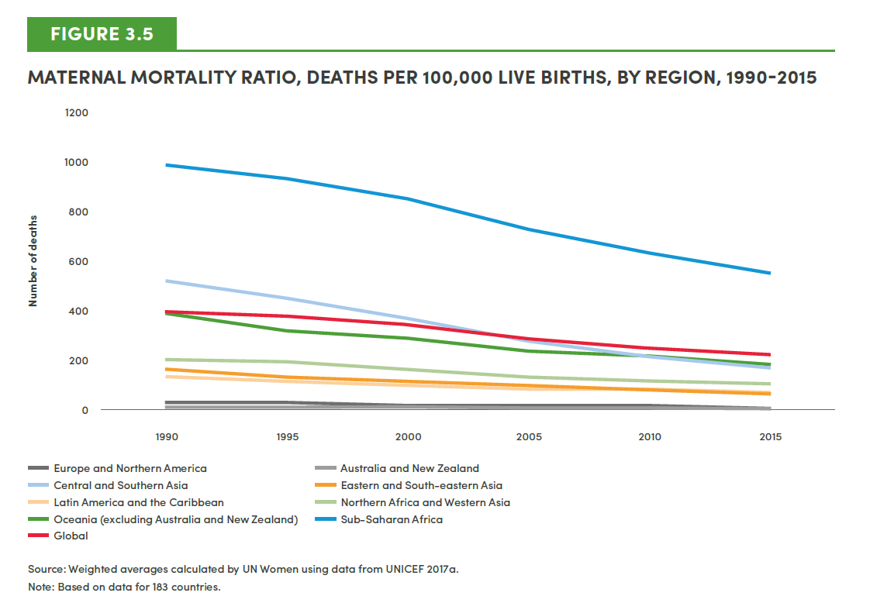
SDG Regions | 1990 | 1995 | 2000 | 2005 | 2010 | 2015
Europe and Northern America | 25 | 23 | 18 | 16 | 14 | 13
Australia and New Zealand | 10 | 9 | 10 | 8 | 7 | 7
Central Asia and Southern Asia | 519 | 448 | 368 | 280 | 214 | 170
Eastern Asia and South-eastern Asia | 160 | 129 | 113 | 94 | 74 | 59
Latin America and the Caribbean | 135 | 116 | 99 | 86 | 80 | 68
Northern Africa and Western Asia | 210 | 192 | 166 | 136 | 117 | 105
Oceania (excluding Australia and New Zealand) | 391 | 319 | 292 | 240 | 207 | 188
Sub-Saharan Africa | 997 | 938 | 858 | 735 | 635 | 556
Global | 386 | 369 | 341 | 280 | 246 | 216

Figure 3.6
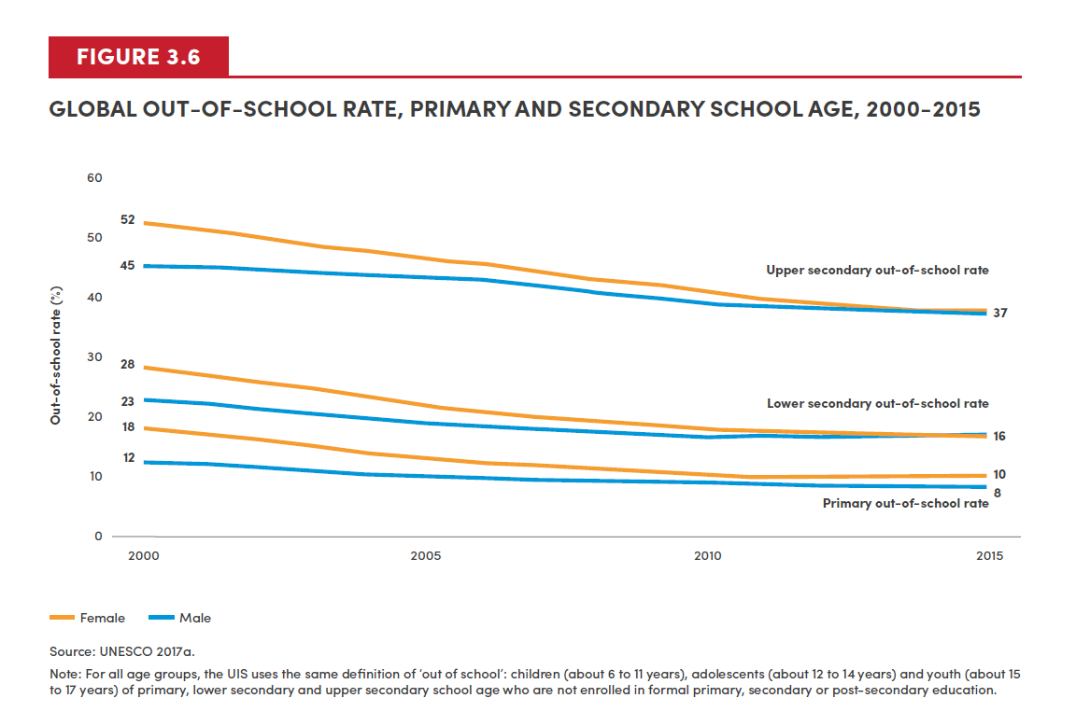
Out-of-school rate |  | 2000 | 2001 | 2002 | 2003 | 2004 | 2005 | 2006 | 2007 | 2008 | 2009 | 2010 | 2011 | 2012 | 2013 | 2014 | 2015
Primary out-of -school rate | Female | 18 | 17 | 16 | 14 | 13 | 13 | 12 | 11 | 10 | 10 | 10 | 10 | 10 | 10 | 10 | 10
 | Male | 12 | 12 | 11 | 11 | 10 | 10 | 10 | 8 | 8 | 9 | 9 | 9 | 8 | 8 | 8 | 8
Lower secondary out-of-school rate | Female | 28 | 27 | 25 | 23 | 22 | 22 | 21 | 20 | 19 | 19 | 18 | 17 | 16 | 16 | 16 | 16
 | Male | 23 | 22 | 21 | 19 | 19 | 19 | 18 | 17 | 17 | 17 | 16 | 17 | 16 | 16 | 16 | 16
Upper secondary out-of-school rate | Female | 52 | 51 | 50 | 48 | 47 | 46 | 45 | 44 | 43 | 42 | 41 | 39 | 39 | 38 | 38 | 37
 | Male | 45 | 45 | 44 | 44 | 43 | 43 | 43 | 41 | 40 | 40 | 39 | 38 | 38 | 37 | 37 | 37

Figure 3.7
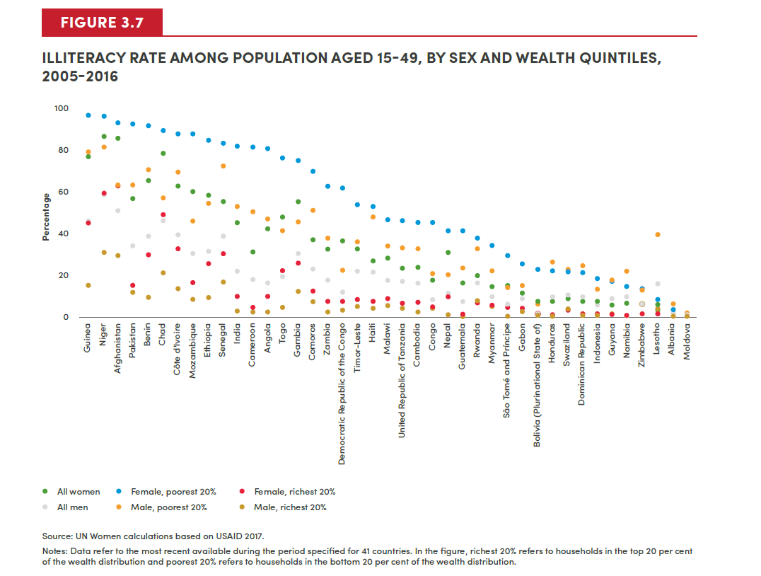
Country | All Women | Female, poorest 20% | Female, richest 20% | All Men | Male, poorest 20% | Male, richest 20%
Guinea | 76 | 96 | 46 | 46 | 79 | 15
Niger | 86 | 96 | 59 | 58 | 81 | 31
Afghanistan | 85 | 93 | 63 | 51 | 63 | 29
Pakistan | 56 | 92 | 15 | 34 | 63 | 12
Benin | 65 | 91 | 30 | 39 | 70 | 10
Chad | 78 | 89 | 49 | 46 | 57 | 21
Cote d'Ivoire | 62 | 87 | 32 | 39 | 69 | 14
Mozambique | 60 | 87 | 16 | 30 | 46 | 8
Ethiopia | 58 | 84 | 25 | 31 | 54 | 9
Senegal | 55 | 83 | 30 | 38 | 72 | 16
India | 45 | 81 | 10 | 22 | 53 | 3
Cameroon | 31 | 81 | 4 | 18 | 50 | 2
Angola | 42 | 80 | 10 | 16 | 47 | 2
Togo | 48 | 76 | 22 | 19 | 41 | 4
Gambia | 55 | 75 | 26 | 30 | 45 | 12
Comoros | 37 | 69 | 12 | 23 | 51 | 7
Zambia | 33 | 62 | 7 | 17 | 38 | 2
Congo Democratic Republic | 36 | 62 | 7 | 12 | 22 | 3
Timor-Leste | 32 | 54 | 8 | 21 | 36 | 5
Haiti | 26 | 53 | 7 | 21 | 48 | 4
Malawi | 28 | 47 | 9 | 17 | 34 | 5
Tanzania | 23 | 46 | 6 | 17 | 33 | 4
Cambodia | 24 | 45 | 7 | 16 | 33 | 3
Congo | 18 | 45 | 5 | 8 | 21 | 4
Nepal | 31 | 41 | 10 | 11 | 20 | 1
Guatemala | 16 | 41 | 1 | 8 | 23 | 0
Rwanda | 20 | 38 | 7 | 16 | 32 | 7
Myanmar | 15 | 34 | 5 | 10 | 22 | 5
Sao Tome and Principe | 15 | 29 | 5 | 6 | 14 | 0
Gabon | 11 | 25 | 4 | 9 | 15 | 2
Bolivia | 7 | 23 | 1 | 2 | 6 | 0
Honduras | 7 | 22 | 1 | 10 | 26 | 0
Swaziland | 9 | 21 | 3 | 10 | 23 | 4
Dominican Republic | 7 | 21 | 1 | 10 | 25 | 1
Indonesia | 7 | 18 | 1 | 6 | 13 | 1
Guyana | 6 | 17 | 2 | 9 | 17 | 2
Namibia | 7 | 14 | 1 | 10 | 21 | 1
Zimbabwe | 6 | 14 | 1 | 6 | 13 | 1
Lesotho | 3 | 8 | 1 | 16 | 39 | 4
Albania | 2 | 3 | 0 | 2 | 6 | 0
Moldova | 0 | 0 | 0 | 0 | 2 | 0

Figure 3.8
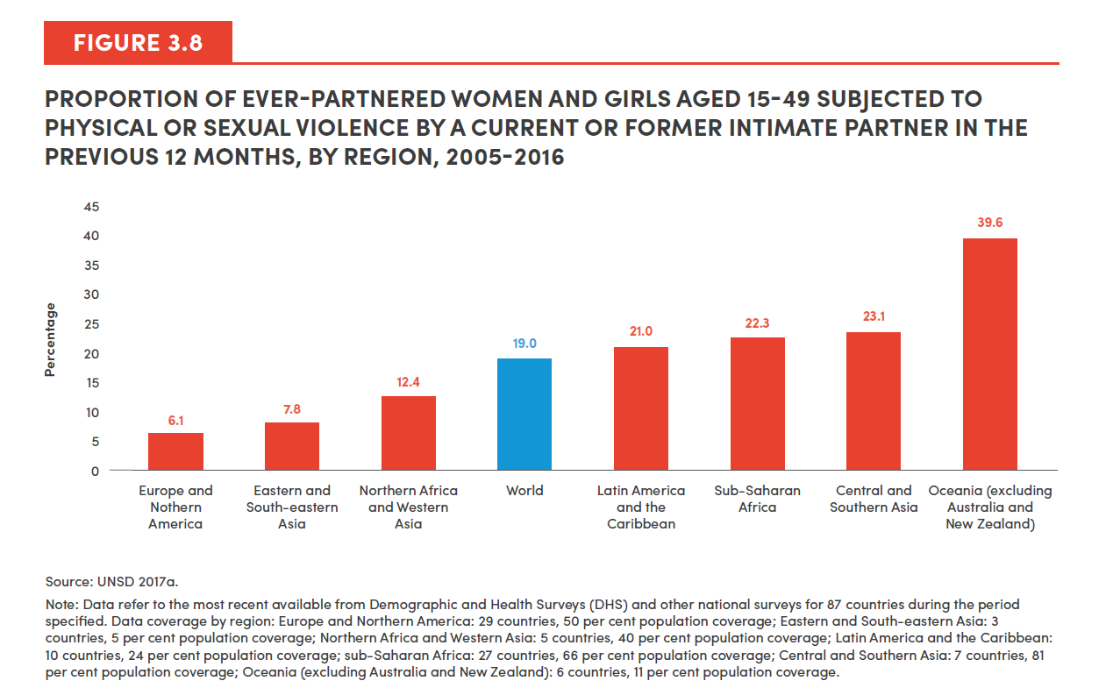
SDG Region | 2016
Europe and Northern America | 6.1
Eastern and South-eastern Asia | 7.8
Northern Africa and Western Asia | 12.4
World | 19.0
Latin America and the Caribbean | 21.0
Sub-Saharan Africa | 22.3
Central and Southern Asia | 23.1
Oceania (excluding Australia and New Zealand) | 39.6

Figure 3.9
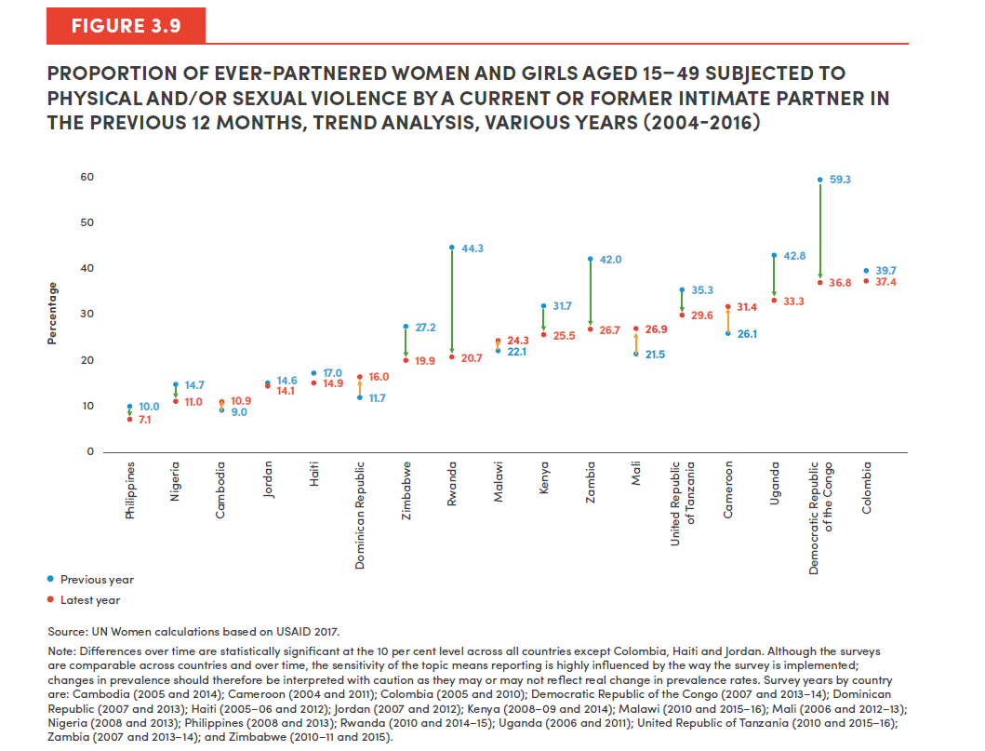
Country | Previous Year | Latest Year
Philippines | 10.0 | 7.1
Nigeria | 14.7 | 11.0
Cambodia | 9.0 | 10.9
Jordan | 14.6 | 14.1
Haiti | 17.0 | 14.9
Dominican Republic | 11.7 | 16.0
Zimbabwe | 27.2 | 19.9
Colombia | 39.7 | 37.4
Rwanda | 44.3 | 20.7
Malawi | 22.1 | 24.3
Kenya | 31.7 | 25.5
Zambia | 42.0 | 26.7
Mali | 21.5 | 26.9
United Republic of Tanzania | 35.3 | 29.6
Cameroon | 26.1 | 31.4
Uganda | 42.8 | 33.3
Democratic Republic of the Congo | 59.3 | 36.8

Figure 3.10
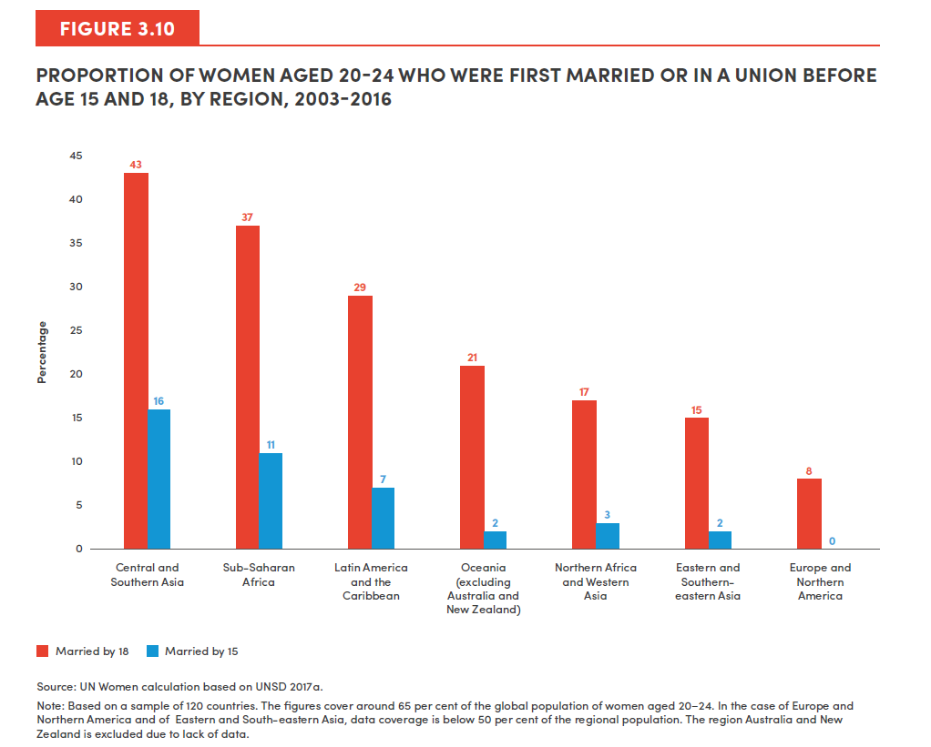
SDG Region | Married by 18 | Married by 15
Central Asia and Southern Asia | 43 | 16
Sub-Saharan Africa | 37 | 11
Latin America and the Caribbean | 29 | 7
Oceania (excluding Australia and New Zealand) | 21 | 2
Northern Africa and Western Asia | 17 | 3
Eastern Asia and South-eastern Asia | 15 | 2
Europe and Northern America | 8 | 0

Figure 3.11
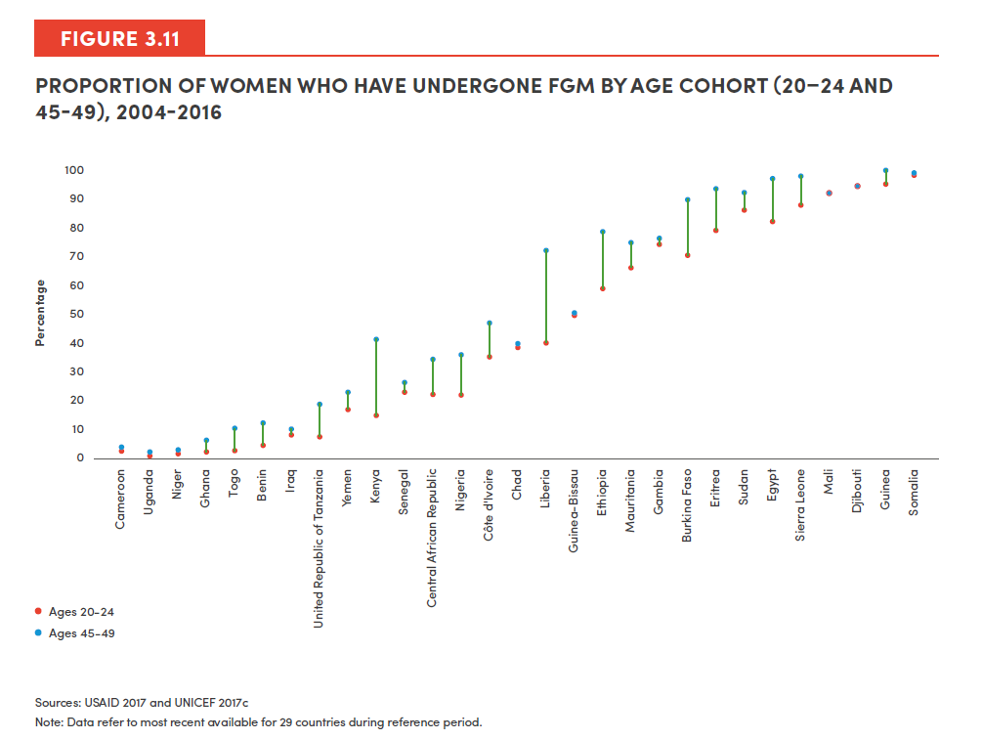
Country or Area Name | Year (Most Recent Survey) | Ages 20-24 | Ages 45-49
Cameroon | 2004 | 3 | 2
Uganda | 2011 | 1 | 2
Niger | 2012 | 2 | 1
Ghana | 2011 | 2 | 6
Togo | 2014 | 2 | 10
Benin | 2012 | 4 | 12
Iraq | 2011 | 8 | 10
United Republic of Tanzania | 2016 | 7 | 19
Yemen | 2013 | 17 | 23
Kenya | 2014 | 15 | 41
Senegal | 2016 | 23 | 26
Central African Republic | 2010 | 22 | 34
Nigeria | 2013 | 22 | 36
Côte d'Ivoire | 2012 | 35 | 47
Chad | 2015 | 38 | 39
Liberia | 2013 | 40 | 72
Guinea-Bissau | 2010 | 49 | 50
Ethiopia | 2016 | 59 | 79
Mauritania | 2011 | 66 | 75
Gambia | 2013 | 74 | 76
Burkina Faso | 2010 | 70 | 89
Eritrea | 2010 | 79 | 93
Sudan | 2014 | 86 | 92
Egypt | 2015 | 82 | 97
Sierra Leone | 2013 | 88 | 98
Mali | 2013 | 92 | 92
Djibouti | 2006 | 94 | 94
Guinea | 2012 | 95 | 100
Source: ICF International, 2018. STATcompiler. https://www.statcompiler.com. Accessed January 5 2018 and UNICEF. 2017. Global Database. https://data.unicef.org.
Notes: Data refers to most recent available for 29 countries during reference period.
Somalia | 2006 | 98 | 99

Figure 3.12
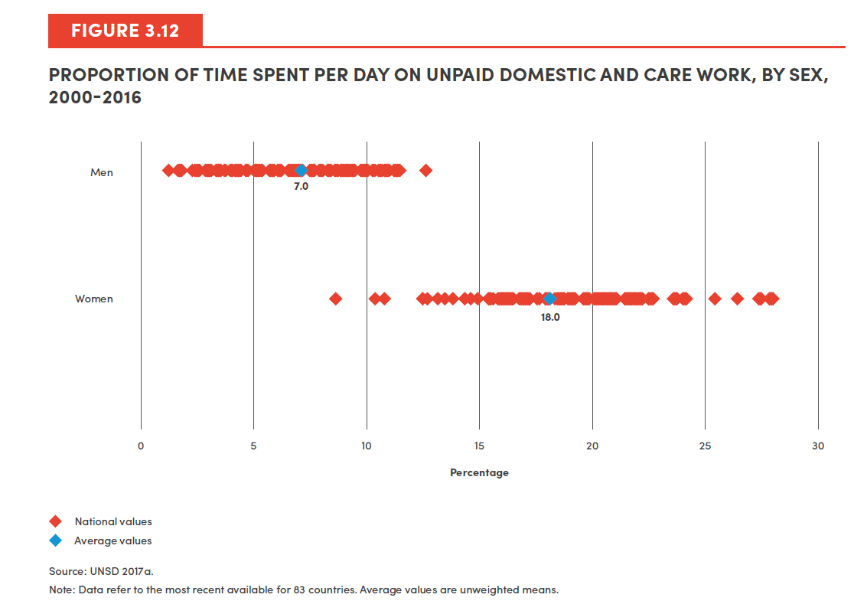
Country Name | Women | Country Name | Men
Malawi | 8.7 | Cambodia | 1.3
Lao People's Democratic Republic | 10.4 | Malawi | 1.3
Hong Kong SAR, China | 10.8 | Pakistan | 1.8
Cambodia | 12.5 | Lao PDR | 2.5
Thailand | 12.8 | Mali | 2.5
Bhutan | 13.3 | Tunisia | 2.7
Brazil | 13.3 | Japan | 2.9
Honduras | 13.5 | Morocco | 3.0
Norway | 13.8 | Palestine, State of | 3.1
Panama | 13.8 | Brazil | 3.1
Qatar | 13.8 | Korea, Republic of | 3.3
Luxembourg | 14.4 | Hong Kong SAR, China | 3.3
Republic of Korea | 14.4 | Thailand | 3.4
Netherlands | 14.7 | Albania | 3.5
United Kingdom of Great Britain and Northern Ireland | 14.7 | Costa Rica | 3.5
Japan | 14.9 | Turkey | 3.7
Ghana | 15.5 | Algeria | 3.8
Finland | 15.6 | Madagascar | 3.8
Lesotho | 15.6 | Iraq | 4.2
The former Yugoslav Republic of Macedonia | 15.6 | Armenia | 4.4
Denmark | 15.6 | Honduras | 4.4
Latvia | 15.6 | Tanzania, United Republic of | 4.4
Madagascar | 15.6 | Ecuador | 4.5
Belgium | 15.9 | Ghana | 4.6
Germany | 15.9 | Guatemala | 4.7
South Africa | 15.9 | Mauritius | 4.8
Percentage
United States of America | 15.9 | Bhutan | 5.1
Sweden | 16.0 | Iran, Islamic Republic of | 5.2
Réunion | 16.1 | Colombia | 5.3
Canada | 16.2 | Cuba | 5.4
China | 16.3 | Bolivia | 5.4
Cuba | 16.3 | Greece | 5.8
France | 16.4 | Macedonia, The former Yugoslav Republic of | 5.9
United Republic of Tanzania | 16.5 | Malaysia | 6.0
Kyrgyzstan | 16.8 | Lesotho | 6.2
Austria | 16.9 | Panama | 6.3
Kazakhstan | 17.1 | China | 6.3
Estonia | 17.2 | Italy | 6.7
Switzerland | 17.6 | South Africa | 6.7
Ecuador | 17.9 | Latvia | 6.9
New Zealand | 18.1 | Malta | 7.0
Colombia | 18.1 | Luxembourg | 7.1
Bulgaria | 18.5 | Qatar | 7.6
Lithuania | 18.7 | Kazakhstan | 7.7
Malta | 18.8 | Oman | 8.0
Costa Rica | 18.8 | United Kingdom | 8.1
Mauritius | 19.0 | Argentina | 8.2
Spain | 19.0 | Peru | 8.4
Republic of Moldova | 19.0 | Uruguay | 8.5
Oman | 19.0 | Spain | 8.6
Malaysia | 19.1 | Ethiopia | 8.7
State of Palestine | 19.2 | Austria | 8.7
Turkey | 19.2 | Azerbaijan | 8.9
Belarus | 19.2 | Ireland | 9.0
Greece | 19.2 | Lithuania | 9.0
Hungary | 19.8 | Mongolia | 9.1
Poland | 19.8 | Bulgaria | 9.2
Mongolia | 19.9 | Netherlands | 9.2
Pakistan | 19.9 | Romania | 9.3
Italy | 19.9 | Serbia | 9.4
Uruguay | 20.1 | Belarus | 9.5
Serbia | 20.2 | Kyrgyzstan | 9.5
Mali | 20.4 | France | 9.7
Romania | 20.4 | United States | 9.8
Ireland | 20.6 | Chile | 9.9
Slovenia | 20.6 | Norway | 9.9
Australia | 20.8 | Poland | 9.9
Bolivia (Plurinational State of) | 20.8 | Germany | 10.0
Morocco | 20.8 | Reunion | 10.0
Iran (Islamic Republic of) | 21.0 | Finland | 10.1
Armenia | 21.7 | Belgium | 10.1
Albania | 21.7 | Mexico | 10.1
Tunisia | 21.9 | Moldova, Republic of | 10.3
Algeria | 22.1 | Canada | 10.4
Ethiopia | 22.1 | New Zealand | 10.6
Chile | 22.2 | Hungary | 10.6
Peru | 22.6 | Estonia | 10.8
Argentina | 23.7 | Switzerland | 10.8
Iraq | 24.1 | Slovenia | 11.1
Azerbaijan | 25.4 | Denmark | 11.3
El Salvador | 26.4 | El Salvador | 11.3
Guatemala | 27.4 | Australia | 11.4
Mexico | 28.0 | Sweden | 12.6
Average Value | 18.0 | Average Value | 7.0

Figure 3.13
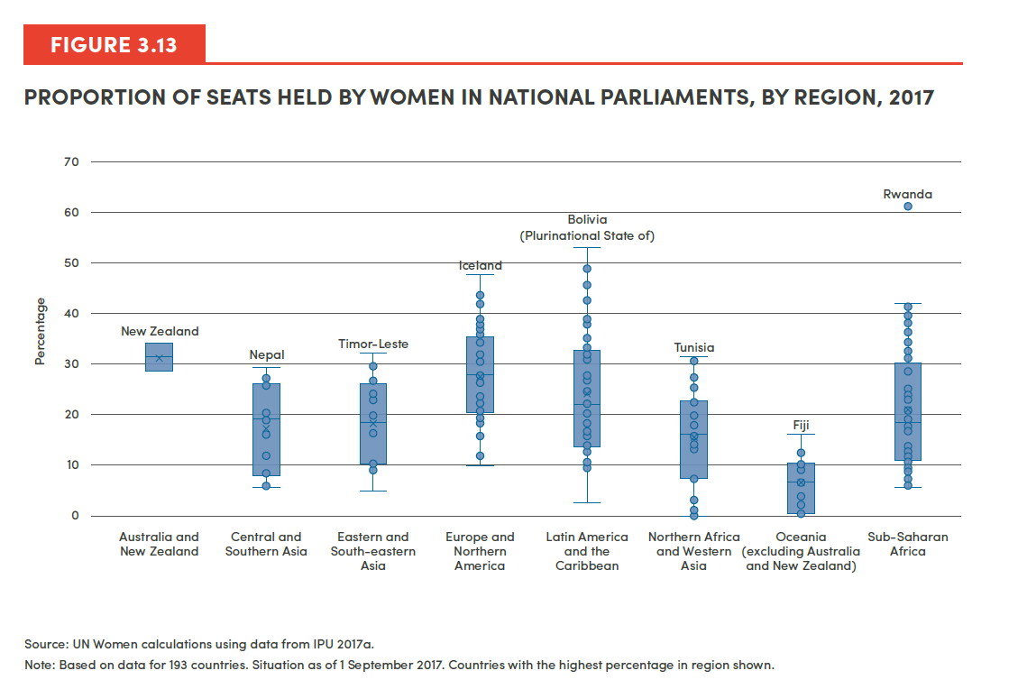
Country | SDG Region | Proportion of seats held by women in national parliaments in 2017
Australia | Australia and New Zealand | 28.7
New Zealand | Australia and New Zealand | 34.2
Afghanistan | Central Asia and Southern Asia | 27.7
Bangladesh | Central Asia and Southern Asia | 20.3
Bhutan | Central Asia and Southern Asia | 8.5
India | Central Asia and Southern Asia | 11.8
Iran (Islamic Republic of) | Central Asia and Southern Asia | 5.9
Kazakhstan | Central Asia and Southern Asia | 27.1
Kyrgyzstan | Central Asia and Southern Asia | 19.2
Maldives | Central Asia and Southern Asia | 5.9
Nepal | Central Asia and Southern Asia | 29.6
Pakistan | Central Asia and Southern Asia | 20.6
Sri Lanka | Central Asia and Southern Asia | 5.8
Tajikistan | Central Asia and Southern Asia | 19
Turkmenistan | Central Asia and Southern Asia | 25.8
Uzbekistan | Central Asia and Southern Asia | 16
Brunei Darussalam | Eastern Asia and South-eastern Asia | 9.1
Cambodia | Eastern Asia and South-eastern Asia | 20.3
China | Eastern Asia and South-eastern Asia | 24.2
Democratic People's Republic of Korea | Eastern Asia and South-eastern Asia | 16.3
Indonesia | Eastern Asia and South-eastern Asia | 19.8
Japan | Eastern Asia and South-eastern Asia | 9.3
Lao People's Democratic Republic | Eastern Asia and South-eastern Asia | 27.5
Malaysia | Eastern Asia and South-eastern Asia | 10.4
Mongolia | Eastern Asia and South-eastern Asia | 17.1
Myanmar | Eastern Asia and South-eastern Asia | 10.2
Philippines | Eastern Asia and South-eastern Asia | 29.5
Republic of Korea | Eastern Asia and South-eastern Asia | 17
Singapore | Eastern Asia and South-eastern Asia | 23
Thailand | Eastern Asia and South-eastern Asia | 4.8
Timor-Leste | Eastern Asia and South-eastern Asia | 32.3
Viet Nam | Eastern Asia and South-eastern Asia | 26.7
Albania | Europe and Northern America | 27.9
Andorra | Europe and Northern America | 32.1
Austria | Europe and Northern America | 30.6
Belarus | Europe and Northern America | 34.5
Belgium | Europe and Northern America | 38
Bosnia and Herzegovina | Europe and Northern America | 21.4
Bulgaria | Europe and Northern America | 23.8
Canada | Europe and Northern America | 26.3
Croatia | Europe and Northern America | 18.5
Czechia | Europe and Northern America | 20
Denmark | Europe and Northern America | 37.4
Estonia | Europe and Northern America | 26.7
Finland | Europe and Northern America | 42
France | Europe and Northern America | 39
Germany | Europe and Northern America | 37
Greece | Europe and Northern America | 18.3
Hungary | Europe and Northern America | 10.1
Iceland | Europe and Northern America | 47.6
Ireland | Europe and Northern America | 22.2
Italy | Europe and Northern America | 31
Latvia | Europe and Northern America | 16
Liechtenstein | Europe and Northern America | 12
Lithuania | Europe and Northern America | 21.3
Luxembourg | Europe and Northern America | 28.3
Malta | Europe and Northern America | 11.9
Monaco | Europe and Northern America | 20.8
Montenegro | Europe and Northern America | 23.5
Netherlands | Europe and Northern America | 36
Norway | Europe and Northern America | 39.6
Poland | Europe and Northern America | 28
Portugal | Europe and Northern America | 34.8
Republic of Moldova | Europe and Northern America | 22.8
...

Figure 3.14
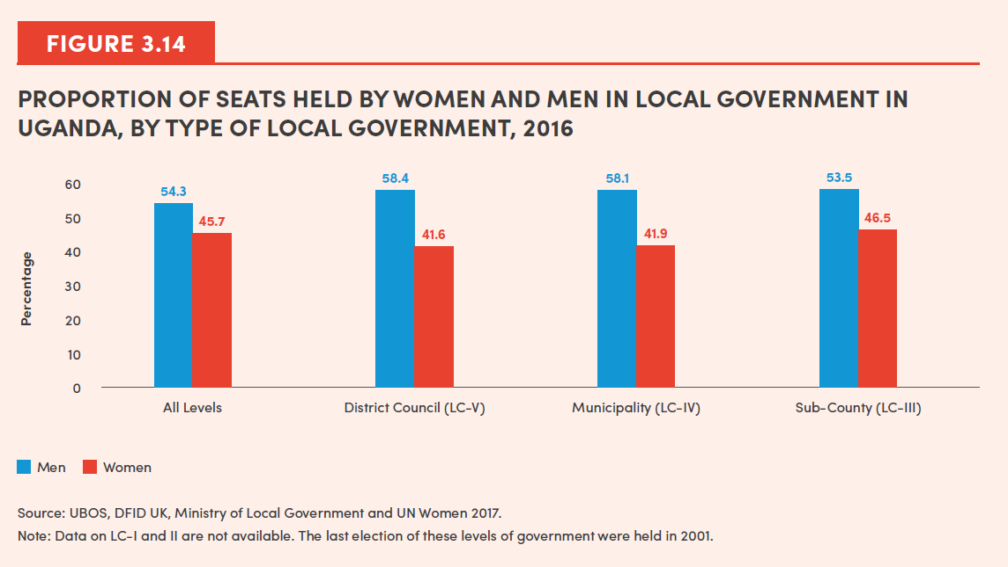
Type of Government | Men | Women
All Levels | 54.3 | 45.7
District Council (LC-V) | 58.4 | 41.6
Municipality (LC-IV) | 58.1 | 41.9
Sub-County (LC-III) | 53.5 | 46.5

Figure 3.15
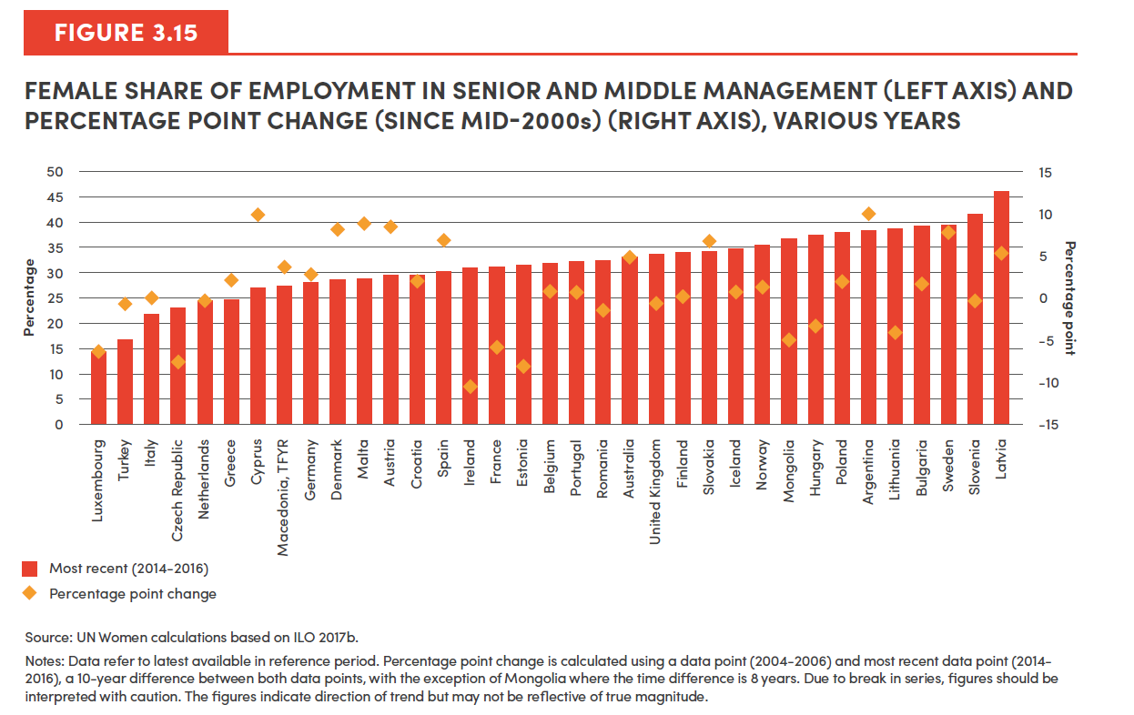
Country | Most recent (2014-2016) | Percentage point change
Luxembourg | 14.9 | -6.3
Turkey | 16.7 | -0.6
Italy | 22.0 | 0.2
Czech Republic | 23.1 | -7.6
Netherlands | 24.5 | -0.7
Greece | 24.7 | 2.2
Cyprus | 27.2 | 10.0
Macedonia, TFYR | 27.3 | 3.7
Germany | 28.1 | 2.8
Denmark | 28.6 | 8.2
Malta | 28.9 | 9.0
Austria | 29.5 | 8.5
Croatia | 29.5 | 2.0
Spain | 30.3 | 7.1
Ireland | 31.0 | -10.4
France | 31.1 | -5.9
Estonia | 31.6 | -8.0
Belgium | 32.0 | 0.9
Portugal | 32.2 | 0.8
Source: UN Women calculations based on ILOSTAT Database. 2017. Accessed November 2017.
Notes: Data refer to latest available in reference period. Percentage point change is calculated using a data point (2004-2006) and most recent data point (2014-2016), a 10-year difference between both data point, with the exception of Mongolia where the time difference is 8 years. Due to break in series, figures should be interpreted with caution. The figures indicate direction of trend but may not be reflective of true magnitude.
Romania | 32.4 | -1.3
Australia | 33.1 | 4.8
United Kingdom | 33.8 | -0.5
Finland | 34.1 | 0.2
Slovakia | 34.3 | 6.9
Iceland | 34.8 | 0.8
Norway | 35.4 | 1.4
Mongolia | 36.7 | -4.9
Hungary | 37.7 | -3.2
Poland | 38.1 | 2.0
Argentina | 38.6 | 10.0
Lithuania | 38.8 | -4.0
Bulgaria | 39.3 | 1.7
Sweden | 39.5 | 7.8
Slovenia | 41.8 | -0.2
Latvia | 46.3 | 5.4

Figure 3.16
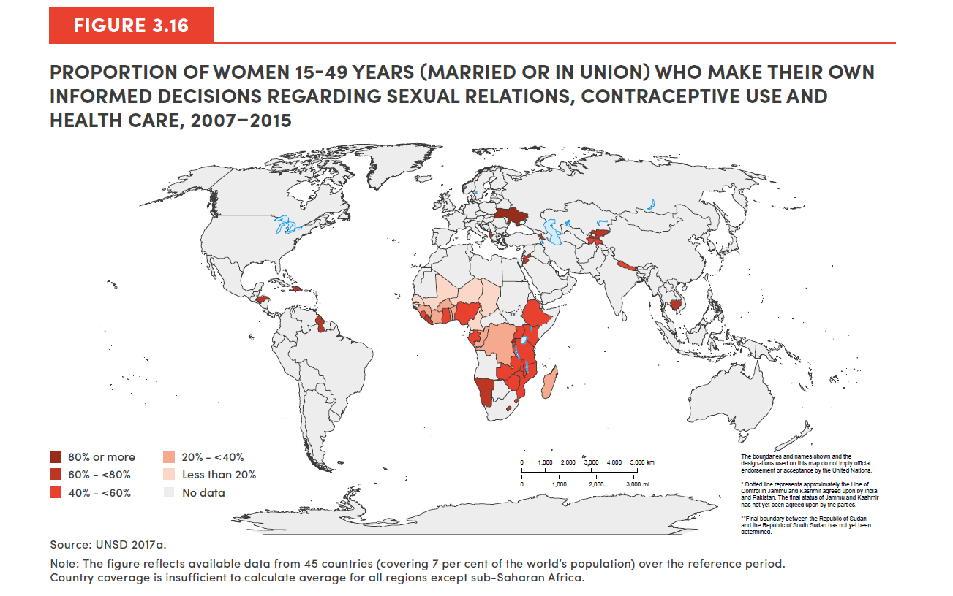
SDG Region | Country | Proportion
Europe and Northern America | Albania | 61.5
 | Ukraine | 81
Eastern Asia and South-eastern Asia | Cambodia | 75.6
Central Asia and Southern Asia | Kyrgyzstan | 76.6
 | Nepal | 59.5
 | Tajikistan | 40.9
Latin America and the Caribbean | Dominican Republic | 77
 | Guyana | 71.3
 | Haiti | 56.3
 | Honduras | 70.3
Northern Africa and Western Asia | Armenia | 64.3
 | Jordan | 72.6
Sub-Saharan Africa | Benin | 38.2
 | Burkina Faso | 20.3
 | Burundi | 49
 | Cameroon | 16.8
 | Chad | 11.6
 | Comoros | 20.8
 | Congo | 26.8
 | Côte d'Ivoire | 25.2
 | Democratic Republic of the Congo | 30.7
 | Ethiopia | 53.4
 | Gabon | 48
 | Gambia | 40.5
 | Ghana | 52
 | Guinea | 22.7
 | Kenya | 56
 | Lesotho | 60.9
 | Liberia | 67.2
 | Madagascar | 35.9
 | Malawi | 42.2
 | Mali | 6.5
 | Mozambique | 49.1
 | Namibia | 71.2
 | Niger | 7.3
 | Nigeria | 50.8
 | Rwanda | 69.5
 | Senegal | 3.4
 | Sierra Leone | 40.2
 | Swaziland | 48.9
 | Togo | 29.6
 | Uganda | 49
 | United Republic of Tanzania | 46.8
 | Zambia | 46.6
...

Figure 3.17
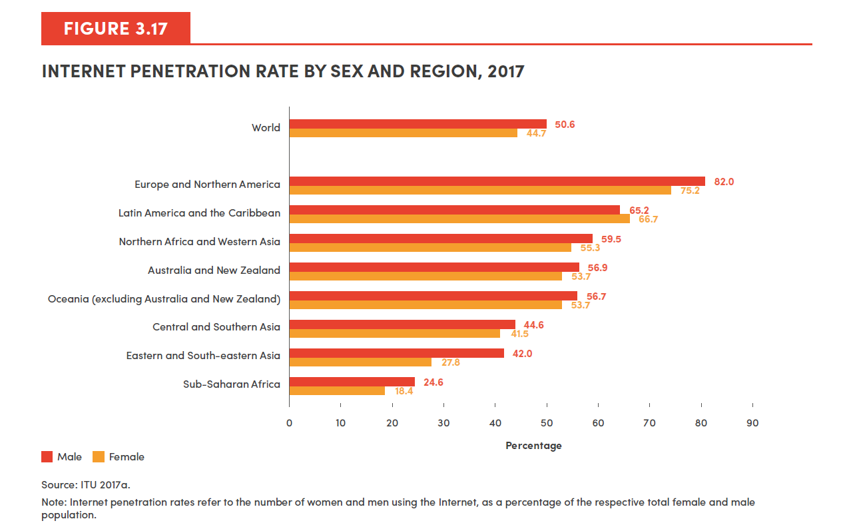
SDG Region | Female | Male
Sub-Saharan Africa | 18.4 | 24.6
Eastern and South-eastern Asia | 27.8 | 42.0
Central and Southern Asia | 41.5 | 44.6
Oceania (excluding Australia and New Zealand) | 53.7 | 56.7
Australia and New Zealand | 53.7 | 56.9
Northern Africa and Western Asia | 55.3 | 59.5
Latin America and the Caribbean | 66.7 | 65.2
Europe and Northern America | 75.2 | 82.0
World | 44.7 | 50.6

Figure 3.18
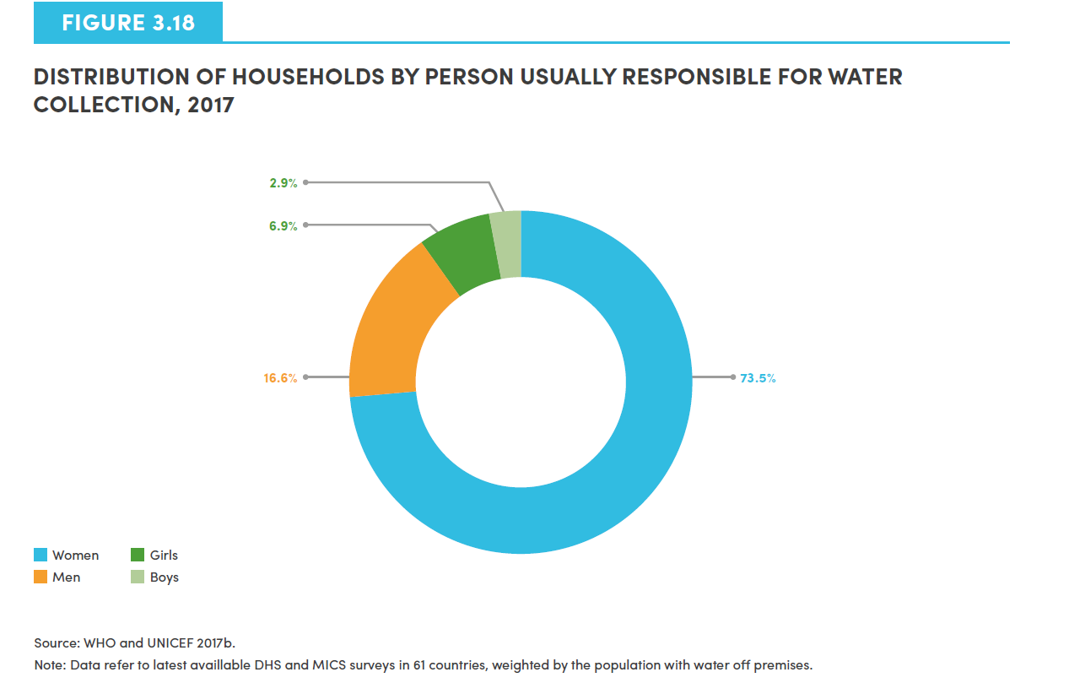
Person | Proportion
Women | 73.5
Men | 16.6
Girls | 6.9
Boys | 2.9

Figure 3.19
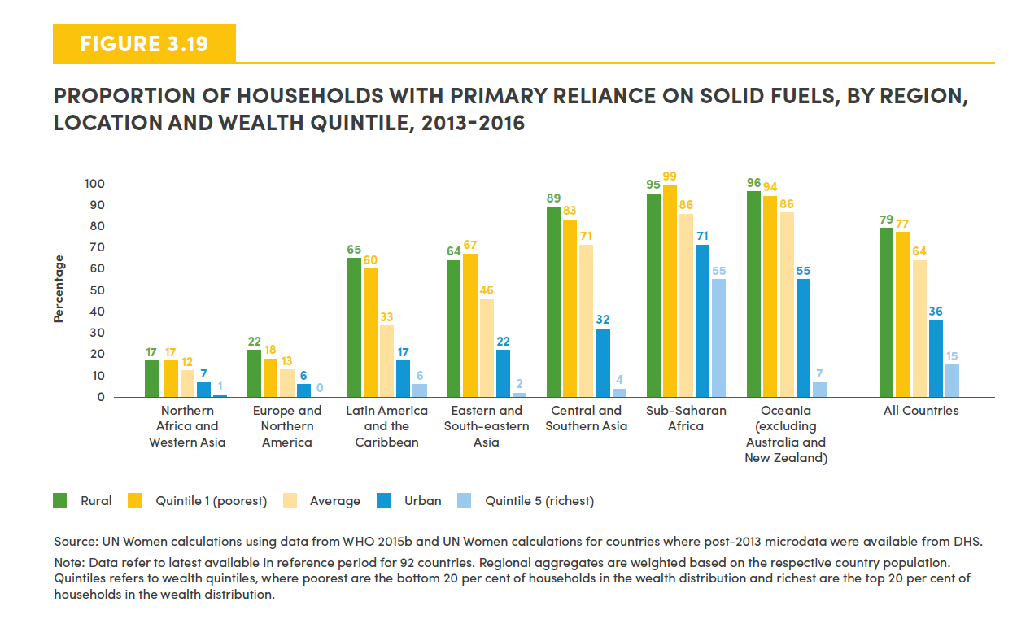
SDG Region | Rural | Quintile 1 (Poorest) | Average | Urban | Quintile 5 (Richest)
Central Asia and Southern Asia | 89 | 83 | 71 | 32 | 4
Europe and Northern America | 22 | 18 | 13 | 6 | 0
Northern Africa and Western Asia | 17 | 17 | 12 | 7 | 1
Oceania excluding Australia and New Zealand | 96 | 94 | 86 | 55 | 7
Sub-Saharan Africa | 95 | 99 | 86 | 71 | 55
Latin America and the Caribbean | 65 | 60 | 33 | 17 | 6
Eastern and South-eastern Asia | 64 | 67 | 46 | 22 | 2
All Countries | 79 | 77 | 64 | 36 | 15

Figure 3.20
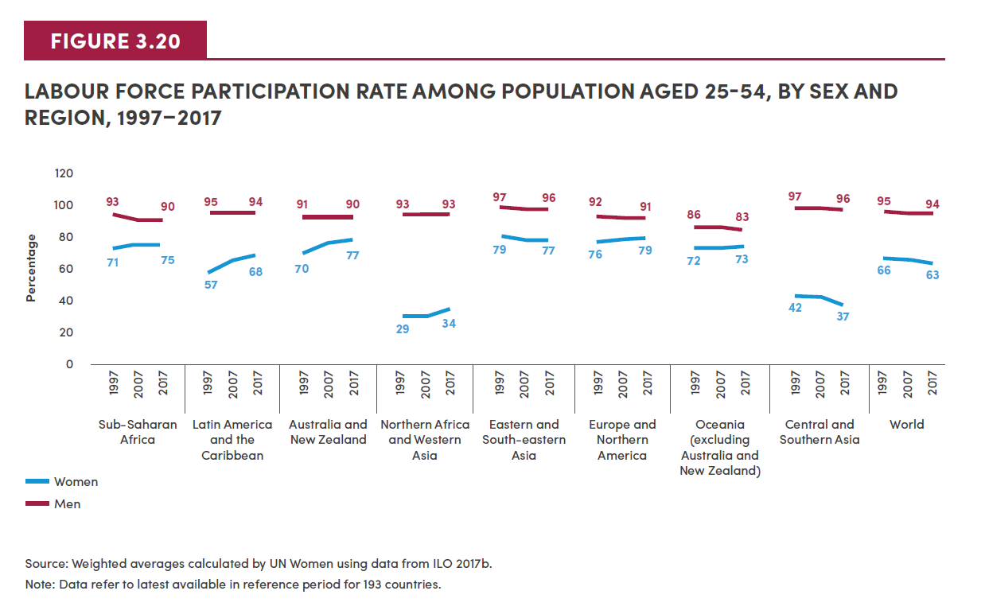
SDG Region | Year | Women | Men
Sub-Saharan Africa | 1997 | 71 | 93
 | 2007 | 74.1 | 90
 | 2017 | 75 | 90

Latin America and the Caribbean | 1997 | 57 | 95
 | 2007 | 64.6 | 94
 | 2017 | 68 | 94

Australia and New Zealand | 1997 | 70 | 91
 | 2007 | 75.1 | 91
 | 2017 | 77 | 90

Western Asia and Northern Africa | 1997 | 29 | 93
 | 2007 | 30.7 | 93
 | 2017 | 34 | 93

Eastern Asia and South-eastern Asia | 1997 | 79 | 97
 | 2007 | 77.2 | 96
 | 2017 | 77 | 96

Northern America and Europe | 1997 | 76 | 92
 | 2007 | 77.9 | 91
 | 2017 | 79 | 91

Oceania excluding Australia and New Zealand | 1997 | 72 | 86
 | 2007 | 72.4 | 85
 | 2017 | 73 | 83

Central Asia and Southern Asia | 1997 | 42 | 97
 | 2007 | 41.6 | 97
 | 2017 | 37 | 96

World | 1997 | 65.6 | 95.2
 | 2007 | 65 | 94
 | 2017 | 63 | 94.1

Figure 3.21
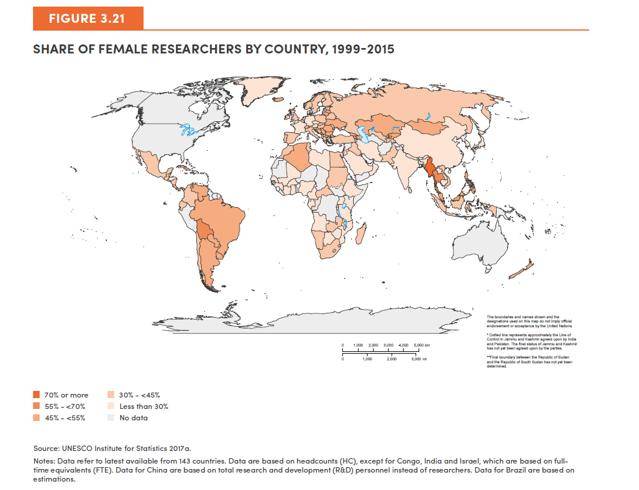
Country name | Share of Female Researchers
Albania | 44.3
Algeria | 34.8
Angola | 27.1
Argentina | 53.0
Armenia | 52.5
Austria | 29.6
Azerbaijan | 54.8
Bahrain | 39.0
Bangladesh | 14.0
Belarus | 40.5
Belgium | 33.4
Bermuda | 32.4
Bolivia (Plurinational State of) | 62.7
Bosnia and Herzegovina | 44.4
Source: UNESCO Institute for Statistics. 2017. “UIS Database.” Accessed November 2017. http://data.uis. unesco.org.
Notes: Data refer to latest available from 143 countries. Data are based on headcounts (HC), except for Congo, India and Israel, which are based on full-time equivalents (FTE). Data for China are based on total research and development (R&D) personnel instead of researchers. Data for Brazil are based on estimations.
Botswana | 29.6
Brazil | 48.0
Brunei Darussalam | 40.6
Bulgaria | 49.5
Burkina Faso | 23.1
Burundi | 14.5
Cabo Verde | 39.8
Cambodia | 23.7
Cameroon | 21.8
Central African Republic | 41.5
Chile | 33.0
China | 26.6
China, Macao Special Administrative Region | 33.7
Colombia | 37.4
Congo | 12.8
Costa Rica | 44.3
Côte d'Ivoire | 16.5
Croatia | 48.9
Cuba | 48.2
Cyprus | 38.2
Czechia | 27.2
Denmark | 35.2
Ecuador | 41.1
Egypt | 43.4
El Salvador | 38.0
Estonia | 44.0
Ethiopia | 13.3
Faeroe Islands | 23.1
Finland | 32.1
France | 26.1
Gabon | 22.4
Gambia | 20.0
Georgia | 50.6
...

Figure 3.22
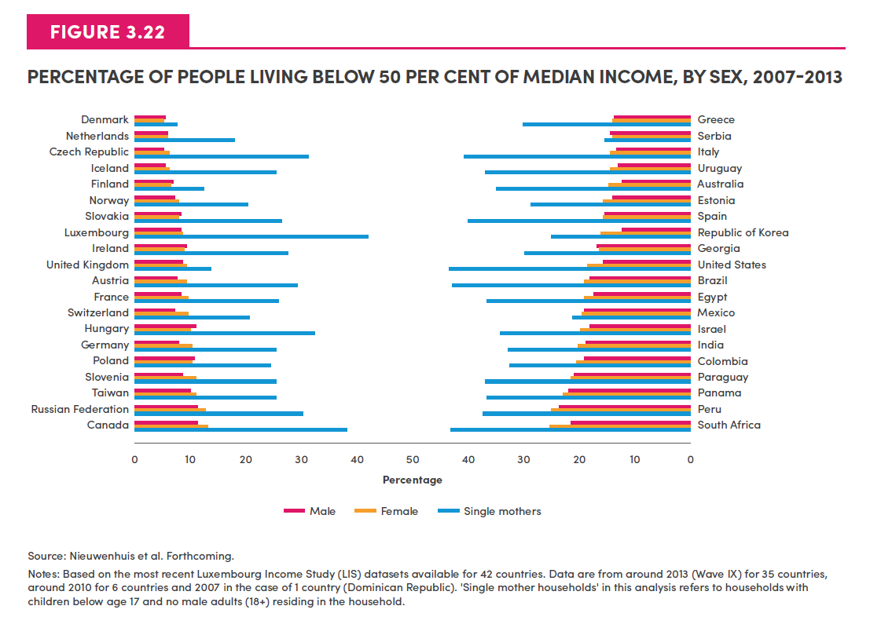
Country | Male | Female | Single mothers

Denmark | 5.8 | 5.5 | 7.7
Netherlands | 6.2 | 6.1 | 18.2
Czech Republic | 5.4 | 6.5 | 31.5
Iceland | 5.7 | 6.6 | 25.4
Finland | 6.9 | 6.8 | 12.6
Norway | 7.6 | 8.2 | 20.4
Slovakia | 8.5 | 8.4 | 26.6
Luxembourg | 8.6 | 8.8 | 42.2
Ireland | 9.6 | 9.2 | 27.9
United Kingdom | 9.0 | 9.5 | 14.1
Austria | 8.0 | 9.5 | 29.4
France | 8.6 | 9.7 | 26.1
Switzerland | 7.6 | 9.9 | 20.8
Hungary | 11.1 | 10.2 | 32.3
Germany | 8.1 | 10.3 | 25.4
Poland | 10.8 | 10.6 | 24.4
Slovenia | 9.0 | 11.0 | 25.7
Taiwan | 10.1 | 11.3 | 25.6
Russia | 11.4 | 13.0 | 30.5
Canada | 11.7 | 13.3 | 38.3
Greece | 14.0 | 14.4 | 30.5
Serbia | 14.6 | 14.4 | 15.7
Italy | 13.7 | 14.6 | 41.1
Uruguay | 13.4 | 14.7 | 37.3
Australia | 12.6 | 15.0 | 35.2
Estonia | 14.2 | 15.8 | 29.1
Spain | 15.6 | 15.9 | 40.2
South Korea | 12.7 | 16.2 | 25.2
Georgia | 17.2 | 16.7 | 30.2
United States | 16.1 | 18.8 | 43.9
Brazil | 18.6 | 19.3 | 43.2
Egypt | 17.7 | 19.4 | 36.9
Mexico | 19.4 | 19.9 | 21.8
Israel | 18.4 | 20.0 | 34.6
India | 18.9 | 20.5 | 33.4
Colombia | 19.3 | 20.8 | 32.8
Paraguay | 21.2 | 21.9 | 37.3
Panama | 22.1 | 23.1 | 36.9
Peru | 23.9 | 25.2 | 37.7
South Africa | 22.0 | 25.4 | 43.4

Figure 3.23
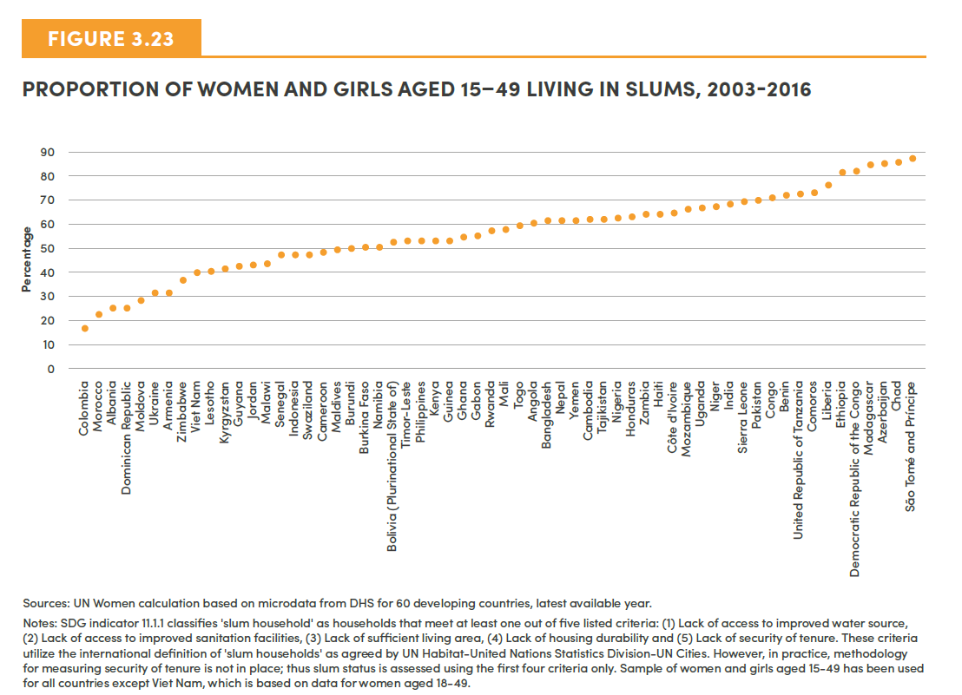
Country | Proportion of women and girls living in slums (based on at least one criteria)
Colombia | 16.29
Morocco | 22.18
Albania | 24.61
Dominican Republic | 24.65
Moldova | 27.8
Ukraine | 30.84
Armenia | 31.14
Zimbabwe | 36.2
Viet Nam | 39.34
Lesotho | 40.02
Kyrgyz Republic | 40.8
Guyana | 41.77
Jordan | 42.6
Malawi | 43.3
Senegal | 46.8
Indonesia | 46.99
Swaziland | 47.04
Cameroon | 47.53
Maldives | 48.79
Burundi | 49.48
Burkina Faso | 50.18
Namibia | 50.18
Bolivia (Plurinational State of) | 52.36
Timor-Leste | 52.59
Philippines | 52.76
Kenya | 52.86
Guinea | 52.97
Ghana | 53.86
Gabon | 54.6
Rwanda | 56.31
Mali | 57.21
Togo | 58.84
Angola | 59.4
Bangladesh | 60.75
Nepal | 61
Yemen | 61.02
Cambodia | 61.34
Tajikistan | 61.48
Nigeria | 62.26
Honduras | 63.1
Zambia | 63.51
Haiti | 63.8
Côte d'Ivoire | 64.23
Mozambique | 65.38
Uganda | 65.94
Niger | 66.48
India | 68.21
Sierra Leone | 68.84
...

Figure 3.24
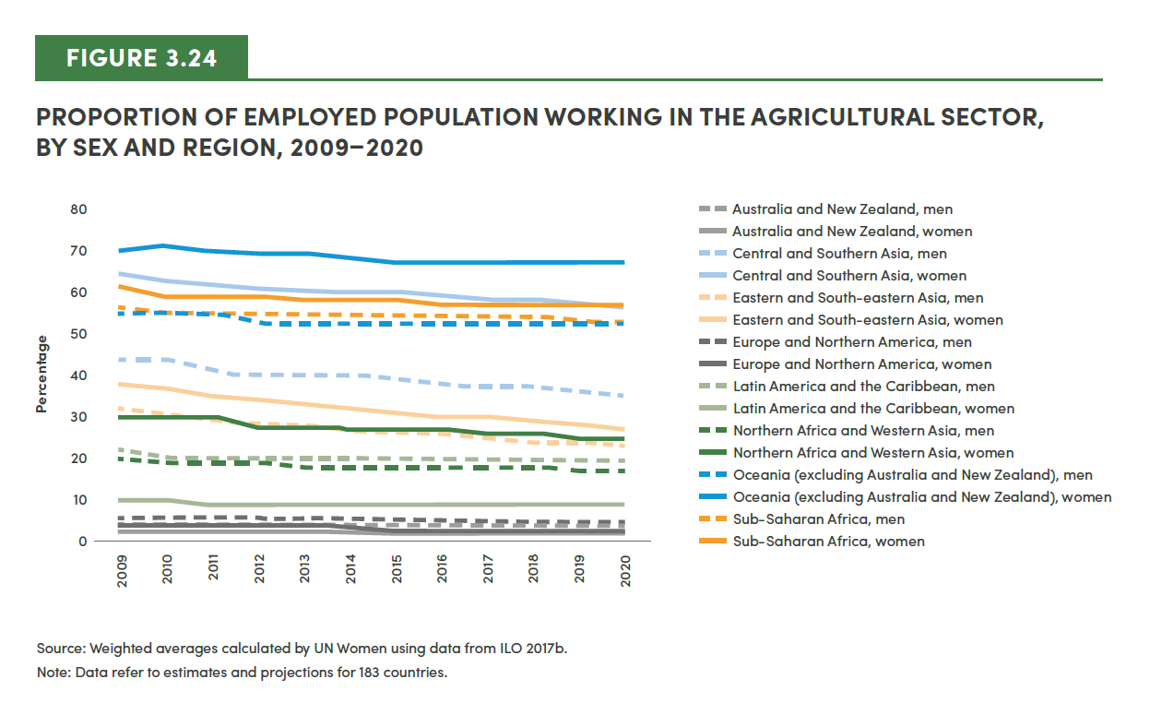
2015 | 2016 | 2017 | 2018 | 2019 | 2020
4 | 4 | 4 | 4 | 4 | 4
2 | 2 | 2 | 2 | 2 | 2
39 | 38 | 37 | 37 | 36 | 35
60 | 59 | 58 | 58 | 57 | 56
27 | 26 | 25 | 24 | 24 | 23
31 | 30 | 30 | 29 | 28 | 27
6 | 6 | 5 | 5 | 5 | 5
3 | 3 | 3 | 3 | 3 | 3
20 | 20 | 20 | 20 | 20 | 20
9 | 9 | 9 | 9 | 9 | 9
18 | 18 | 18 | 18 | 17 | 17
27 | 27 | 26 | 26 | 25 | 25
52 | 52 | 52 | 52 | 52 | 52
67 | 67 | 67 | 67 | 67 | 67
54 | 54 | 54 | 54 | 53 | 53
58 | 57 | 57 | 57 | 57 | 57

Figure 3.25
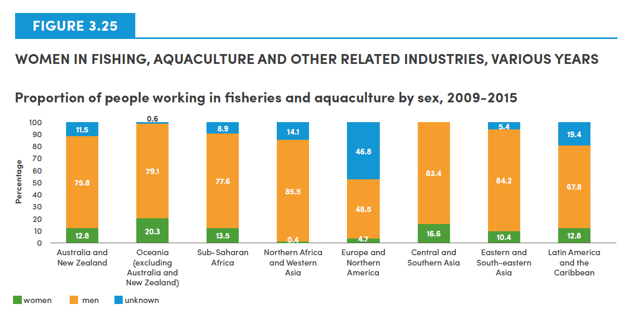
Proportion of people working in fisheries and acquaculture by sex, 2009-2015
SDG Region | Women | Men | unknown
Australia and New Zealand | 12.8 | 75.8 | 11.5
Oceania (excluding Australia and New Zealand) | 20.3 | 79.1 | 0.6
Sub-Saharan Africa | 13.5 | 77.6 | 8.9
Northern Africa and Western Asia | 0.4 | 85.5 | 14.1
Europe and Nothern America | 4.7 | 48.5 | 46.8
Central and Southern Asia | 16.6 | 83.4 | 0.0
Eastern and South-eastern Asia | 10.4 | 84.2 | 5.4
Latin America and the Carribbean | 12.8 | 67.8 | 19.4

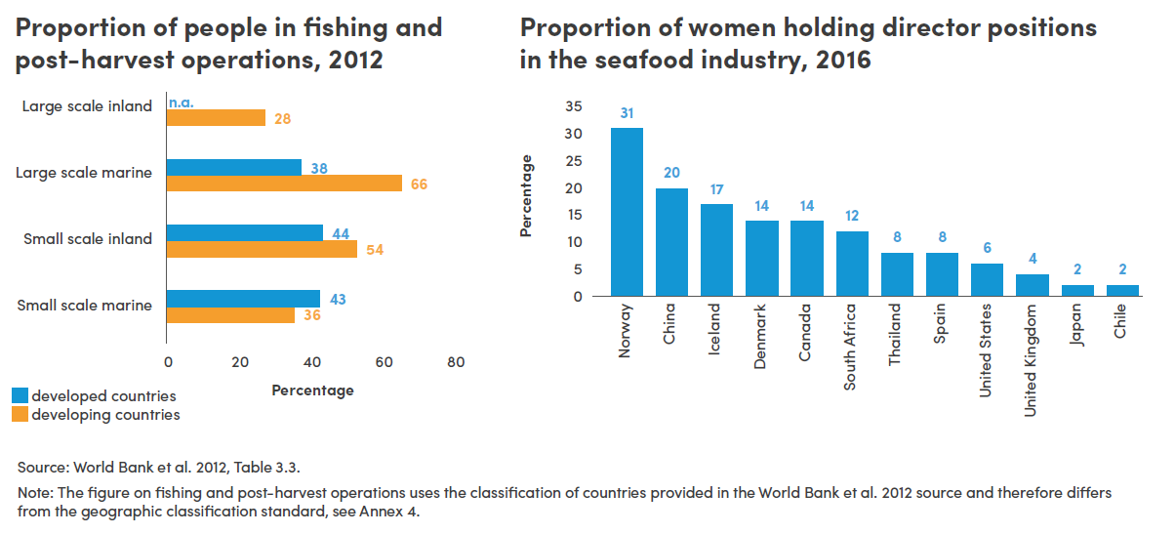

Proportion of women in fishing and post-harvest operations
Region | Large scale Inland | Large scale Marine | Small Scale Inland | Small scale Marine
Developing countries | 28 | 66 | 54 | 36
Developed countries | n.a. | 38 | 38 | 43

Proportion of women holding director positions in the seafood industry in 2016
Country | Proportion
Norway | 31
China | 20
Iceland | 17
Denmark | 14
Canada | 14
South Africa | 12
Thailand | 8
Spain | 8
USA | 6
United Kingdom | 4
Japan | 2
Chile | 2

Figure 3.26
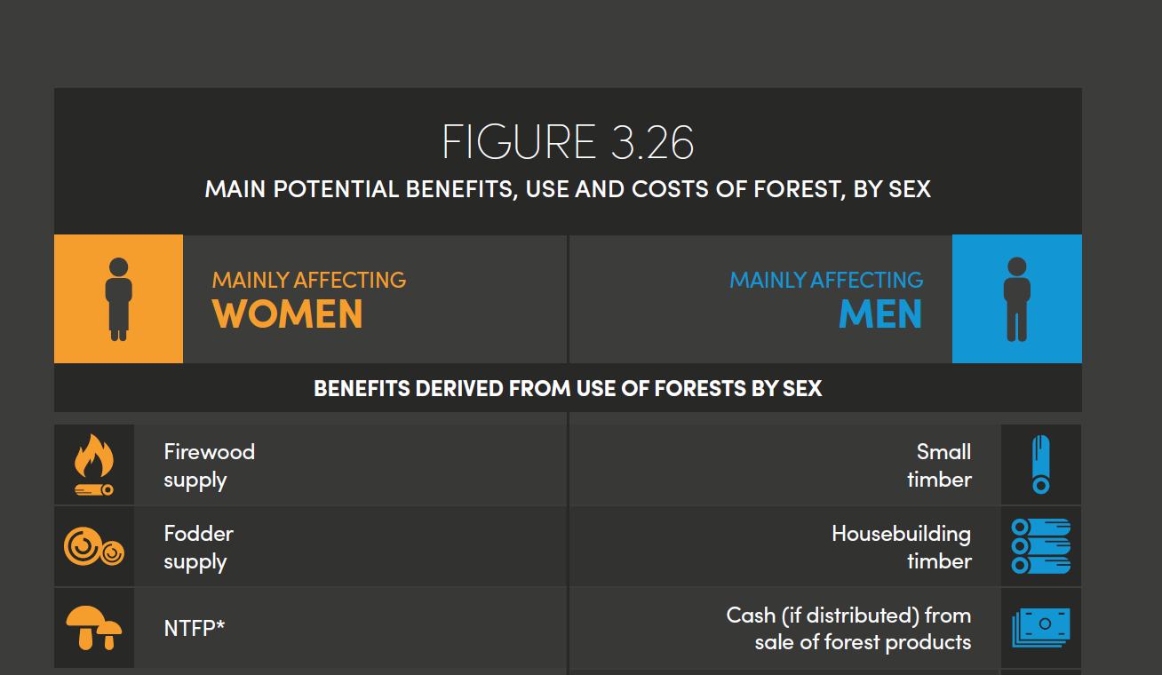

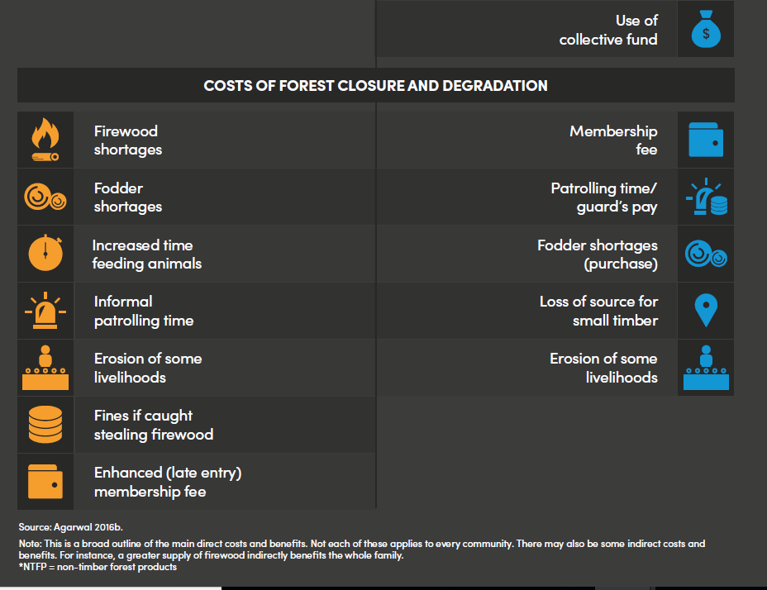

Figure 3.27
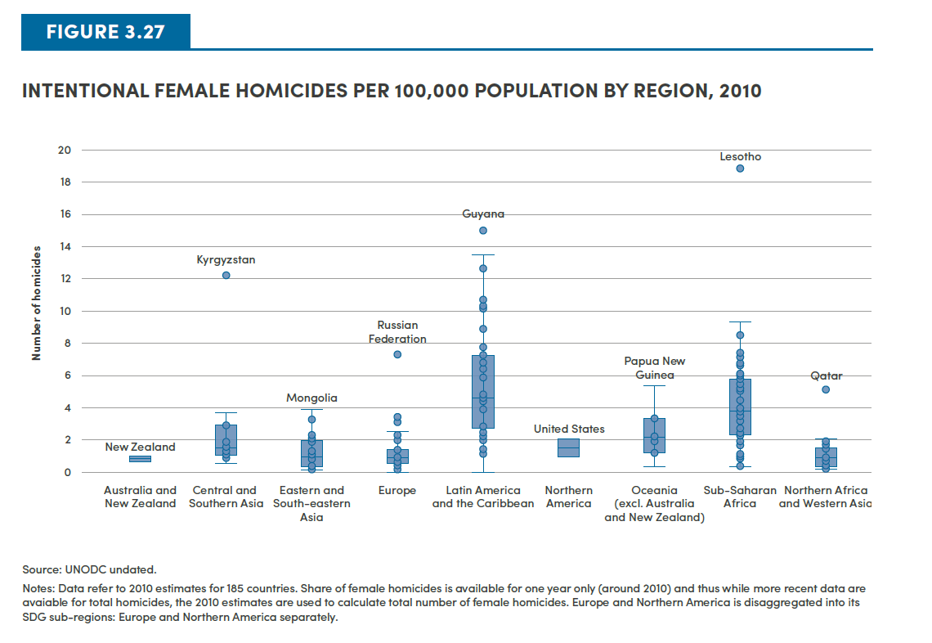
Country/ territory | SDG Region | Female homicide per 100,000 people (2010)
Australia | Australia and New Zealand | 0.68
New Zealand | Australia and New Zealand | 0.99
Tajikistan | Central and Southern Asia | 0.55
Afghanistan | Central and Southern Asia | 0.91
Uzbekistan | Central and Southern Asia | 1.09
Sri Lanka | Central and Southern Asia | 1.12
Nepal | Central and Southern Asia | 1.33
Maldives | Central and Southern Asia | 1.34
Turkmenistan | Central and Southern Asia | 1.44
Bhutan | Central and Southern Asia | 1.59
Iran (Islamic Republic of) | Central and Southern Asia | 1.90
Bangladesh | Central and Southern Asia | 1.95
India | Central and Southern Asia | 2.91
Kazakhstan | Central and Southern Asia | 2.95
Pakistan | Central and Southern Asia | 3.71
Kyrgyzstan | Central and Southern Asia | 12.23
Indonesia | Eastern and South-eastern Asia | 0.17
Taiwan Province of China | Eastern and South-eastern Asia | 0.21
Brunei Darussalam | Eastern and South-eastern Asia | 0.24
Singapore | Eastern and South-eastern Asia | 0.28
Japan | Eastern and South-eastern Asia | 0.37
China | Eastern and South-eastern Asia | 0.45
China, Hong Kong SAR | Eastern and South-eastern Asia | 0.50
Viet Nam | Eastern and South-eastern Asia | 0.85
Korea, Rep of | Eastern and South-eastern Asia | 0.91
Malaysia | Eastern and South-eastern Asia | 1.09
Cambodia | Eastern and South-eastern Asia | 1.11
Myanmar | Eastern and South-eastern Asia | 1.20
Thailand | Eastern and South-eastern Asia | 1.31
Timor-Leste | Eastern and South-eastern Asia | 1.92
Democratic People's Republic of Korea | Eastern and South-eastern Asia | 2.15
Philippines | Eastern and South-eastern Asia | 2.30
Lao People's Democratic Republic | Eastern and South-eastern Asia | 3.29
Mongolia | Eastern and South-eastern Asia | 3.95
Luxembourg | Europe and Northern America | 0.00
Greece | Europe and Northern America | 0.20
Ireland | Europe and Northern America | 0.30
Malta | Europe and Northern America | 0.48
Denmark | Europe and Northern America | 0.51
Italy | Europe and Northern America | 0.52
Austria | Europe and Northern America | 0.54
TFYR of Macedonia | Europe and Northern America | 0.55
Norway | Europe and Northern America | 0.56
Spain | Europe and Northern America | 0.58
Poland | Europe and Northern America | 0.59
Netherlands | Europe and Northern America | 0.60
...

Figure 3.28
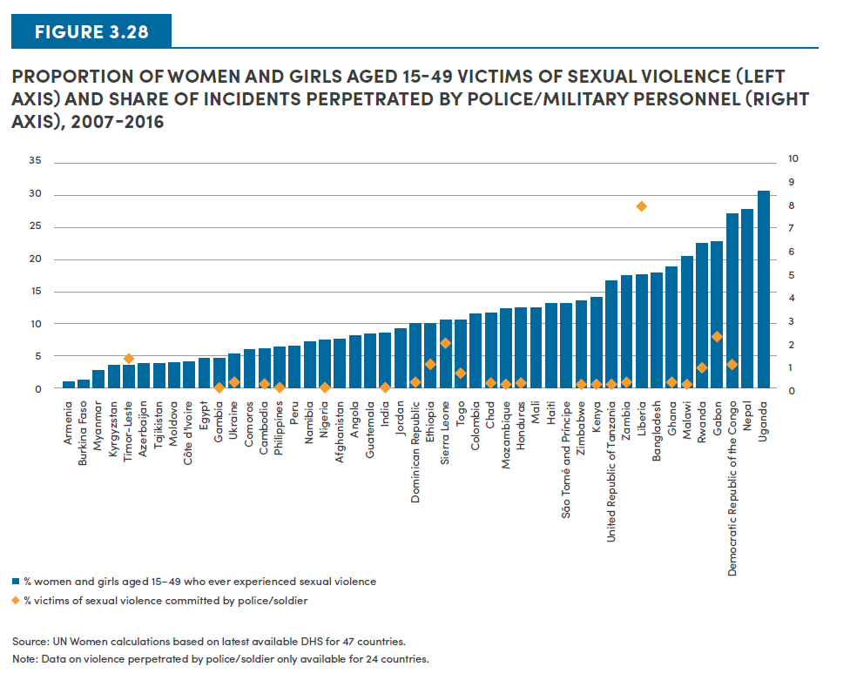
Country | % of women and girls aged 15-49 who ever experienced sexual violence | % victims of sexual violence committed by police/soldier
Armenia | 0.9
Burkina Faso | 1.2
Myanmar | 2.7
Kyrgyz Republic | 3.4
Timor-Leste | 3.4 | 1.3
Azerbaijan | 3.7
Tajikistan | 3.7
Moldova | 4
Côte d'Ivoire | 4.1
Egypt | 4.5
Gambia | 4.6 | 0
Ukraine | 5.4 | 0.3
Comoros | 6
Cambodia | 6.1 | 0.2
Philippines | 6.3 | 0.1
Peru | 6.5
Namibia | 7.2
Nigeria | 7.4 | 0.1
Afghanistan | 7.5
Angola | 8.1
Guatemala | 8.4
India | 8.5 | 0
Jordan | 9.2
Dominican Republic | 10 | 0.2
Ethiopia | 10.1 | 1
Sierra Leone | 10.5 | 2
Togo | 10.5 | 0.7
Colombia | 11.4
Chad | 11.6 | 0.2
Mozambique | 12.3 | 0.1
Honduras | 12.5 | 0.2
Mali | 12.6
Haiti | 13.1
Sao Tome and Principe | 13.1
Zimbabwe | 13.5 | 0.1
Kenya | 14.1 | 0.1
United Republic of Tanzania | 16.6 | 0.1
Zambia | 17.4 | 0.2
Liberia | 17.6 | 8.1
Bangladesh | 17.8
Ghana | 18.8 | 0.2
Malawi | 20.6 | 0.1
Rwanda | 22.4 | 0.8
Gabon | 22.8 | 2.3
Democratic Republic of Congo | 27 | 1.1
Nepal | 27.7
Uganda | 30.6

Figure 3.29
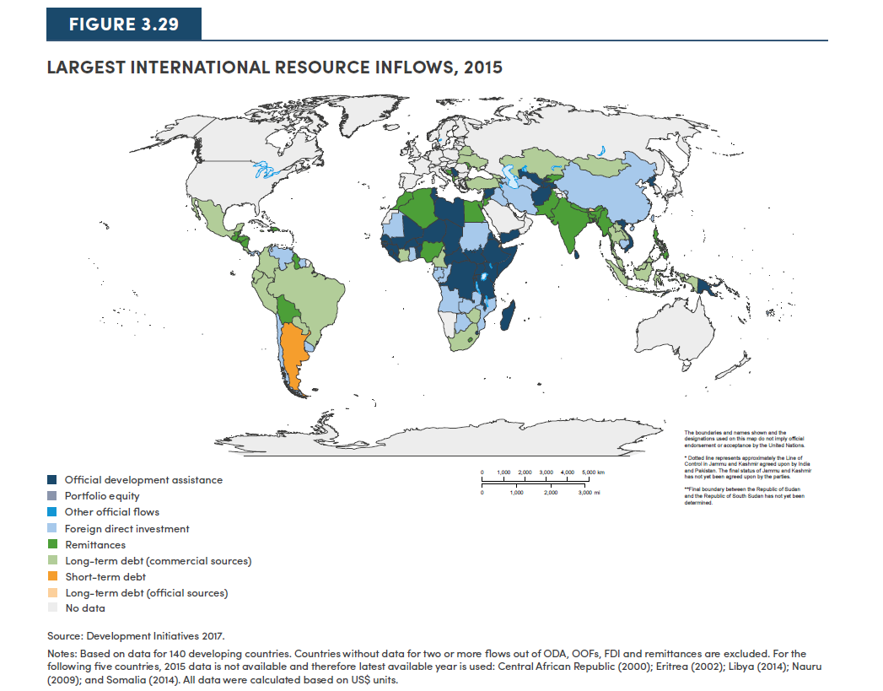
Country | largest International Resource Flow name
Afghanistan | ODA
Albania | Remittances
Algeria | Remittances
Angola | FDI
Antigua & Barbuda | FDI
Argentina | Short-term debt
Armenia | Long-term debt (commercial)
Azerbaijan | FDI
Bangladesh | Remittances
Belarus | Long-term debt (commercial)
Belize | Remittances
Benin | ODA
Bhutan | Long-term debt (official)
Bolivia | Remittances
Bosnia & Herzegovina | Remittances
Botswana | FDI
Brazil | Long-term debt (commercial)
Burkina Faso | ODA
Burundi | ODA
Cambodia | FDI
Cameroon | Long-term debt (commercial)
Cape Verde | Remittances
CAR | ODA
Chad | ODA
Chile | FDI
China | FDI
Colombia | Long-term debt (commercial)
Comoros | Remittances
DRC | ODA
Congo | FDI
Cook Islands | ODA
Costa Rica | Long-term debt (commercial)
Côte d'Ivoire | Long-term debt (commercial)
Djibouti | Long-term debt (official)
Dominica | FDI
Dominican Republic | Remittances
Ecuador | Long-term debt (commercial)
Egypt | Remittances
...

