Goal 1
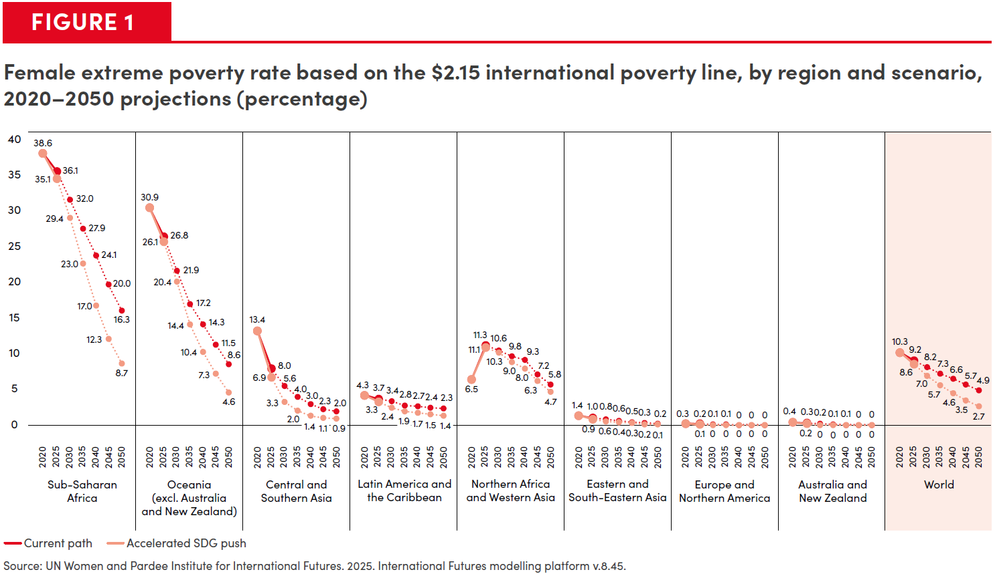
Figure 1. Female extreme poverty rate based on the $2.15 international poverty line, by region and scenario, 2020-2050 projections (percentage)

Region | Path | 2020 | 2025 | 2030 | 2035 | 2040 | 2045 | 2050
Sub-Saharan Africa | Current path | 38.6 | 36.1 | 32.0 | 27.9 | 24.1 | 20.0 | 16.3
 | Accelerated SDG push | 38.6 | 35.1 | 29.4 | 23.0 | 17.0 | 12.3 | 8.7
Oceania (excl. Australia and New Zealand) | Current path | 30.9 | 26.8 | 21.9 | 17.2 | 14.3 | 11.5 | 8.6
 | Accelerated SDG push | 30.9 | 26.1 | 20.4 | 14.4 | 10.4 | 7.3 | 4.6
Central and Southern Asia | Current path | 13.4 | 8.0 | 5.6 | 4.0 | 3.0 | 2.3 | 2.0
 | Accelerated SDG push | 13.4 | 6.9 | 3.3 | 2.0 | 1.4 | 1.1 | 0.9
Latin America and the Caribbean | Current path | 4.3 | 3.7 | 3.4 | 2.8 | 2.7 | 2.4 | 2.3
 | Accelerated SDG push | 4.3 | 3.3 | 2.4 | 1.9 | 1.7 | 1.5 | 1.4
Northern Africa and Western Asia | Current path | 6.5 | 11.3 | 10.6 | 9.8 | 9.3 | 7.2 | 5.8
 | Accelerated SDG push | 6.5 | 11.1 | 10.3 | 9.0 | 8.0 | 6.3 | 4.7
Eastern and South-Eastern Asia | Current path | 1.4 | 1.0 | 0.8 | 0.6 | 0.5 | 0.3 | 0.2
 | Accelerated SDG push | 1.4 | 0.9 | 0.6 | 0.4 | 0.3 | 0.2 | 0.1
Europe and Northern America | Current path | 0.3 | 0.2 | 0.1 | 0.1 | 0.0 | 0.0 | 0.0
 | Accelerated SDG push | 0.3 | 0.1 | 0.0 | 0.0 | 0.0 | 0.0 | 0.0
Australia and New Zealand | Current path | 0.4 | 0.3 | 0.2 | 0.1 | 0.1 | 0.0 | 0.0
 | Accelerated SDG push | 0.4 | 0.2 | 0.0 | 0.0 | 0.0 | 0.0 | 0.0
World | Current path | 10.3 | 9.2 | 8.2 | 7.3 | 6.6 | 5.7 | 4.9
 | Accelerated SDG push | 10.3 | 8.6 | 7.0 | 5.7 | 4.6 | 3.5 | 2.7

Source: UN Women and Pardee Institute for International Futures. 2025. International futures modelling platform v.8.45.

Goal 2
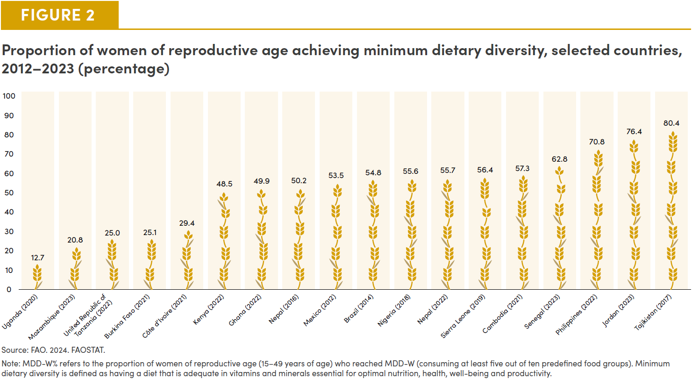
Figure 2. Proportion of women of reproductive age achieving minimum dietary diversity, selected countries, 2012-2023 (percentage)

Country and Survey Year | Percentage
Uganda (2020) | 12.7
Mozambique (2023) | 20.8
United Republic of Tanzania (2022) | 25
Burkina Faso (2021) | 25.1
Côte d'Ivoire (2021) | 29.4
Kenya (2022) | 48.5
Ghana (2022) | 49.9
Nepal (2016) | 50.2
Mexico (2012) | 53.5
Brazil (2014) | 54.8
Nigeria (2018) | 55.6
Nepal (2022) | 55.7
Sierra Leone (2019) | 56.4
Cambodia (2021) | 57.3
Senegal (2023) | 62.8
Philippines (2022) | 70.8
Jordan (2023) | 76.4
Tajikistan (2017) | 80.4

Source: FAO. 2024. FAOSTAT.
Note: MDD-W% refers to the proportion of women of reproductive age (15–49 years of age) who reached MDD-W (consuming at least five out of ten predefined food groups). Minimum dietary diversity is defined as having a diet that is adequate in vitamins and minerals essential for optimal nutrition, health, well-being and productivity.

Goal 3
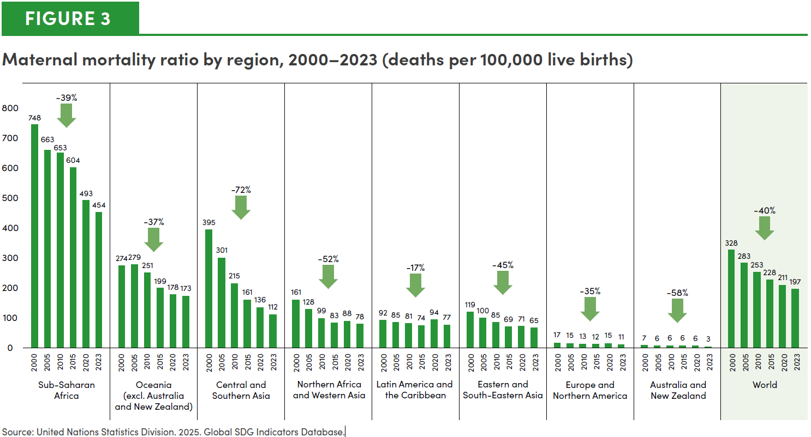
Figure 3: Maternal mortality ratio by region, 2000-2023 (deaths per 100,000 live births)

Region | 2000 | 2005 | 2010 | 2015 | 2020 | 2023 | Decrease
Sub-Saharan Africa | 748 | 663 | 653 | 604 | 493 | 454 | -39%
Oceania (excl. Australia and New Zealand) | 274 | 279 | 251 | 199 | 178 | 173 | -37%
Central and Southern Asia | 395 | 301 | 215 | 161 | 136 | 112 | -72%
Northern Africa and Western Asia | 161 | 128 | 99 | 83 | 88 | 78 | -52%
Latin America and the Caribbean | 92 | 85 | 81 | 74 | 94 | 77 | -17%
Eastern and South-Eastern Asia | 119 | 100 | 85 | 69 | 71 | 65 | -45%
Europe and Northern America | 17 | 15 | 13 | 12 | 15 | 11 | -35%
Australia and New Zealand | 7 | 6 | 6 | 6 | 6 | 3 | -58%
World | 328 | 283 | 253 | 228 | 211 | 197 | -40%

Source: United Nations Statistics Division. 2025. Global SDG Indicators Database.

Goal 4
Figure 4. Proportion of students achieveing minimum proficiency in mathematics in grade 8, by sex, 2023 (percentage)
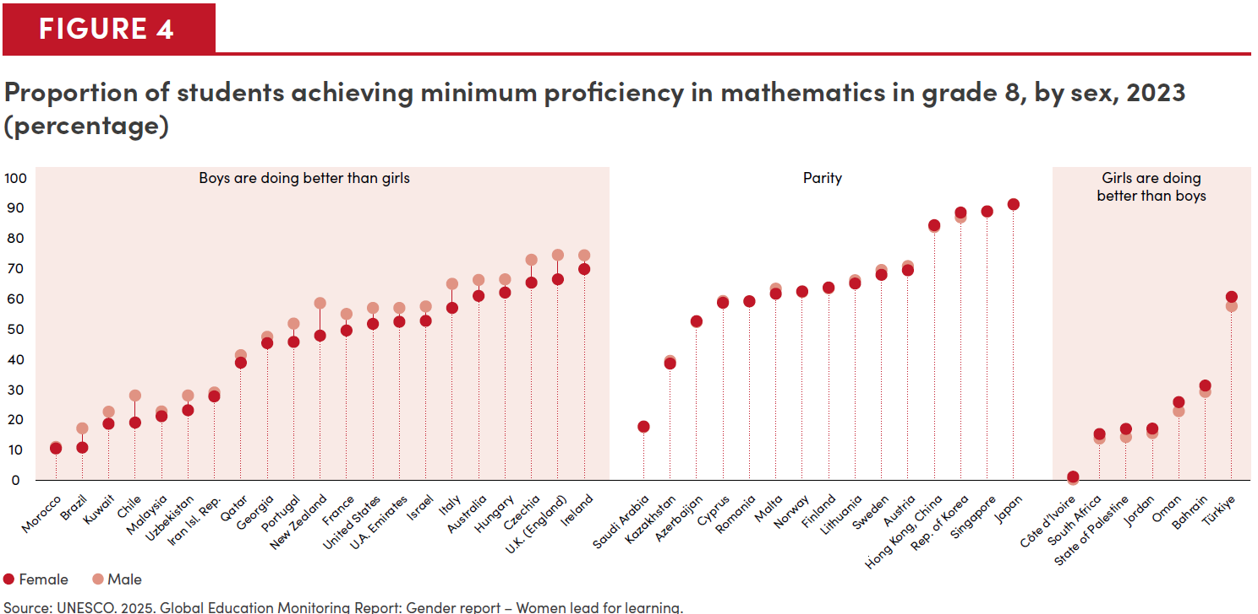
Country | Female | Male
Morocco | 10.6 | 11.1
Brazil | 10.9 | 17.3
Kuwait | 18.8 | 22.8
Chile | 19.2 | 28.2
Malaysia | 21.3 | 22.9
Uzbekistan | 23.3 | 28.2
Iran, Isl. Rep. | 27.9 | 29.2
Qatar | 39.1 | 41.6
Georgia | 45.6 | 47.7
Portugal | 46 | 52.1
New Zealand | 48.1 | 58.9
France | 49.8 | 55.3
United States | 52 | 57.3
U. A. Emirates | 52.7 | 57.3
Israel | 53 | 57.8
Italy | 57.3 | 65.3
Australia | 61.3 | 66.6
Hungary | 62.4 | 66.8
Czechia | 65.7 | 73.3
U.K. (England) | 66.8 | 74.9
Ireland | 70.2 | 74.8
Saudi Arabia | 17.9 | 17.7
Kazakhstan | 38.8 | 39.7
Azerbaijan | 52.9 | 52.6
Cyprus | 59 | 59.6
Romania | 59.5 | 59.5
Malta | 62 | 63.7
Norway | 62.8 | 62.6
Finland | 64.1 | 63.8
Lithuania | 65.4 | 66.5
Sweden | 68.3 | 69.9
Austria | 69.8 | 71.2
Hong Kong, China | 84.8 | 84.2
Rep. of Korea | 89 | 87.4
Singapore | 89.4 | 89.3
Japan | 91.7 | 91.8
Côte d’Ivoire | 1.2 | 0.3
South Africa | 15.4 | 13.9
State of Palestine | 17.1 | 14.4
Jordan | 17.2 | 15.7
Oman | 26 | 23
Bahrain | 31.5 | 29.4
Türkiye | 61 | 57.9

Source: UNESCO. 2025. Global Education Monitoring Report: Gender report – Women lead for learning.

Goal 6
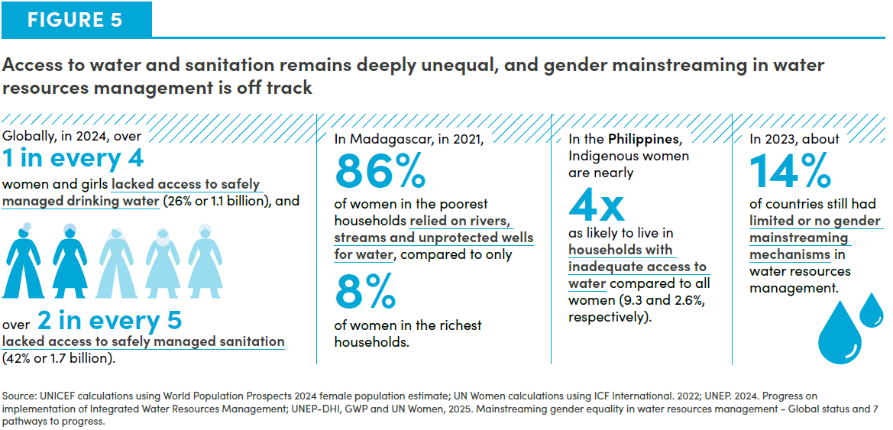

Goal 7
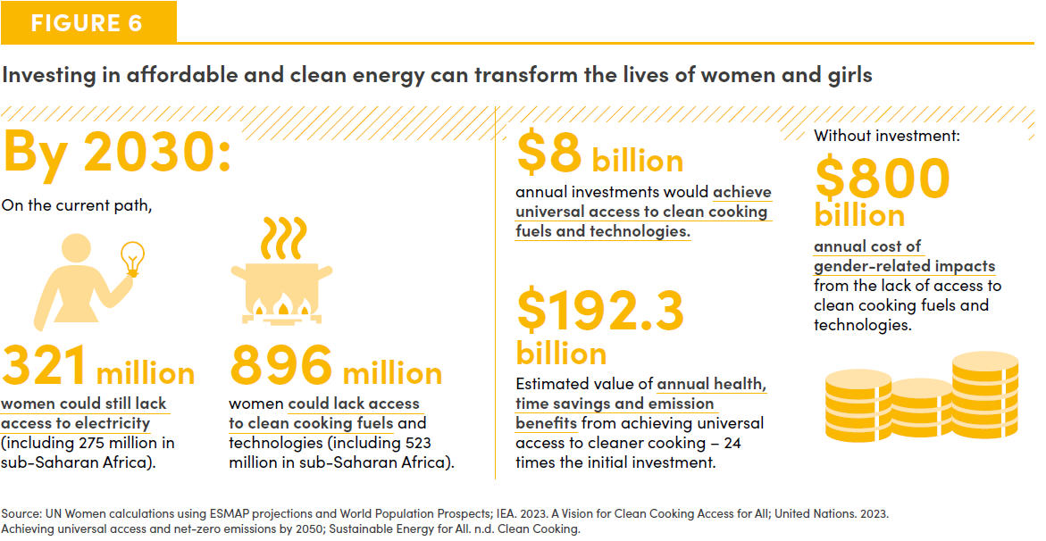

Goal 8
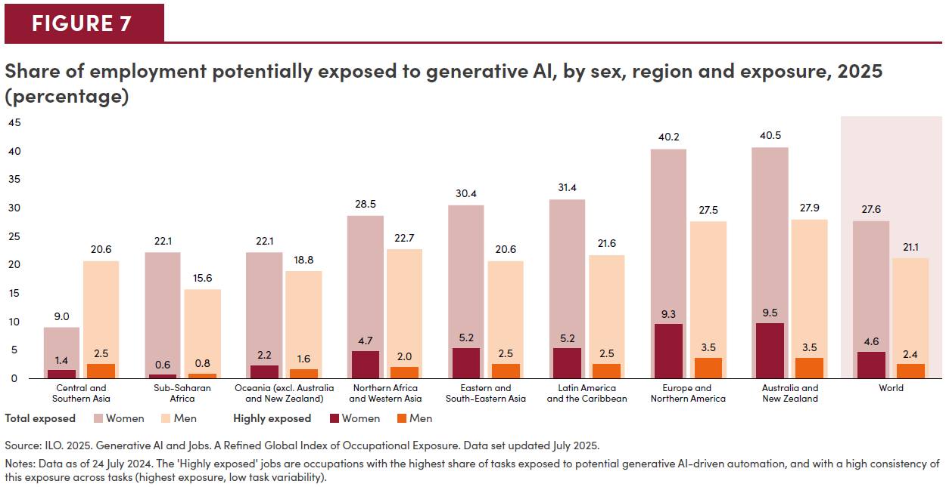
Figure 7. Share of employment potentially exposed to generative AI, by sex, region and exposure, 2025 (percentage)

Region | Sex | Highly Exposed | Total Exposed
Central and Southern Asia | Women | 1.4 | 9.0
 | Men | 2.5 | 20.6
Sub-Saharan Africa | Women | 0.6 | 22.1
 | Men | 0.8 | 15.6
Oceania (excl. Australia and New Zealand) | Women | 2.2 | 22.1
 | Men | 1.6 | 18.8
Northern Africa and Western Asia | Women | 4.7 | 28.5
 | Men | 2.0 | 22.7
Eastern and South-eastern Asia | Women | 5.2 | 30.4
 | Men | 2.5 | 20.6
Latin America and the Caribbean | Women | 5.2 | 31.4
 | Men | 2.5 | 21.6
Europe and Northern America | Women | 9.3 | 40.2
 | Men | 3.5 | 27.5
Australia and New Zealand | Women | 9.5 | 40.5
 | Men | 3.5 | 27.9
World | Women | 4.6 | 27.6
 | Men | 2.4 | 21.1

Source: ILO. 2025. Generative AI and Jobs. A Refined Global Index of Occupational Exposure. Data set updated July 2025. Notes: Data as of 24 July 2024. The 'Highly exposed' jobs are occupations with the highest share of tasks exposed to potential generative AI-driven automation, and with a high consistency of this exposure across tasks (highest exposure, low task variability).

Goal 9
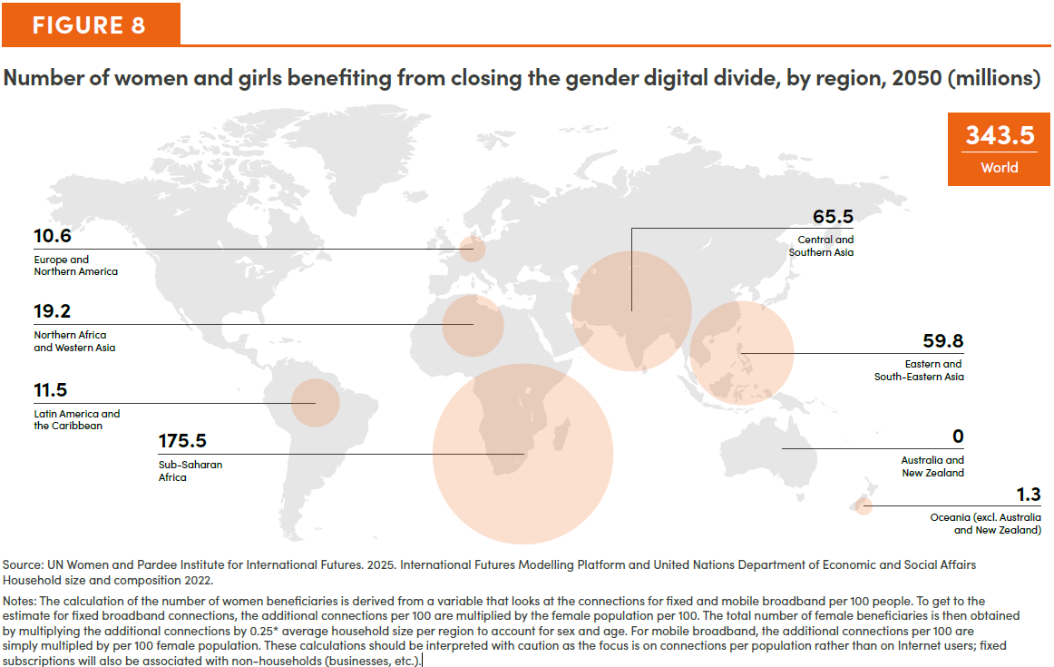
Figure 8. Number of women and girls benefiting from closing the gender digital divide, by region, 2050 (millions)

Region | Total female beneficiaries
Sub-Saharan Africa | 175.5
Central and Southern Asia | 65.5
Eastern and South-Eastern Asia | 59.8
North Africa and Western Asia | 19.2
Latin America and the Carribean | 11.5
Europe and Northern America | 10.6
Oceania (excl. Australia and New Zealand) | 1.3
Australia and New Zealand | 0.0
World | 343.5

Source: UN Women and Pardee Institute for International Futures. 2025. International Futures Modelling Platform and United Nations Department of Economic and Social Affairs Household size and composition 2022. Notes: The calculation of the number of women beneficiaries is derived from a variable that looks at the connections for fixed and mobile broadband per 100 people. To get to the estimate for fixed broadband connections, the additional connections per 100 are multiplied by the female population per 100. The total number of female beneficiaries is then obtained by multiplying the additional connections by 0.25* average household size per region to account for sex and age. For mobile broadband, the additional connections per 100 are simply multipled by per 100 female population. These calculations should be interpreted with caution as the focus is on connections per population rather than on Internet users; fixed subscriptions will also be associated with non-households (businesses, etc.).

Goal 10
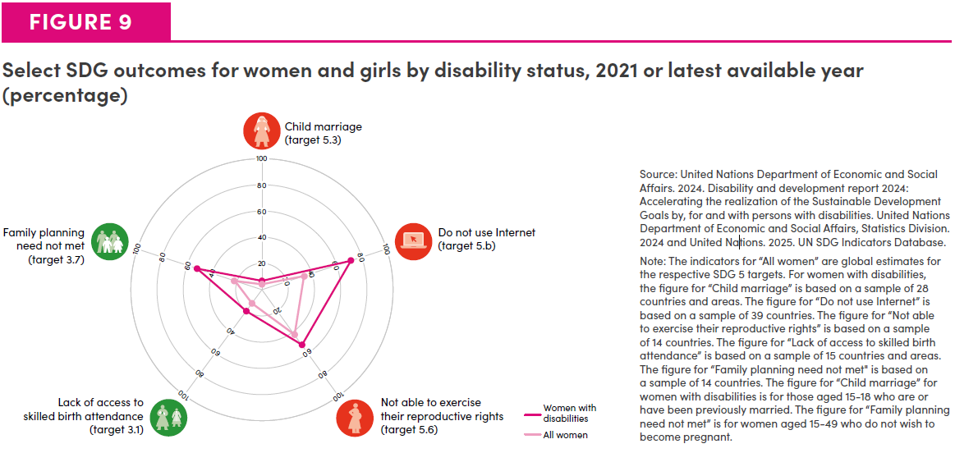
Figure 9. Select SDG outcomes for women and girls by disability status, 2021 or latest available year (percentage)

SDG Outcomes | Women with disabilities | All women
Child marriage (target 5.3) | 7 | 4.3
Do not use Internet (target 5.b) | 74 | 35
Not able to exercise their reproductive rights (target 5.6) | 54 | 44
Lack of access to skilled target birth attendance (target 3.1) | 21 | 13.7
Family planning need not met (target 3.7) | 54 | 22.4

Source: United Nations Department of Economic and Social Affairs. 2024. Disability and development report 2024: Accelerating the realization of the Sustainable Development Goals by, for and with persons with disabilities. United Nations Department of Economic and Social Affairs, Statistics Division. 2024 and United Nations. 2025. UN SDG Indicators Database.

Note: The indicators for ‘all women’ are global estimates for the respective SDG targets. For women with disabilities, the figure for “Child marriage” is based on a sample of 28 countries and areas. The figure for “Do not use Internet” is based on a sample of 39 countries. The figure on “Not able to exercise their reproductive rights” is based on a sample of 14 countries. The figure for “births not attended by skilled health personnel” is based on a sample of 15 countries and areas. The figure for “Family planning need not met” is based on a sample of 14 countries. The figure for “Child marriage” for women with disabilities is for those aged 15-18 who are or have been previously married. The figure for “Family planning need not met” is for women aged 15-49 who do not wish to become pregnant.

Goal 11
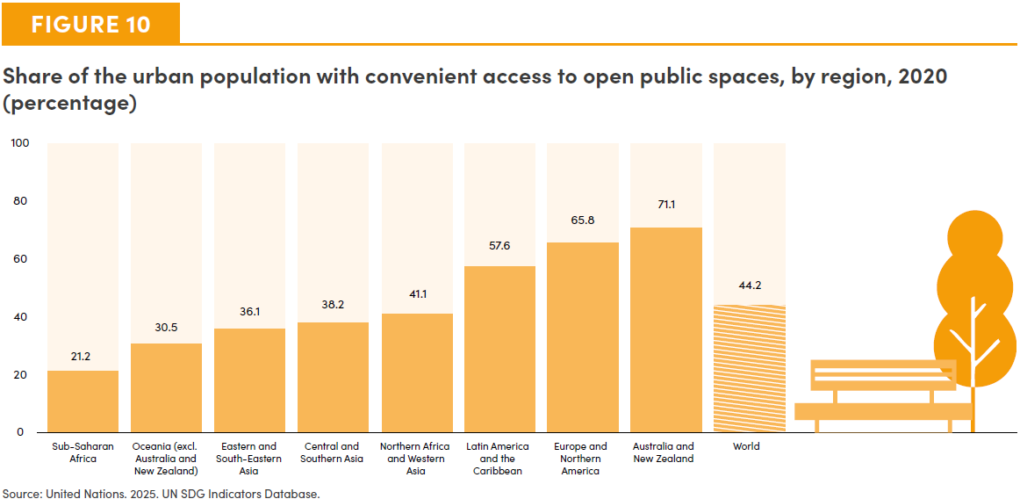
Figure 10. Share of the urban population with convenient access to open public spaces, by region, 2020 (percentage)

Region | Proportion
Sub-Saharan Africa | 21.2
Oceania (exc. Australia and New Zealand) | 30.5
Eastern and South-Eastern Asia | 36.1
Central and Southern Asia | 38.2
Northern Africa and Western Asia | 41.1
Latin America and the Caribbean | 57.6
Europe and Northern America | 65.8
Australia and New Zealand | 71.1
World | 44.2

Source: United Nations. 2025. UN SDG Indicators Database.

Goal 12-15
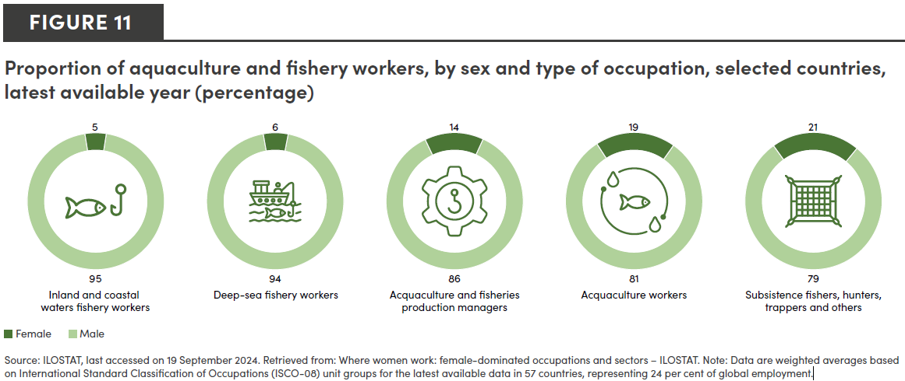
Figure 11. Proportion of aquaculture and fishery workers, by sex and type of occupation, selected countries, latest available year (percentage)

Occupation Type | Women | Men
Inland and coastal waters fishery workers | 5 | 95
Deep-sea fishery workers | 6 | 94
Aquaculture and fisheries production managers | 14 | 86
Aquaculture workers | 19 | 81
Subsistence fishers, hunters, trappers and atherers | 21 | 79

Source: ILOSTAT, last accessed on 8 September 2025. Retrieved from: Where women work: female-dominated occupations and sectors – ILOSTAT. Note: Data are weighted averages based on International Standard Classification of Occupations (ISCO-08) unit groups for the latest available data in 57 countries, representing 24 per cent of global employment.

Goal 16
Figure 12. Women and girls living within 50 kilometres of armed conflict, world, 1990-2024 (number and percentage)
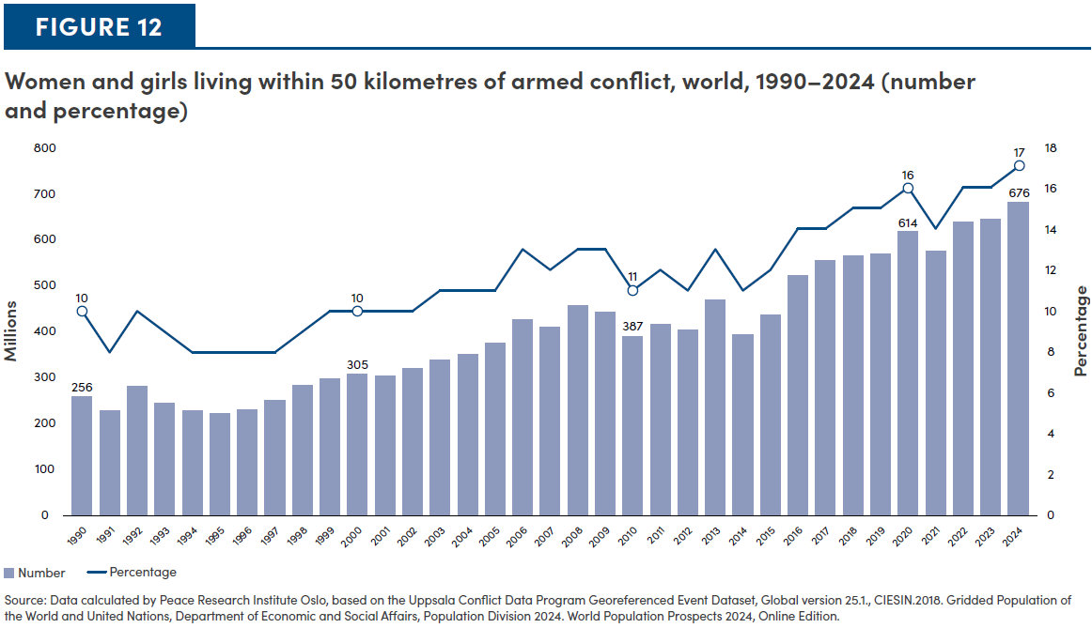
Year | Number of women living within 50kms of armed conflicts | Share of women and girls worldwide
1990 | 256 | 10
1991 | 227 | 8
1992 | 279 | 10
1993 | 242 | 9
1994 | 226 | 8
1995 | 221 | 8
1996 | 228 | 8
1997 | 249 | 8
1998 | 282 | 9
1999 | 295 | 10
2000 | 305 | 10
2001 | 301 | 10
2002 | 317 | 10
2003 | 336 | 11
2004 | 347 | 11
2005 | 372 | 11
2006 | 423 | 13
2007 | 407 | 12
2008 | 454 | 13
2009 | 440 | 13
2010 | 387 | 11
2011 | 412 | 12
2012 | 400 | 11
2013 | 466 | 13
2014 | 391 | 11
2015 | 432 | 12
2016 | 519 | 14
2017 | 550 | 14
2018 | 560 | 15
2019 | 565 | 15
2020 | 614 | 16
2021 | 570 | 14
2022 | 633 | 16
2023 | 640 | 16
2024 | 676 | 17

Source: Data calculated by Peace Research Institute Oslo, based on the Uppsala Conflict Data Program Georeferenced Event Dataset, Global version 25.1., CIESIN.2018. Gridded Population of the World and United Nations, Department of Economic and Social Affairs, Population Division 2024. World Population Prospects 2024, Online Edition.

Goal 17
