Goal 1
Figure 1. Proportion of the population covered by at least one social protection benefit, by sex, 2023 (percentage)

Region | Sex | Persons covered by at least one social protection benefit | Persons above statutory retirement age receiving an old-age pension | Active contributors as percentage of the working-age population | Women giving birth covered by maternity benefits
Australia and New Zealand | Female | 95.0 | 80.5 | 60.1 | 94.4
 | Male | 95.5 | 76.5 | 68.8
Europe and Northern America | Female | 87.0 | 97.5 | 52.2 | 79.0
 | Male | 87.9 | 99.1 | 62.3
Eastern and South-Eastern Asia | Female | 67.1 | 88.0 | 45.3 | 29.3
 | Male | 70.8 | 90.7 | 55.1
Latin America and the Caribbean | Female | 59.0 | 74.2 | 26.3 | 29.6
 | Male | 63.4 | 85.9 | 35.2
Northern Africa and Western Asia | Female | 39.2 | 48.2 | 12.8 | 19.4
 | Male | 40.4 | 76.7 | 29.6
Central and Southern Asia | Female | 30.9 | 42.4 | 9.8 | 46.3
 | Male | 41.5 | 55.9 | 28.8
Oceania (excl. Australia and New Zealand) | Female | 18.4 | 33.0 | 21.9 | 22.3
 | Male | 19.6 | 30.2 | 39.7
Sub-Saharan Africa | Female | 14.1 | 18.9 | 4.3 | 5.9
 | Male | 16.7 | 26.6 | 8.7
World | Female | 50.1 | 77.2 | 29.1 | 36.4
 | Male | 54.6 | 82.6 | 40.9

Source: International Labour Organization’s estimates; World Social Protection Database, based on the Social Security Inquiry; Social Security Programs by the International Social Security Association; ILOSTAT; national sources. Note: Effective coverage refers to the proportion of the total population receiving contributory or non-contributory social protection benefits in at least one area or actively contributing to at least one social security scheme.
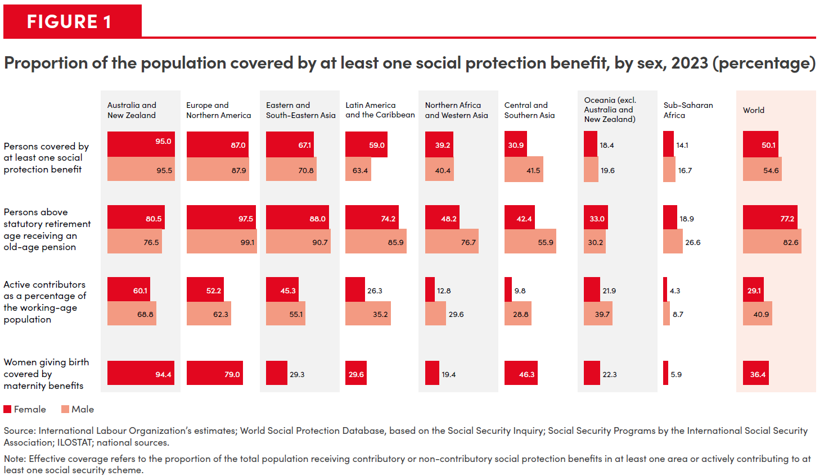

Goal 2
Figure 2. Moderate and/or severe food insecurity by sex and region, 2023 (percentage of adult population)

 | Moderate or severe food insecurity |  | Severe food insecurity
Region | Men | Women | Men | Women
Sub-Saharan Africa | 62.6 | 62.7 | 23.2 | 23.6
Oceania (excluding Australia and New Zealand) | 51.9 | 51.5 | 23.5 | 23.2
Central Asia and Southern Asia | 38.1 | 41.9 | 17.0 | 20.1
Western Asia and Northern Africa | 33.6 | 36.5 | 12.3 | 12.4
Latin America and the Caribbean | 25.1 | 30.3 | 7.8 | 9.2
Australia and New Zealand | 16.1 | 15.7 | 5.3 | 4.3
Eastern Asia and South-Eastern Asia | 9.5 | 8.8 | 1.6 | 1.4
Europe and Northern America | 8.0 | 9.2 | 1.9 | 1.7
World | 25.4 | 26.7 | 9.2 | 10.0

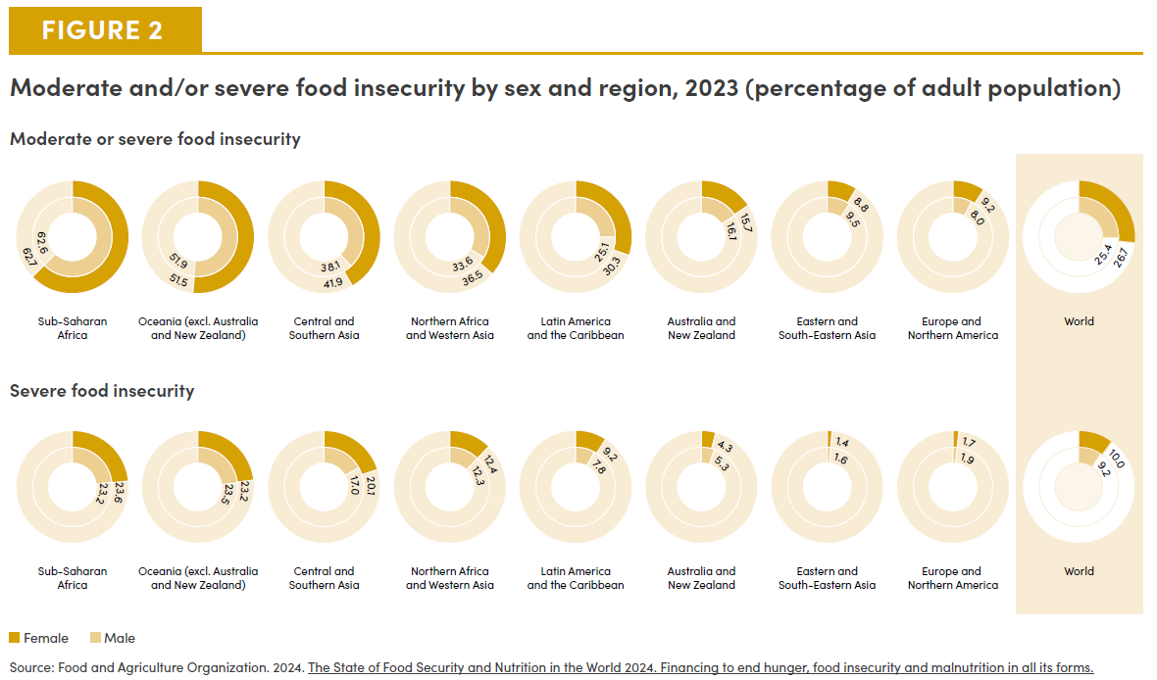

Goal 3
War, conflict and displacement take a terrible toll on women's physical and mental health

- In Gaza, among 155,000 pregnant women and new mothers, 15,000 are on the brink of famine. Pregnant women face obstacles in accessing caesarean sections, often undergoing the procedure without anaesthesia. , - In Haiti, only 10.3% of internally displaced women could access health services compared to 32% of male counterparts. - In Sudan, around 1.2 million pregnant and breastfeeding women are expected to suffer from malnutrition, facing severe health complications during and after delivery. - In Ukraine, 8% of women report desiring medicines for anxiety, compared to 4% of men.
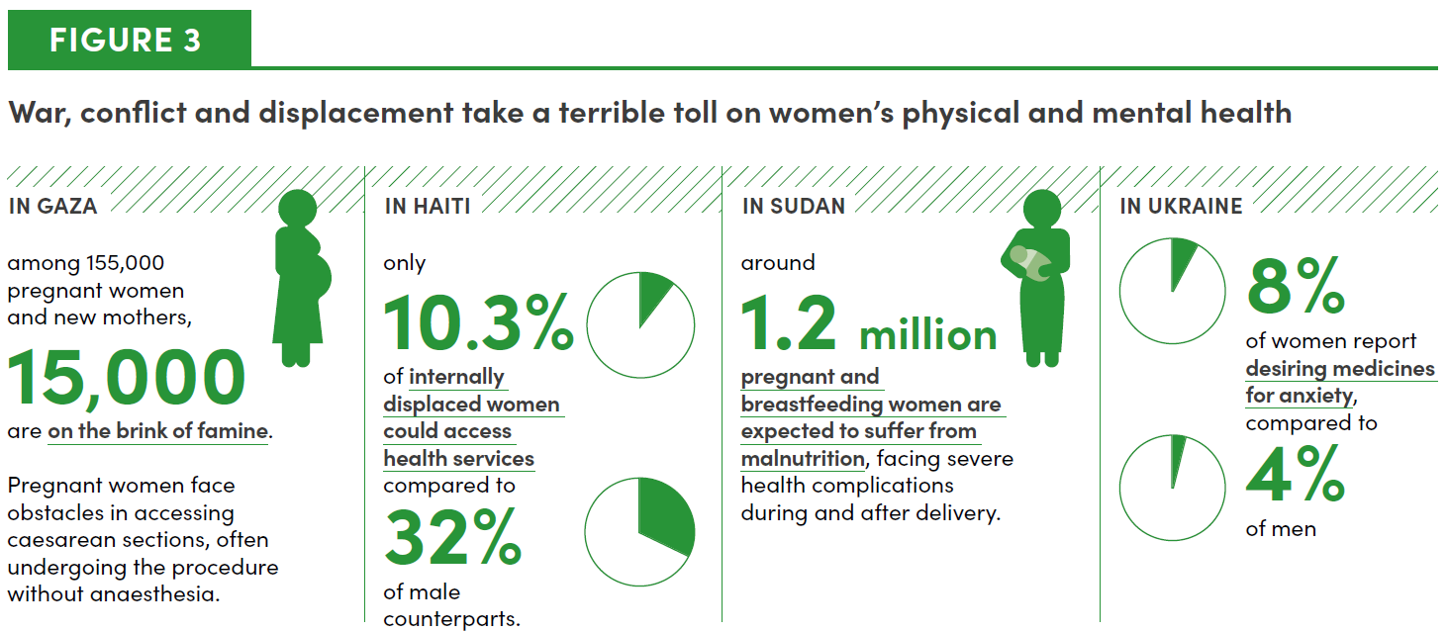

Goal 4
Figure 4. Upper-secondary out-of-school rates, by sex, 2024 (percentage)

 | Female | Male
Sub-Saharan Africa | 48 | 44
Central and Southern Asia | 37 | 37
Oceania (excluding Australia and New Zealand) | 27 | 22
Eastern and South-Eastern Asia | 19 | 21
Northern Africa and Western Asia | 18 | 17
Latin America and the Caribbean | 15 | 17
Europe and Northern America | 5 | 5
Australia and New Zealand | 1 | 2
World | 29 | 29

Source: UN-Women calculations using UNESCO’s 2024 database of out-of-school rates for the Global Education Monitoring Report, 2023. Note: Decimal points are unavailable.
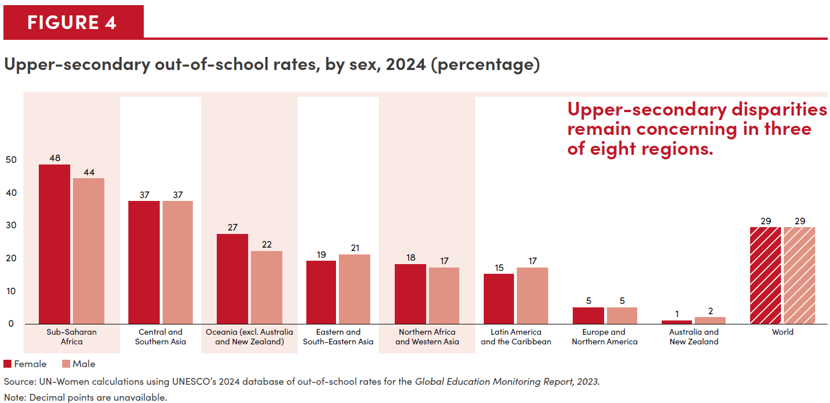

Goal 6
Figure 5. Gender mainstreaming in water resources management, by level of implementation, 2023

Canada. Indigenous Peoples have freshwater-related rights and take part in transboundary freshwater management boards. They develop and implement programmes and other measures to achieve water management objectives. ​

The Netherlands. The Royal Netherlands Water Network has created the KNW Women’s Network to exchange experiences and strengthen the position and visibility of women in the water sector.

Tajikistan. A national working group on gender and water intends to develop a gender plan to guide programmes and strategies. Training female personnel and attracting women to management positions in the water sector are pressing issues.

Vanuatu. The amended national Water Resources Management Act requires that women occupy 40 per cent of seats on local water communities. Those without 40 per cent are not eligible for registration.

Malaysia. The Indigenous People Development Department manages treated water supplies and extends home reticulation systems to all villages with Indigenous Peoples. It does not construct dams that could disrupt ecosystems and Indigenous communities. ​

Benin. Benin has sought to increase women’s roles in decision-making through quotas but further work is needed on water management bodies. Complementary support would help women effectively execute responsibilities.

Guatemala. National integrated water resources management faces lingering concerns about the meaningful inclusion of Indigenous Peoples. Participation mechanisms could strengthen inclusive representation.

Ver Low ---- Low ---- Medium-low ---- Medium-high ---- High ---- Very high ---- Not applicable ---- No data

Source: United Nations Environment Programme. 2024. Integrated Water Resources Management Data Portal.

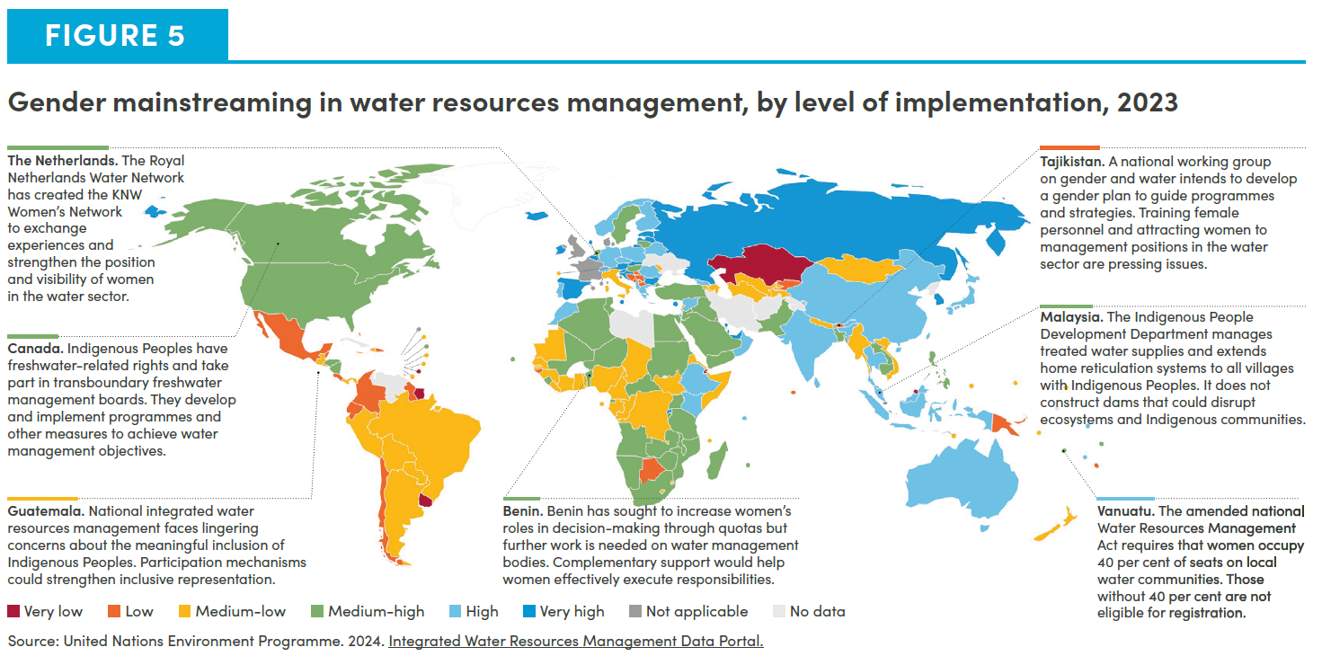

Goal 7
Figure 6. Energy is in transition, but gender barriers remain acute

• 8.6% of people globally lacked electricity in 2022, including more than 50% in 21 developing countries. • In homes with electrification, women are 9 to 23 percentage points more likely to gain employment outside the home. • Globally, household air pollution is the third leading cause of female death. • It accounted for the loss of an estimated 86 million healthy life years in 2019, mostly among women in low- and middle-income countries. • Female inventors hold just 42.6% of energy-related patents. • However, women hold just 32% of jobs in renewable energy. • Only 22% of innovators of clean energy transition technologies are women. • Women hold 16.4% of senior management positions.
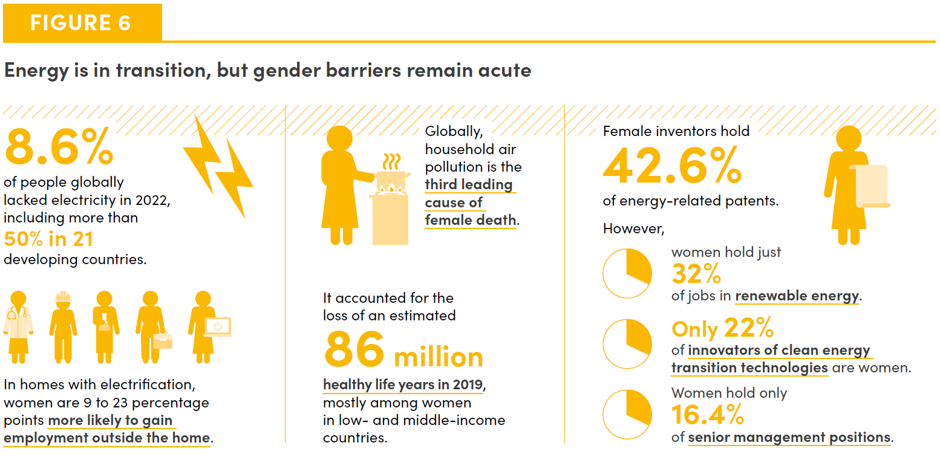

Goal 8
Figure 7. Unemployment rate and jobs gap rate, by sex, ages 15 and over, 2024 (percentage)

SDG Region | Rate | Male | Female
Australia and New Zealand | Unemployment rate | 4.0 | 3.9
 | Jobs gap rate | 5.3 | 6.8
Eastern and South-Eastern Asia | Unemployment rate | 4.2 | 3.5
 | Jobs gap rate | 6.0 | 7.7
Oceania (excl. Australia and New Zealand) | Unemployment rate | 3.9 | 3.8
 | Jobs gap rate | 8.0 | 9.1
Europe and Northern America | Unemployment rate | 4.8 | 4.9
 | Jobs gap rate | 8.1 | 9.7
Central and Southern Asia | Unemployment rate | 4.5 | 5.3
 | Jobs gap rate | 7.2 | 12.3
Latin America and the Caribbean | Unemployment rate | 5.2 | 7.5
 | Jobs gap rate | 9.5 | 19.3
Sub-Saharan Africa | Unemployment rate | 5.1 | 6.5
 | Jobs gap rate | 13.6 | 21.0
Northern Africa and Western Asia | Unemployment rate | 7.8 | 14.8
 | Jobs gap rate | 13.3 | 32.1
World | Unemployment rate | 4.8 | 5.2
 | Jobs gap rate | 8.3 | 13.0

Source: International Labour Organization. 2024. ILOSTAT Database. Note: Modelled estimates are used. The unemployment rate, the potential labour force rate, and the willing non-job seekers rate represent different degrees of labour market attachment.

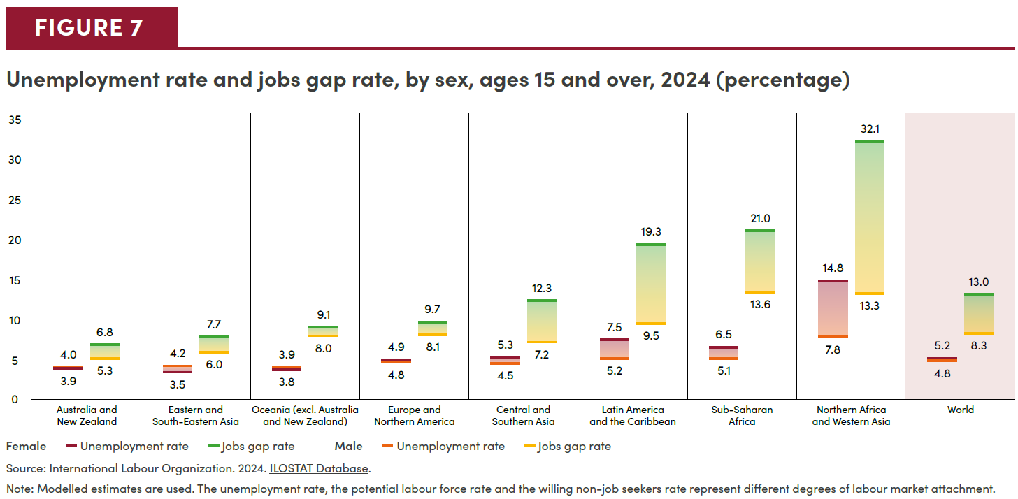

Goal 9
Figure 8. Share of female researchers, by region, 2011 and 2021 (percentage)

SDG Region | 2011 | 2021 | Parity
Latin America and the Caribbean | 44.6 | 44.4 | 50.0
Northern Africa and Western Asia | 35.6 | 38.4 | 50.0
Europe and Northern America | 34.5 | 35.3 | 50.0
Sub-Saharan Africa | 28.6 | 31.4 | 50.0
Central and Southern Asia | 20.4 | 26.9 | 50.0
Eastern and South-Eastern Asia | 23.3 | 26.2 | 50.0
World | 29.4 | 31.5 | 50.0

Source: UIS Data Browser. Note: Regional averages are based on available data; they are derived by using the nearest year’s data whenever data are missing for 2011 and 2021.
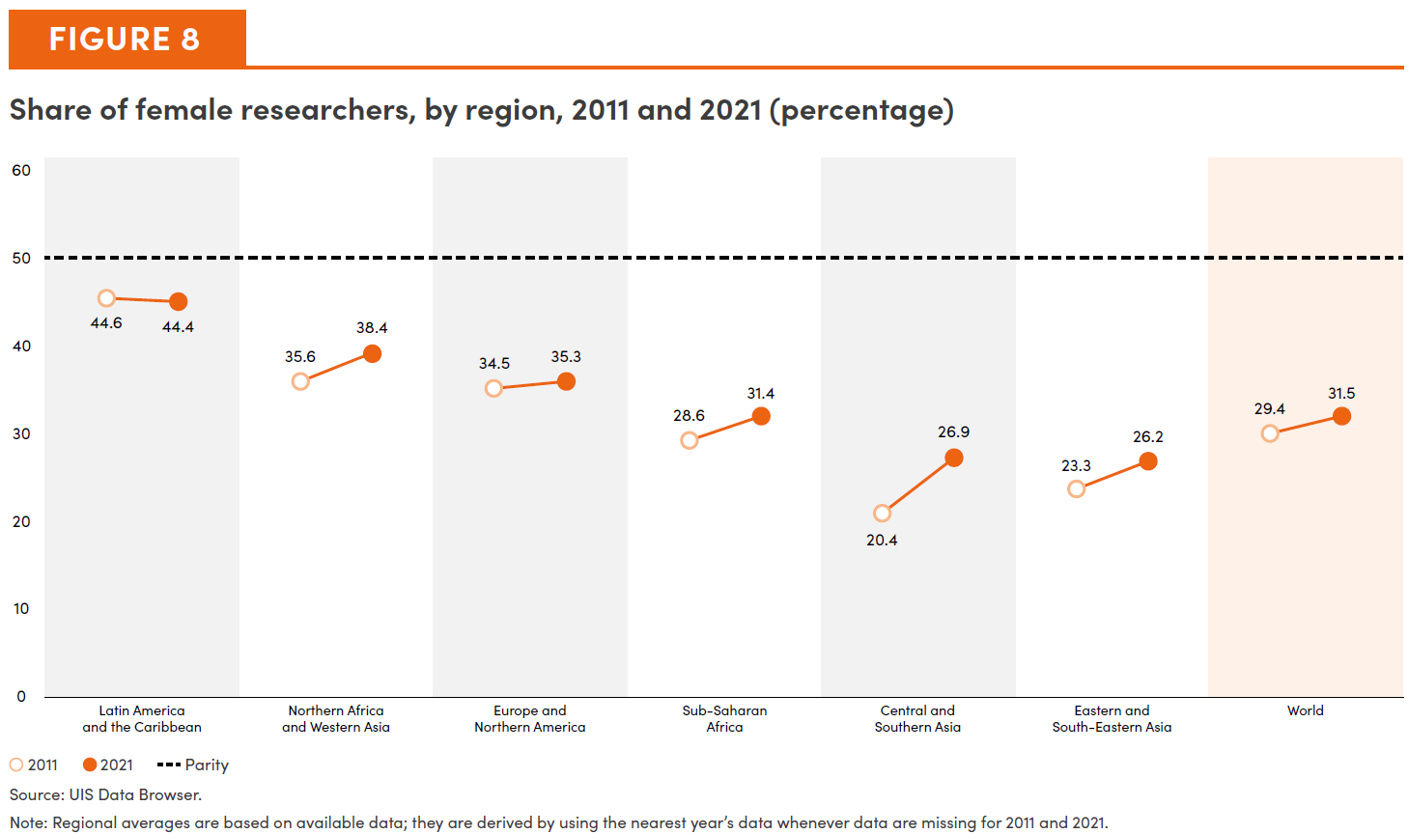

Goal 10
Figure 9. Proportion of the population that believes the impact of immigrants on their country’s development is quite bad or rather bad, by sex, 2017-2022 (percentage)

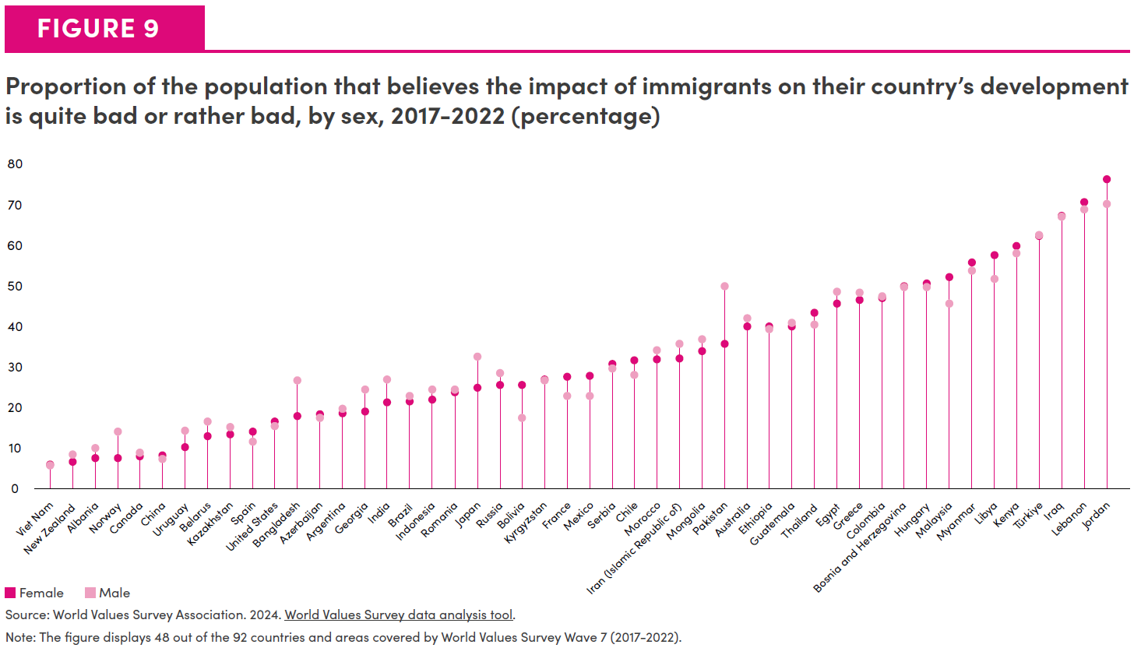
 | Female | Male
Viet Nam | 6 | 5.7
New Zealand | 6.8 | 8.6
Albania | 7.5 | 10
Norway | 7.6 | 14.1
Canada | 8 | 9
China | 8.2 | 7.4
Uruguay | 10.3 | 14.3
Belarus | 13 | 16.6
Kazakhstan | 13.4 | 15.3
Spain | 14.2 | 11.7
United States | 16.6 | 15.5
Bangladesh | 18 | 26.7
Azerbaijan | 18.4 | 17.4
Argentina | 18.6 | 19.8
Georgia | 19 | 24.5
India | 21.3 | 26.9
Brazil | 21.5 | 22.8
Indonesia | 21.9 | 24.5
Romania | 23.8 | 24.5
Japan | 24.9 | 32.5
Russia | 25.5 | 28.6
Bolivia | 25.7 | 17.5
Kyrgyzstan | 26.9 | 26.7
France | 27.7 | 22.9
Mexico | 27.9 | 23
Serbia | 30.7 | 29.7
Chile | 31.6 | 28
Morocco | 31.9 | 34.2
Iran (Islamic Republic of) | 32.1 | 35.6
Mongolia | 33.9 | 36.9
Pakistan | 35.7 | 49.9
Australia | 39.9 | 42
Ethiopia | 39.9 | 39.2
Guatemala | 40 | 40.9
Thailand | 43.3 | 40.4
Egypt | 45.7 | 48.5
Greece | 46.6 | 48.2
Colombia | 47 | 47.3
Bosnia and Herzegovina | 49.9 | 49.7
Hungary | 50.6 | 49.7
Malaysia | 52.2 | 45.5
Myanmar | 55.8 | 53.8
Libya | 57.5 | 51.7
Kenya | 59.8 | 57.9
Türkiye | 62.2 | 62.5
Iraq | 67.2 | 67
Lebanon | 70.5 | 68.7
Jordan | 76.3 | 70.2

Source: World Values Survey Association. 2024. World Values Survey data analysis tool Note: The figure displays 48 out of the 92 countries and areas covered by World Values Survey Wave 7 (2017-2022).

Goal 11
Figure 10. Proportion of the urban population with convenient access to public transport, 2020 (percentage)

SDG Region | Share of urban population with convenient access to public transport, 2020 (percentage)
Europe and Northern America | 82.6
Australia and New Zealand | 81.3
Latin America and the Caribbean | 60.6
Eastern and South-Eastern Asia | 56.6
Central and Southern Asia | 52.8
Northern Africa and Western Asia | 49.3
Sub-Saharan Africa | 33.8
Oceania (excluding Australia and New Zealand) | 16.2
World | 60.9

Source: United Nations Human Settlement Programme (UN-Habitat), Global Urban Indicators Database 2024
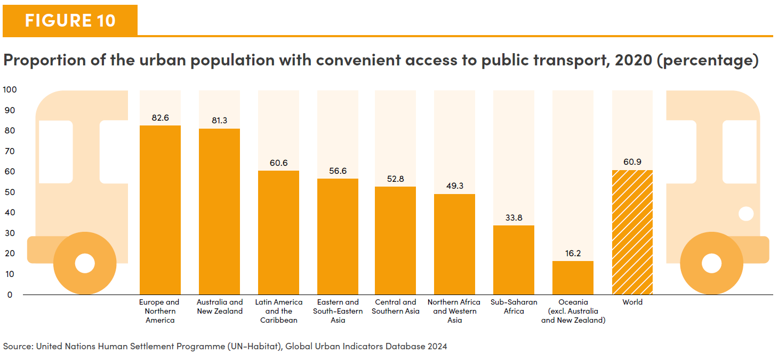

Goals 12-15 (Infographic)
Figure 11. The effect of multiple disasters on women and girls in Mongolia and Tonga

 | Effect | Mongolia | Tonga
Proportion of women exposed to hazards in the past 12 months who: | saw their mental health affected by disasters | 3% (1 percentage point more than men) | 92% (7 percentage points more than men)
Proportion of women who noted climate change is: | lengthening the time spent collecting forest products | 18% (15 percentage points more than men) | 19% (11 percentage points less than men)
 | worsening unpaid care burdens | 2% (0.5 percentage points more than men) | 62% (6 percentage points more than men)

Source: UN-Women and TSD 2023. Gender and Environment Survey 2022. Kingdom of Tonga; UN-Women and MNSO 2024. Gender and Environment Survey Pilot 2021. Mongolia.
Note: The survey conducted in Mongolia was a pilot survey. The data were collected utilizing computer-assisted telephone interviews (CATI) during the COVID-19 pandemic. See notes and references document for more details. See Notes and References document for more details.
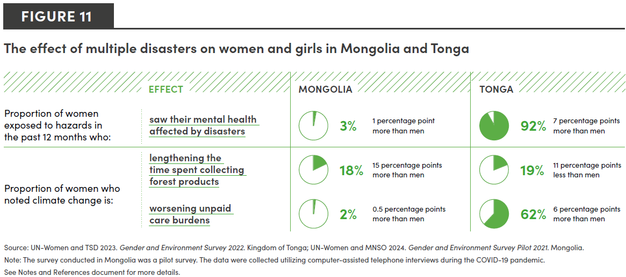

Goal 16
Figure 12. Proportion of the population that feels safe walking alone at night where they live, by region and sex, 2020–2022 (percentage)

Region | Proportion of the population that feels safe walking alone at night where they live | Sex
Latin America and the Caribbean | 37 | Female
Latin America and the Caribbean | 52 | Male
Sub-Saharan Africa | 47 | Female
Sub-Saharan Africa | 56 | Male
Central Asia and Southern Asia | 58 | Female
Central Asia and Southern Asia | 72 | Male
Northern Africa and Western Asia | 66 | Female
Northern Africa and Western Asia | 84 | Male
Europe and Northern America | 68 | Female
Europe and Northern America | 78 | Male
Eastern Asia and South-Eastern Asia | 80 | Female
Eastern Asia and South-Eastern Asia | 90 | Male
World | 65 | Female
World | 77 | Male

Source: UNODC. 2024. Based on responses to the United Nations Survey of Crime Trends and Operations of Criminal Justice Systems and the Gallup World Poll. Note: Regional aggregates refer to three-year averages weighted by country population size. Averages for Oceania were removed, as data were only available for one country.
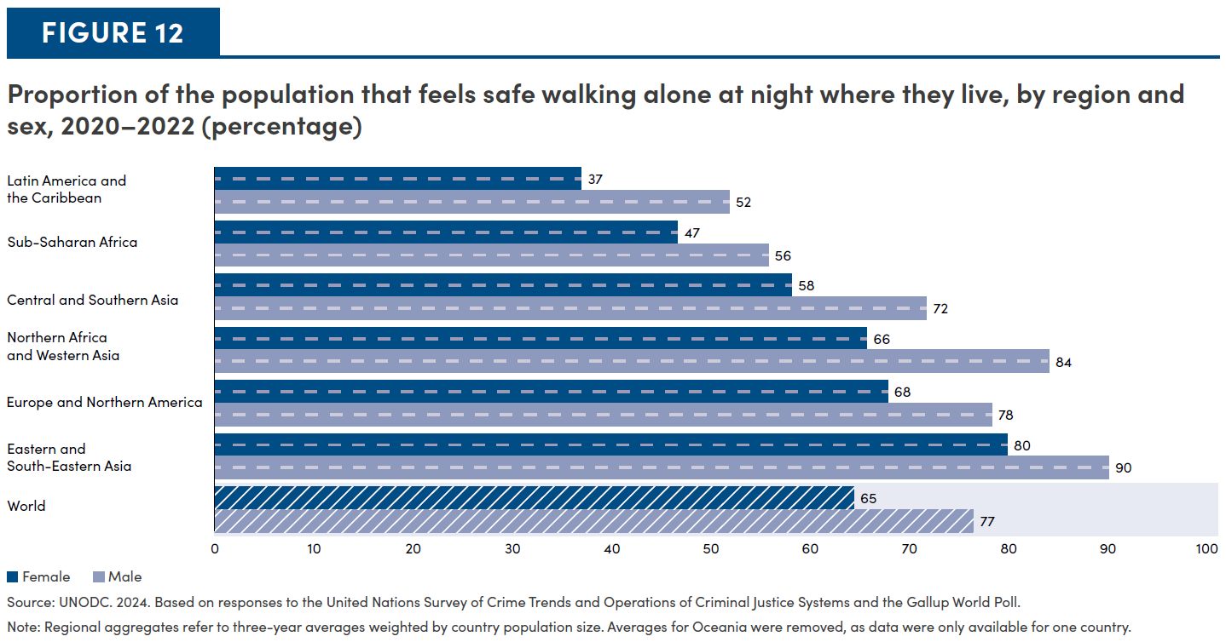

Goal 17
Figure 13. The Gender Data Outlook Index and overall statistical capacity, 2024

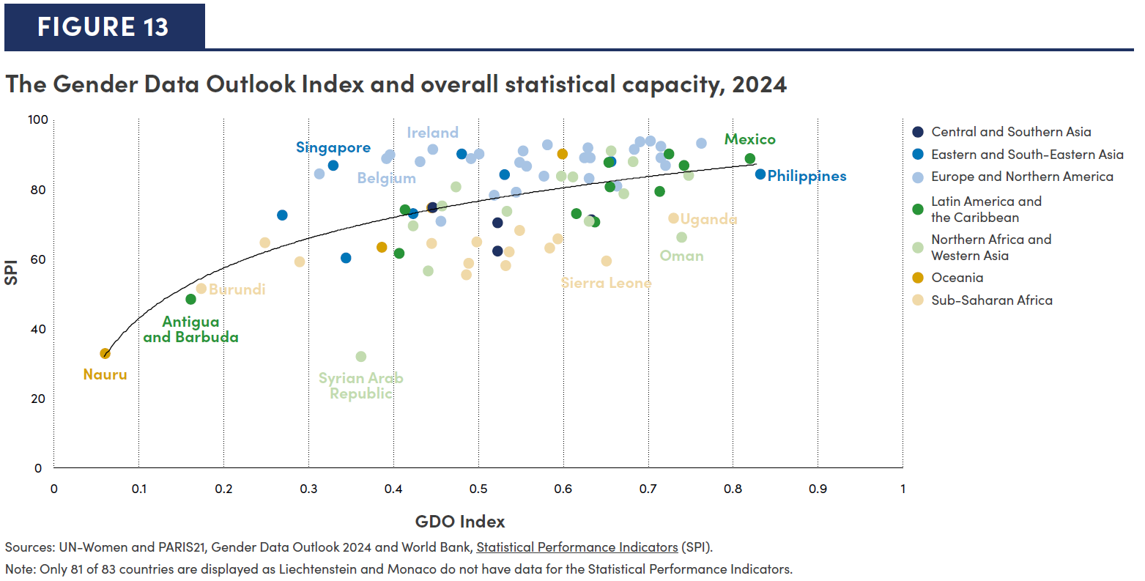
Country | Region | GDO Index | World Bank SPI
India | Central Asia and Southern Asia | 0.445 | 74.5
Nepal | Central Asia and Southern Asia | 0.521 | 62.0
Bangladesh | Central Asia and Southern Asia | 0.521 | 70.1
Pakistan | Central Asia and Southern Asia | 0.633 | 71.1
Myanmar | Eastern Asia and South-Eastern Asia | 0.268 | 72.3
Timor-Leste | Eastern Asia and South-Eastern Asia | 0.344 | 60.2
Singapore | Eastern Asia and South-Eastern Asia | 0.329 | 86.6 | Singapore
Viet Nam | Eastern Asia and South-Eastern Asia | 0.422 | 72.8
Japan | Eastern Asia and South-Eastern Asia | 0.480 | 89.9
Mongolia | Eastern Asia and South-Eastern Asia | 0.530 | 84.0
Korea (Republic of) | Eastern Asia and South-Eastern Asia | 0.655 | 87.8
Philippines | Eastern Asia and South-Eastern Asia | 0.832 | 84.0 | Philippines
Bulgaria | Europe and Northern America | 0.312 | 84.2
Monaco | Europe and Northern America | 0.409
Estonia | Europe and Northern America | 0.395 | 89.6
Belgium | Europe and Northern America | 0.392 | 88.6 | Belgium
Lithuania | Europe and Northern America | 0.431 | 87.8
Ireland | Europe and Northern America | 0.445 | 91.3 | Ireland
Bosnia and Herzegovina | Europe and Northern America | 0.455 | 70.6
Greece | Europe and Northern America | 0.491 | 88.7
Austria | Europe and Northern America | 0.500 | 90.0
Montenegro | Europe and Northern America | 0.518 | 78.1
Hungary | Europe and Northern America | 0.548 | 87.6
Ukraine | Europe and Northern America | 0.544 | 78.9
United Kingdom | Europe and Northern America | 0.556 | 86.5
France | Europe and Northern America | 0.552 | 90.8
Republic of North Macedonia | Europe and Northern America | 0.576 | 83.5
Slovenia | Europe and Northern America | 0.580 | 92.5
Switzerland | Europe and Northern America | 0.624 | 88.8
Poland | Europe and Northern America | 0.628 | 91.6
Moldova (Republic of) | Europe and Northern America | 0.630 | 82.8
Slovakia | Europe and Northern America | 0.631 | 88.8
Serbia | Europe and Northern America | 0.662 | 80.8
Germany | Europe and Northern America | 0.682 | 91.3
Norway | Europe and Northern America | 0.689 | 93.5
Finland | Europe and Northern America | 0.701 | 93.6
Sweden | Europe and Northern America | 0.713 | 92.2
Latvia | Europe and Northern America | 0.714 | 88.8
Belarus | Europe and Northern America | 0.720 | 86.7
Canada | Europe and Northern America | 0.761 | 92.9
Antigua and Barbuda | Latin America and the Caribbean | 0.161 | 48.2 | Antigua and Barbuda
El Salvador | Latin America and the Caribbean | 0.412 | 73.8
Suriname | Latin America and the Caribbean | 0.406 | 61.5
Dominican Republic | Latin America and the Caribbean | 0.615 | 72.8
Panama | Latin America and the Caribbean | 0.636 | 70.5
Chile | Latin America and the Caribbean | 0.652 | 87.4
Brazil | Latin America and the Caribbean | 0.654 | 80.5
Ecuador | Latin America and the Caribbean | 0.712 | 79.2
Costa Rica | Latin America and the Caribbean | 0.724 | 89.9
Colombia | Latin America and the Caribbean | 0.742 | 86.6
Mexico | Latin America and the Caribbean | 0.818 | 88.6 | Mexico
Syrian Arab Republic | Northern Africa and Western Asia | 0.361 | 31.9 | Syrian Arab Republic
Kuwait | Northern Africa and Western Asia | 0.423 | 69.2
Iraq | Northern Africa and Western Asia | 0.440 | 56.3
Tunisia | Northern Africa and Western Asia | 0.457 | 75.1
Saudi Arabia | Northern Africa and Western Asia | 0.473 | 80.4
Azerbaijan | Northern Africa and Western Asia | 0.533 | 73.5
Armenia | Northern Africa and Western Asia | 0.597 | 83.5
Israel | Northern Africa and Western Asia | 0.610 | 83.3
Qatar | Northern Africa and Western Asia | 0.630 | 70.6
...

