In Focus
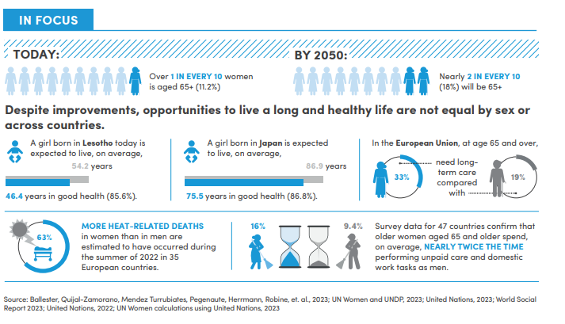

In Focus (2)
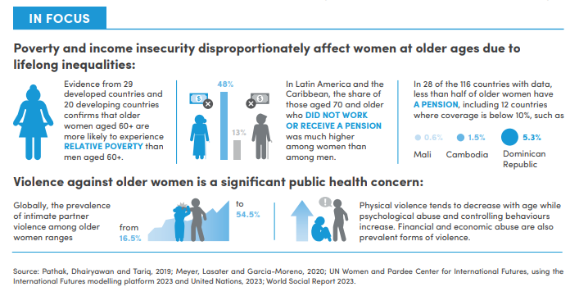

Goal 1
Region | Year | Female extreme Poverty rates
Sub-Saharan Africa | 2015 | 39.7
 | 2020 | 40.2
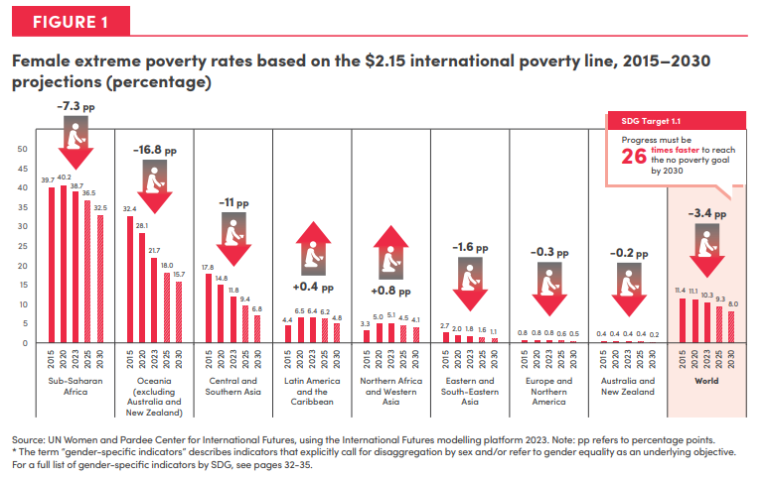
 | 2023 | 38.7
 | 2025 | 36.5
 | 2030 | 32.5

Oceania (excluding Australia and New Zealand) | 2015 | 32.4
 | 2020 | 28.1
 | 2023 | 21.7
 | 2025 | 18.0
 | 2030 | 15.7

Central and Southern Asia | 2015 | 17.8
 | 2020 | 14.8
 | 2023 | 11.8
 | 2025 | 9.4
 | 2030 | 6.8

Latin America and the Caribbean | 2015 | 4.4
 | 2020 | 6.5
 | 2023 | 6.4
 | 2025 | 6.2
 | 2030 | 4.8

Northern Africa and Western Asia | 2015 | 3.3
 | 2020 | 5.0
 | 2023 | 5.1
 | 2025 | 4.5
 | 2030 | 4.1

Eastern and South-Eastern Asia | 2015 | 2.7
 | 2020 | 2.0
 | 2023 | 1.8
 | 2025 | 1.6
 | 2030 | 1.1

Europe and Northern America | 2015 | 0.8
 | 2020 | 0.8
 | 2023 | 0.8
 | 2025 | 0.6
 | 2030 | 0.5

Australia and New Zealand | 2015 | 0.4
 | 2020 | 0.4
 | 2023 | 0.4
 | 2025 | 0.4
 | 2030 | 0.2

World | 2015 | 11.4
 | 2020 | 11.1
 | 2023 | 10.3
 | 2025 | 9.3
 | 2030 | 8.0

Goal 2
Region | Year | Proportion of women who are moderately or severly food insecure
Sub-Saharan Africa | 2015 | 60.7
 | 2020 | 57.3
 | 2023 | 54.6
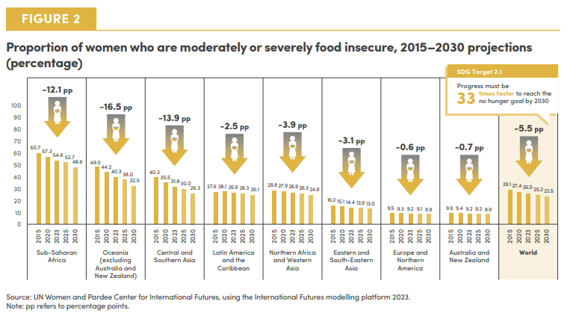
 | 2025 | 52.7
 | 2030 | 48.6

Oceania (excluding Australia and New Zealand) | 2015 | 49.0
 | 2020 | 44.2
 | 2023 | 40.3
 | 2025 | 38.0
 | 2030 | 32.5

Central and Southern Asia | 2015 | 40.2
 | 2020 | 35.5
 | 2023 | 31.8
 | 2025 | 30.0
 | 2030 | 26.3

Latin America and the Caribbean | 2015 | 27.6
 | 2020 | 28.1
 | 2023 | 26.9
 | 2025 | 26.3
 | 2030 | 25.1

Northern Africa and Western Asia | 2015 | 28.8
 | 2020 | 27.9
 | 2023 | 26.9
 | 2025 | 26.3
 | 2030 | 24.9

Eastern and South-Eastern Asia | 2015 | 16.2
 | 2020 | 15.1
 | 2023 | 14.4
 | 2025 | 13.9
 | 2030 | 13.0

Europe and Northern America | 2015 | 9.5
 | 2020 | 9.3
 | 2023 | 9.2
 | 2025 | 9.1
 | 2030 | 8.9

Australia and New Zealand | 2015 | 9.6
 | 2020 | 9.4
 | 2023 | 9.2
 | 2025 | 9.2
 | 2030 | 8.9

World | 2015 | 29.1
 | 2020 | 27.4
 | 2023 | 26.0
 | 2025 | 25.2
 | 2030 | 23.5

Goal 3
Region | Year | MMR
Sub-Saharan Africa | 2000 | 807
 | 2005 | 716
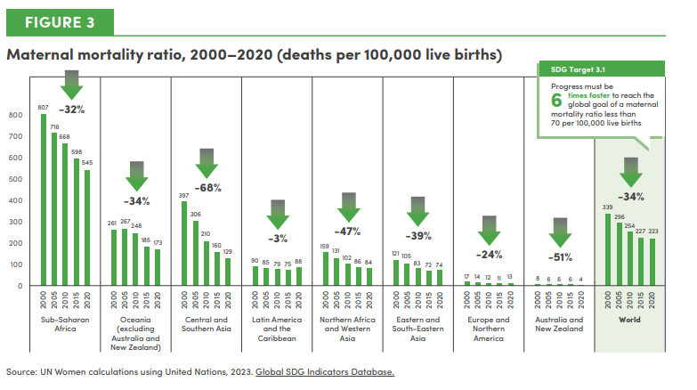
 | 2010 | 668
 | 2015 | 598
 | 2020 | 545

Oceania (excl. Australia and New Zealand) | 2000 | 261
 | 2005 | 267
 | 2010 | 248
 | 2015 | 185
 | 2020 | 173

Central and Southern Asia | 2000 | 397
 | 2005 | 306
 | 2010 | 210
 | 2015 | 160
 | 2020 | 129

Latin America and the Caribbean | 2000 | 90
 | 2005 | 85
 | 2010 | 79
 | 2015 | 75
 | 2020 | 88

Northern Africa and Western Asia | 2000 | 159
 | 2005 | 131
 | 2010 | 102
 | 2015 | 86
 | 2020 | 84

Eastern and South-Eastern Asia | 2000 | 121
 | 2005 | 105
 | 2010 | 83
 | 2015 | 72
 | 2020 | 74

Europe and Northern America | 2000 | 17
 | 2005 | 14
 | 2010 | 12
 | 2015 | 11
 | 2020 | 13

Australia and New Zealand | 2000 | 8
 | 2005 | 6
 | 2010 | 6
 | 2015 | 6
 | 2020 | 4

World | 2000 | 339
 | 2005 | 296
 | 2010 | 254
 | 2015 | 227
 | 2020 | 223

Goal 4
Region | Region | Year | Young women | Young men
Sub-Saharan Africa | Sub-Saharan Africa | 2005 | 28.2 | 17.6
 |  | 2010 | 27.1 | 16.9
 |  | 2015 | 27.6 | 17.4
 |  | 2020 | 31.6 | 20.9
 |  | 2022 | 31.4 | 20.1

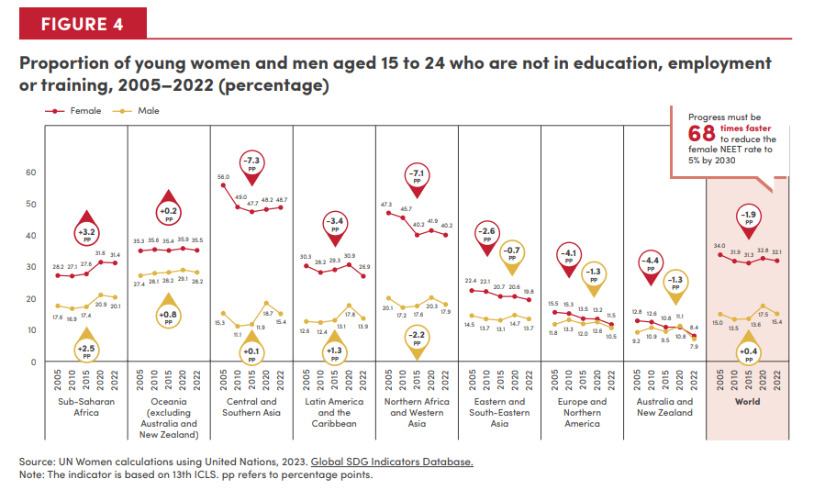
Oceania (excl. Australia and New Zealand) | Oceania (excl. Australia and New Zealand) | 2005 | 35.3 | 27.4
 |  | 2010 | 35.6 | 28.1
 |  | 2015 | 35.4 | 28.2
 |  | 2020 | 35.9 | 29.1
 |  | 2022 | 35.5 | 28.2

Central and Southern Asia | Central and Southern Asia | 2005 | 56.0 | 15.3
 |  | 2010 | 49.0 | 11.1
 |  | 2015 | 47.7 | 11.9
 |  | 2020 | 48.2 | 18.7
-3.6pp
 |  | 2022 | 48.7 | 15.4

+6pp
Latin America and the Caribbean | Latin America and the Caribbean | 2005 | 30.3 | 12.6
 |  | 2010 | 28.2 | 12.4
 |  | 2015 | 29.3 | 13.1
 |  | 2020 | 30.9 | 17.8
 |  | 2022 | 26.9 | 13.9

Northern Africa and Western Asia | Northern Africa and Western Asia | 2005 | 47.3 | 20.1
 |  | 2010 | 45.7 | 17.2
 |  | 2015 | 40.2 | 17.6
 |  | 2020 | 41.9 | 20.3
 |  | 2022 | 40.2 | 17.9

Eastern and South-Eastern Asia | Eastern and South-Eastern Asia | 2005 | 22.4 | 14.5
 |  | 2010 | 22.1 | 13.7
 |  | 2015 | 20.7 | 13.1
 |  | 2020 | 20.6 | 14.7
 |  | 2022 | 19.8 | 13.7

Europe and Northern America | Europe and Northern America | 2005 | 15.5 | 11.8
 |  | 2010 | 15.3 | 13.3
 |  | 2015 | 13.5 | 12.0
 |  | 2020 | 13.2 | 12.6
 |  | 2022 | 11.5 | 10.5

Australia and New Zealand | Australia and New Zealand | 2005 | 12.8 | 9.2
 |  | 2010 | 12.6 | 10.9
 |  | 2015 | 10.8 | 9.5
 |  | 2020 | 10.8 | 11.1
 |  | 2022 | 8.4 | 7.9

World | World | 2005 | 34.0 | 15.0
 |  | 2010 | 31.9 | 13.5
 |  | 2015 | 31.3 | 13.6
 |  | 2020 | 32.8 | 17.5
 |  | 2022 | 32.1 | 15.4

Goal 5
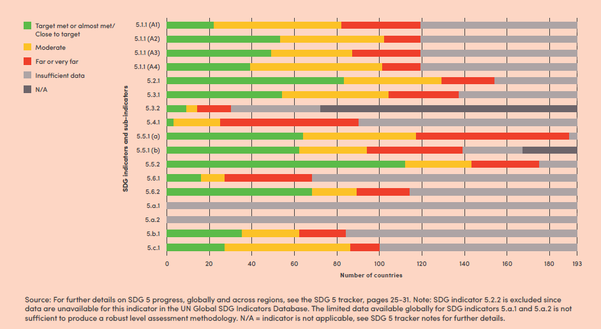
SDG 5 indicator and sub-indicator | Target met or almost met/Close to target | Moderate | Far or very far | Insufficient data | N/A | Total
5.c.1 | 27 | 59 | 14 | 93 | 0 | 193
5.b.1 | 35 | 27 | 22 | 109 | 0 | 193
5.a.2 | 0 | 0 | 0 | 193 | 0 | 193
5.a.1 | 0 | 0 | 0 | 193 | 0 | 193
5.6.2 | 68 | 21 | 25 | 79 | 0 | 193
5.6.1 | 16 | 11 | 41 | 125 | 0 | 193
5.5.2 | 112 | 31 | 32 | 18 | 0 | 193
5.5.1 (b) | 62 | 32 | 45 | 28 | 26 | 193
5.5.1 (a) | 64 | 53 | 72 | 4 | 0 | 193
5.4.1 | 3 | 22 | 65 | 103 | 0 | 193
5.3.2 | 9 | 5 | 16 | 42 | 121 | 193
5.3.1 | 54 | 50 | 33 | 56 | 0 | 193
5.2.1 | 83 | 46 | 25 | 39 | 0 | 193
5.1.1 (A4) | 39 | 62 | 18 | 74 | 0 | 193
5.1.1 (A3) | 49 | 38 | 32 | 74 | 0 | 193
5.1.1 (A2) | 53 | 49 | 17 | 74 | 0 | 193
5.1.1 (A1) | 22 | 60 | 37 | 74 | 0 | 193

Goal 6
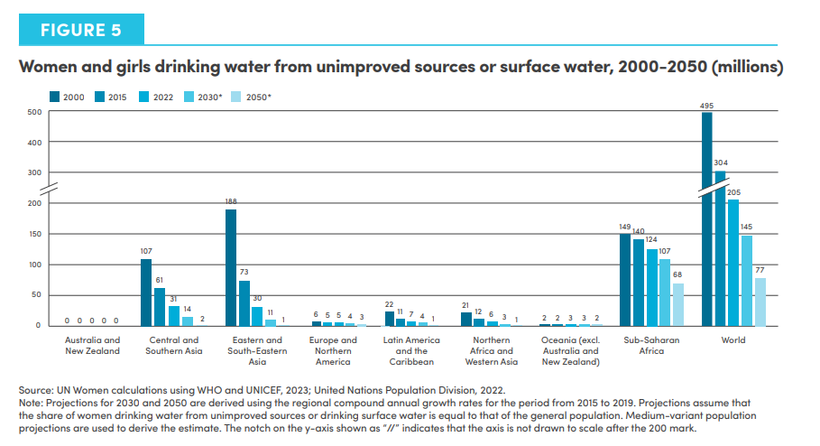
Region | 2000 | 2015 | 2022 | 2030* | 2050*
Australia and New Zealand | 0 | 0 | 0 | 0 | 0
Central and Southern Asia | 107 | 61 | 31 | 14 | 2
Eastern and South-Eastern Asia | 188 | 73 | 30 | 11 | 1
Europe and Northern America | 6 | 5 | 5 | 4 | 3
Latin America and the Caribbean | 22 | 11 | 7 | 4 | 1
Northern Africa and Western Asia | 21 | 12 | 6 | 3 | 1
Oceania (excl. Australia and New Zealand) | 2 | 2 | 3 | 3 | 2
Sub-Saharan Africa | 149 | 140 | 124 | 107 | 68
World | 495 | 304 | 205 | 145 | 77

Goal 7
Region | Year | Electricity | Primary reliance on clean fuels and technology
Sub-Saharan Africa | 2010 | 33 | 12
 | 2015 | 39 | 14
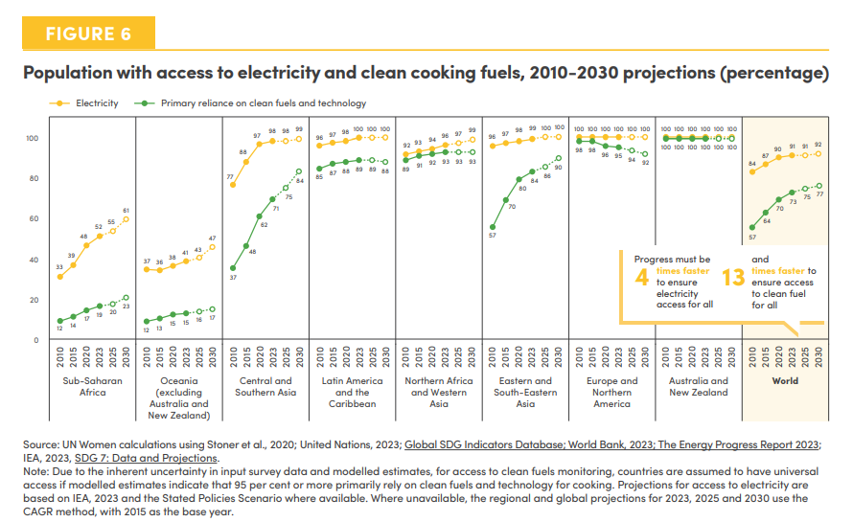
 | 2020 | 48 | 17
 | 2023 | 52 | 19
 | 2025 | 55 | 20
 | 2030 | 61 | 23

Oceania (excl. Australia and New Zealand) | 2010 | 37 | 12
 | 2015 | 36 | 13
 | 2020 | 38 | 15
 | 2023 | 41 | 15
 | 2025 | 43 | 16
 | 2030 | 47 | 17

Central and Southern Asia | 2010 | 77 | 37
 | 2015 | 88 | 48
 | 2020 | 97 | 62
 | 2023 | 98 | 71
 | 2025 | 98 | 75
 | 2030 | 99 | 84

Latin America and the Caribbean | 2010 | 96 | 85
 | 2015 | 97 | 87
 | 2020 | 98 | 88
 | 2023 | 100 | 89
 | 2025 | 100 | 89
 | 2030 | 100 | 88

Northern Africa and Western Asia | 2010 | 92 | 89
 | 2015 | 93 | 91
 | 2020 | 94 | 92
 | 2023 | 96 | 93
 | 2025 | 97 | 93
 | 2030 | 99 | 93

Eastern and South-Eastern Asia | 2010 | 96 | 57
 | 2015 | 97 | 70
 | 2020 | 98 | 80
 | 2023 | 99 | 84
 | 2025 | 100 | 86
 | 2030 | 100 | 90

Europe and Northern America | 2010 | 100 | 98
 | 2015 | 100 | 98
 | 2020 | 100 | 96
 | 2023 | 100 | 95
 | 2025 | 100 | 94
 | 2030 | 100 | 92

Australia and New Zealand | 2010 | 100 | 100
 | 2015 | 100 | 100
 | 2020 | 100 | 100
 | 2023 | 100 | 100
 | 2025 | 100 | 100
 | 2030 | 100 | 100

World | 2010 | 84 | 57
 | 2015 | 87 | 64
 | 2020 | 90 | 70
 | 2023 | 91 | 73
 | 2025 | 91 | 75
 | 2030 | 92 | 77

Goal 8
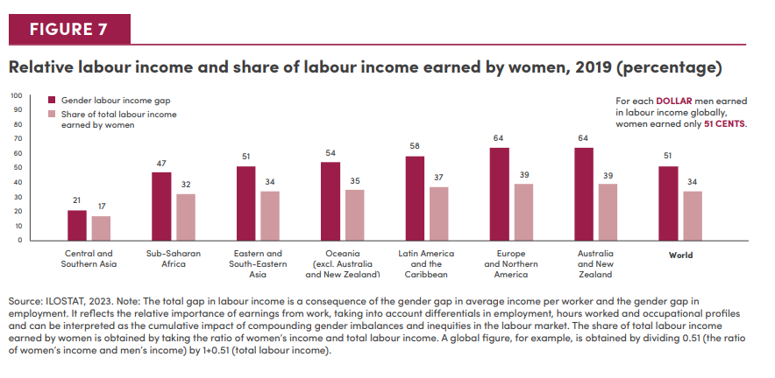
Region | Gender labour income gap | Share of total labour income earned by women
Central Asia and Southern Asia | 21 | 17
Sub-Saharan Africa | 47 | 32
Eastern Asia and South-Eastern Asia | 51 | 34
Oceania (excl. Australia and New Zealand) | 54 | 35
Latin America and the Caribbean | 58 | 37
Europe and Northern America | 64 | 39
Australia and New Zealand | 64 | 39
World | 51 | 34

Goal 9
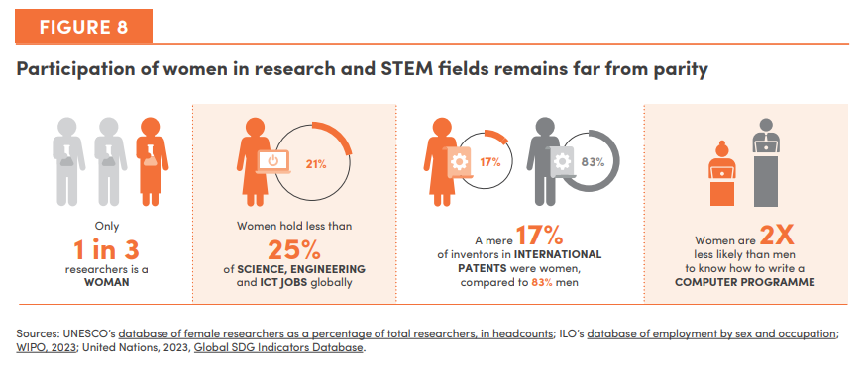

Goal 10
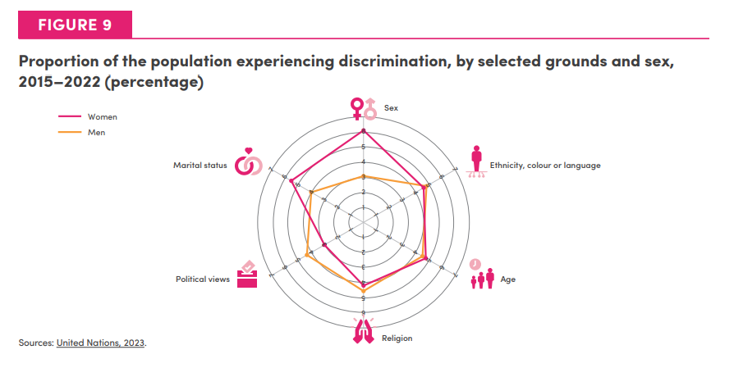
Grounds | Sex | Ethnicity, colour or languauge | Age | Religion | Political views | Marital status
Men | 3.12 | 4.88 | 4.55 | 4.62 | 4.36 | 4.03
Women | 6.13 | 4.59 | 4.82 | 4.23 | 2.95 | 5.6

Goal 11
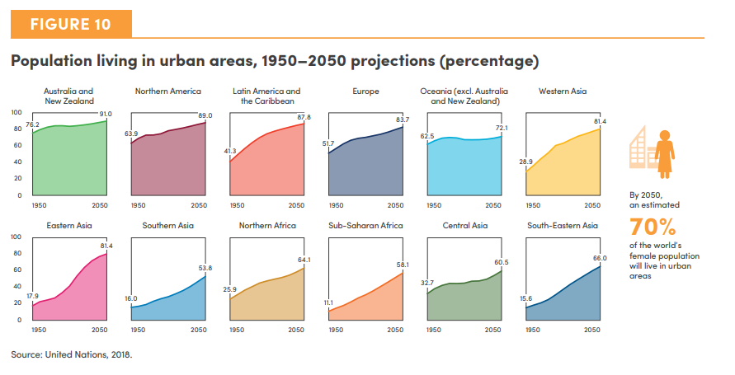
Region | 1950 | 1960 | 1970 | 1980 | 1990 | 2000 | 2010 | 2020 | 2030 | 2040 | 2050
Sub-Saharan Africa | 11.1 | 14.9 | 18.3 | 22.6 | 27.5 | 31.4 | 36.1 | 41.4 | 47.0 | 52.5 | 58.1
Northern Africa | 25.9 | 31.5 | 37.0 | 41.3 | 45.7 | 48.3 | 50.5 | 52.5 | 55.3 | 59.4 | 64.1
Western Asia | 28.9 | 36.4 | 44.8 | 52.1 | 61.1 | 63.8 | 68.2 | 72.3 | 75.4 | 78.5 | 81.4
Europe | 51.7 | 57.4 | 63.1 | 67.6 | 69.9 | 71.1 | 72.9 | 74.9 | 77.5 | 80.6 | 83.7
Northern America | 63.9 | 69.9 | 73.8 | 73.9 | 75.4 | 79.1 | 80.8 | 82.6 | 84.7 | 86.9 | 89.0
Oceania (excl. Australia and New Zealand) | 62.5 | 66.9 | 70.2 | 70.9 | 70.3 | 68.3 | 68.1 | 68.2 | 68.9 | 70.2 | 72.1
Australia and New Zealand | 76.2 | 80.5 | 83.5 | 85.2 | 85.3 | 84.5 | 85.3 | 86.3 | 87.7 | 89.3 | 91.0
Latin America and the Caribbean | 41.3 | 49.4 | 57.3 | 64.6 | 70.7 | 75.5 | 78.6 | 81.2 | 83.6 | 85.8 | 87.8
Eastern Asia | 17.9 | 22.9 | 25.0 | 27.5 | 33.9 | 42.0 | 54.4 | 64.8 | 72.8 | 78.0 | 81.4
South-Eastern Asia | 15.6 | 18.6 | 21.5 | 25.5 | 31.5 | 37.9 | 44.3 | 50.0 | 55.6 | 61.0 | 66.0
Central Asia | 32.7 | 38.9 | 42.8 | 45.2 | 45.2 | 45.7 | 48.0 | 48.3 | 50.5 | 54.9 | 60.5
Southern Asia | 16.0 | 17.4 | 19.5 | 23.4 | 26.5 | 29.0 | 32.5 | 36.6 | 41.7 | 47.6 | 53.8

Goals 12-15
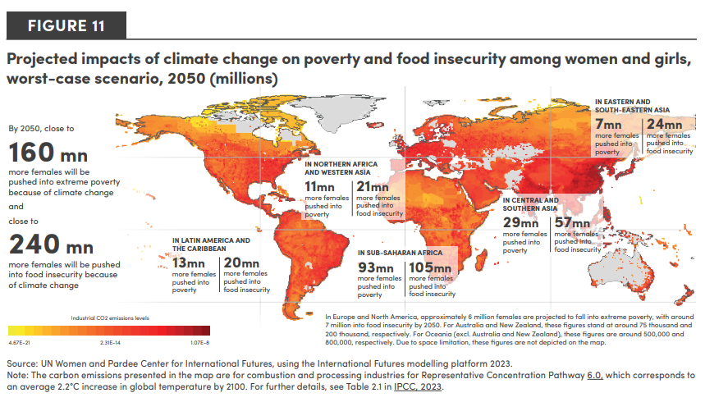
SDG Region | More females, in poverty, due to climate by 2050 | More females, In food insecurity, due to climate by 2050
World | 158.3 | 235.9
Central and Southern Asia | 28.7 | 56.7
Europe and Northern America | 6.2 | 7.1
Eastern and South-Eastern Asia | 6.5 | 23.7
Latin America and the Carribean | 13.0 | 19.8
Northern Africa and Western Asia | 10.5 | 21.3
Oceania (excl. Australia and New Zealand) | 0.5 | 0.8
Sub-Saharan Africa | 92.8 | 105.0
Australia and New Zealand | 0.1 | 0.2

Goal 16
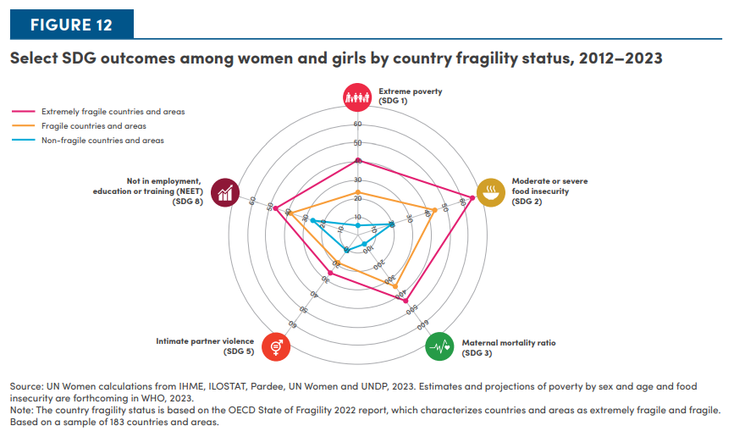
 | Extreme Poverty (SDG 1) | Moderate or severe food insecurity (SDG 2) | Maternal mortality ratio (SDG 3) | Intimate partner violence(SDG 5) | Not in employment, education or training (NEET) (SDG 8)
Extremely fragile countries and areas | 40.4 | 64.8 | 437.90 | 25.2 | 46.6
Fragile countries and areas | 23.1 | 43.5 | 342.00 | 18.3 | 38.1
Non fragile countries and areas | 5.2 | 19.2 | 59.20 | 10.3 | 25.5

Goal 17
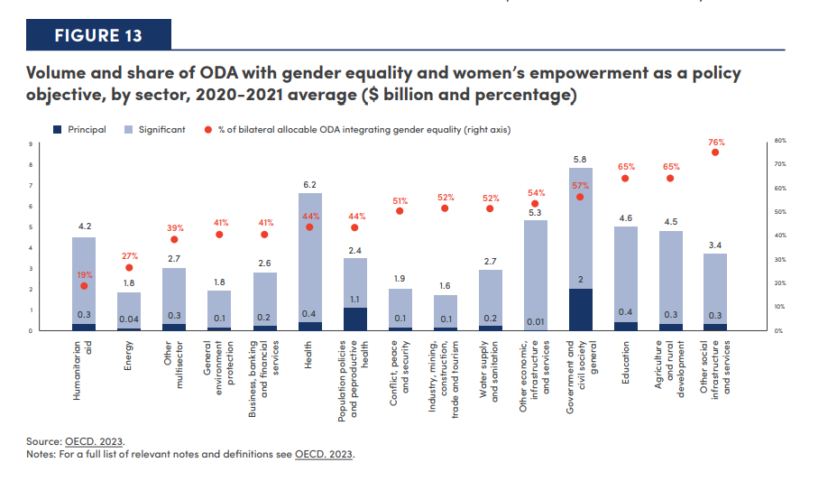
Sector | % of bilateral allocable ODA integrating gender equality (right axis) | Principal | Significant
Humanitarian Aid | 19% | 0.3 | 4.2
Energy | 27% | 0.04 | 1.8
Other Multisector | 39% | 0.3 | 2.7
General Environment Protection | 41% | 0.1 | 1.8
Business, Banking and Financial Services | 41% | 0.2 | 2.6
Health | 44% | 0.4 | 6.2
Population Policies and Reproductive Health | 44% | 1.1 | 2.4
Conflict, Peace and Security | 51% | 0.1 | 1.9
Industry, Mining, Construction, Trade and Tourism | 52% | 0.1 | 1.6
Water Supply and Sanitation | 52% | 0.2 | 2.7
Other Economic, Infrastructure and Services | 54% | 0.01 | 5.3
Government and Civil Society general | 57% | 2 | 5.8
Education | 65% | 0.4 | 4.6
Agriculture and Rural Development | 65% | 0.3 | 4.5
Other Social Infrastructure and Services | 76% | 0.3 | 3.4

