Introduction
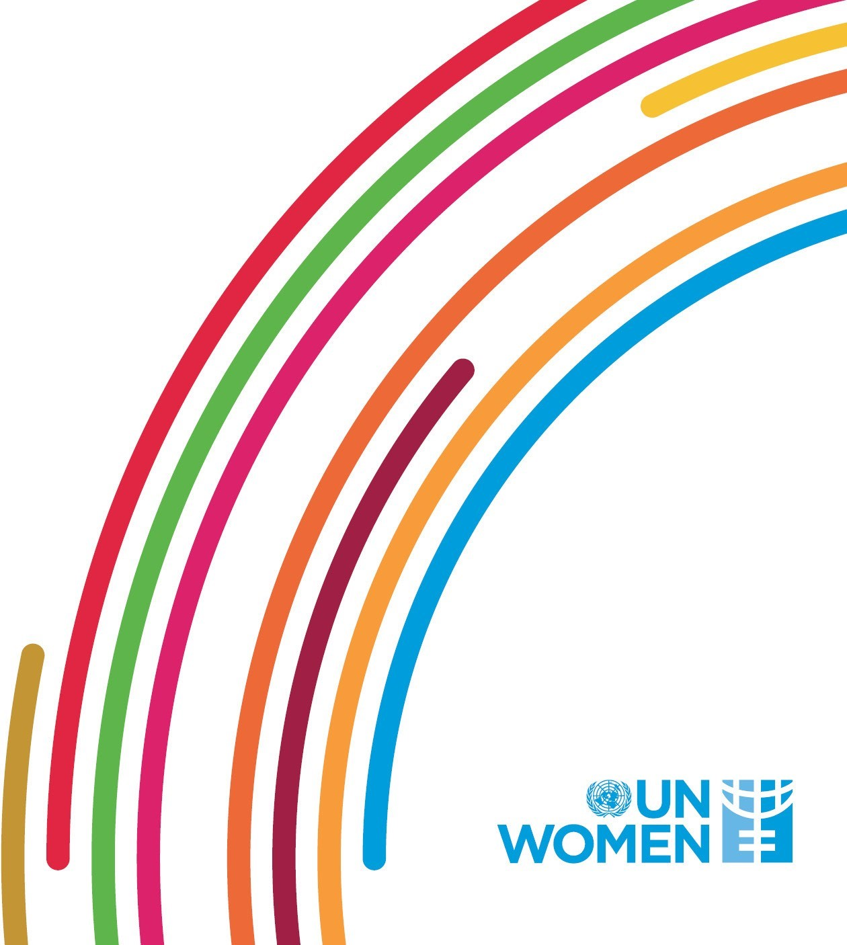

Third and Fifth Committee Resolutions Matrix
The Office of the Focal Point for Women in the UN system at UN Women is mandated to monitor the representation of women within the UN and support the Secretary-General’s goal to reach gender parity at all levels in the system by 2028. The Office also promotes the creation of an enabling working environment, seen as a precondition for achieving and sustaining gender parity.
Achieving gender parity traces back to the UN Charter of 1945 (Article 8, Article 101, para 3). In 1970, the General Assembly adopted Resolution 25/2715 which urged the Secretary-General to increase the representation of women within the UN. The Beijing Declaration and Platform for Action in 1995 set the initial goal for 50:50 gender balance. Several General Assembly resolutions of the Third Committee (Social, Humanitarian & Cultural Issues) and the Fifth Committee (Administrative and Budgetary Committee) have reaffirmed the importance of achieving gender parity in the UN system.
This document covers the paragraphs of the Third and Fifth Committee Resolutions that refer to gender parity and gender-related policies. The excel file is organized by the subject matter of the resolutions' paragraphs. Each worksheet includes the year of the resolution, the reference link to the resolution, the relevant paragraph numbers and the text adopted by the General Assembly. The sections are organized chronologically with the most recent resolution paragraphs at the top of the worksheets. The Office hopes that this document, together with other resources provided, will help UN Women stakeholders navigate historic gender-related UN legislative mandates and support Gender Focal Points/Focal Points for Women in their important roles to enhance gender parity at the UN.
In case you should have any questions do not hesitate to contact <focalpoint.forwomen@unwomen.org>
Last updated: January 2022

